PLEKHG5 _multivariate
Reported by Tex Li-Hsing Chi. tex@gate.sinica.edu.tw 2019-08-17

Table 2. The clinicopathological features of HNSCC cohort and PLEKHG5 expression. (Chi square test)
Cutoff at -0.128 (50.0%)
 |  | PLEKHG5 expression |  | PLEKHG5 expression |  | (Optimised)
 | Features | Low | (%) | High | (%) | Case no | P-value | Remark | Matthews
Gender | Female | 165 | 39.8 | 141 | 34 | 415 | 0.0081 | 1 | 0
2 | Male | 42 | 10.1 | 67 | 16.1
Age at diagnosis | <=65y | 144 | 34.7 | 130 | 31.3 | 415 | 0.1568 | 0 | 0
4 | >65y | 63 | 15.2 | 78 | 18.8
Clinical T Status | T1+T2 | 75 | 18.1 | 74 | 17.8 | 415 | 0.9707 | 0 | 0
6 | T3+T4 | 132 | 31.8 | 134 | 32.3
Clinical N Status | N0 | 95 | 22.9 | 121 | 29.2 | 415 | 0.0162 | 1 | 0
8 | N1-3 | 112 | 27 | 87 | 21
Clinical M Status | M0 | 206 | 49.6 | 206 | 49.6 | 415 | 1 | 0 | 0
10 | M1 | 1 | 0.2 | 2 | 0.5
Clinical Stage | Stage I+II | 46 | 11.1 | 56 | 13.5 | 415 | 0.3182 | 0 | 0
12 | Stage III+IV | 161 | 38.8 | 152 | 36.6
Surgical Margin status | Negative | 155 | 37.3 | 163 | 39.3 | 415 | 0.4187 | 0 | 0
14 | Positive | 52 | 12.5 | 45 | 10.8
Tobacco Exposure | Low | 67 | 16.1 | 94 | 22.7 | 415 | 0.0088 | 1 | 0
16 | High | 140 | 33.7 | 114 | 27.5

Table 3. Univariate/Multivariate Cox's proportional hazards regression analyses on OS time of PLEKHG5 gene expression in HNSCC

 |  | Univariate |  |  |  | Multivariate
 | Features | HR | CI95%(L) | CI95%(H) | P-value | HR | CI95%(L) | CI95%(H) | P-value
1 | Female | 1 |  |  |  | 1
Gender | Male | 1.157 | 0.843 | 1.587 | 0.367 | 1.222 | 0.873 | 1.711 | 0.242
11 | <=65y | 1 |  |  |  | 1
Age at diagnosis | >65y | 1.329 | 0.99 | 1.784 | 0.058 | 1.393 | 1.025 | 1.894 | 0.034
12 | T1+T2 | 1 |  |  |  | 1
Clinical T Status | T3+T4 | 1.409 | 1.028 | 1.931 | 0.033 | 2.204 | 1.166 | 4.166 | 0.015
13 | N0 | 1 |  |  |  | 1
Clinical N Status | N1-3 | 1.185 | 0.89 | 1.577 | 0.246 | 1.219 | 0.853 | 1.744 | 0.277
14 | M0 | 1 |  |  |  | 1
Clinical M Status | M1 | 4.097 | 1.009 | 16.644 | 0.049 | 9.615 | 2.096 | 44.11 | 0.004
15 | Stage I+II | 1 |  |  |  | 1
Clinical Stage | Stage III+IV | 1.245 | 0.882 | 1.759 | 0.213 | 0.506 | 0.236 | 1.085 | 0.08
16 | Negative | 1 |  |  |  | 1
Surgical Margin status | Positive | 1.591 | 1.155 | 2.191 | 0.004 | 1.658 | 1.199 | 2.292 | 0.002
17 | Low | 1 |  |  |  | 1
Tobacco Exposure | High | 1.364 | 1.008 | 1.844 | 0.044 | 1.435 | 1.04 | 1.978 | 0.028
18 | Low | 1 |  |  |  | 1
RNAseq(z-score) | High | 0.852 | 0.639 | 1.136 | 0.275 | 0.882 | 0.656 | 1.185 | 0.405

Table 4. Univariate/Multivariate Cox's proportional hazards regression analyses on RFS time of PLEKHG5 gene expression in HNSCC

 |  | Univariate |  |  |  | Multivariate
 | Features | HR | CI95%(L) | CI95%(H) | P-value | HR | CI95%(L) | CI95%(H) | P-value
1 | Female | 1 |  |  |  | 1
Gender | Male | 1.157 | 0.843 | 1.587 | 0.367 | 1.222 | 0.873 | 1.711 | 0.242
11 | <=65y | 1 |  |  |  | 1
Age at diagnosis | >65y | 1.329 | 0.99 | 1.784 | 0.058 | 1.393 | 1.025 | 1.894 | 0.034
12 | T1+T2 | 1 |  |  |  | 1
Clinical T Status | T3+T4 | 1.409 | 1.028 | 1.931 | 0.033 | 2.204 | 1.166 | 4.166 | 0.015
13 | N0 | 1 |  |  |  | 1
Clinical N Status | N1-3 | 1.185 | 0.89 | 1.577 | 0.246 | 1.219 | 0.853 | 1.744 | 0.277
14 | M0 | 1 |  |  |  | 1
Clinical M Status | M1 | 4.097 | 1.009 | 16.644 | 0.049 | 9.615 | 2.096 | 44.11 | 0.004
15 | Stage I+II | 1 |  |  |  | 1
Clinical Stage | Stage III+IV | 1.245 | 0.882 | 1.759 | 0.213 | 0.506 | 0.236 | 1.085 | 0.08
16 | Negative | 1 |  |  |  | 1
Surgical Margin status | Positive | 1.591 | 1.155 | 2.191 | 0.004 | 1.658 | 1.199 | 2.292 | 0.002
17 | Low | 1 |  |  |  | 1
Tobacco Exposure | High | 1.364 | 1.008 | 1.844 | 0.044 | 1.435 | 1.04 | 1.978 | 0.028
18 | Low | 1 |  |  |  | 1
RNAseq(z-score) | High | 0.852 | 0.639 | 1.136 | 0.275 | 0.882 | 0.656 | 1.185 | 0.405

Kaplan-Meier survival estimate: Cutoff at -0.128 (50.0%)



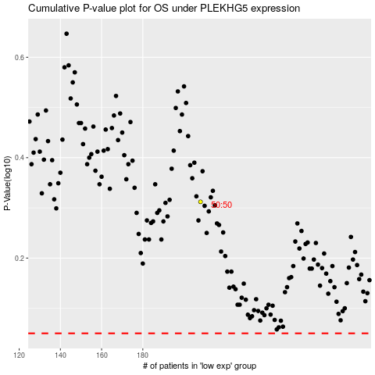

 |  |  |  |  |  | cases_OS | p_OS | rank | exp
 |  |  |  |  |  |  | cases_RFS | p_RFS | rank | exp

