PLEKHG6 _multivariate
Reported by Tex Li-Hsing Chi. tex@gate.sinica.edu.tw 2019-08-17

Table 2. The clinicopathological features of HNSCC cohort and PLEKHG6 expression. (Chi square test)
Cutoff at -0.607 (31.9%)
 |  | PLEKHG6 expression |  | PLEKHG6 expression |  | (Optimised)
 | Features | Low | (%) | High | (%) | Case no | P-value | Remark | Matthews
Gender | Female | 89 | 21.4 | 217 | 52.3 | 415 | 0.0607 | 0 | 0
2 | Male | 43 | 10.4 | 66 | 15.9
Age at diagnosis | <=65y | 83 | 20 | 191 | 46 | 415 | 0.4164 | 0 | 0
4 | >65y | 49 | 11.8 | 92 | 22.2
Clinical T Status | T1+T2 | 43 | 10.4 | 106 | 25.5 | 415 | 0.3924 | 0 | 0
6 | T3+T4 | 89 | 21.4 | 177 | 42.7
Clinical N Status | N0 | 64 | 15.4 | 152 | 36.6 | 415 | 0.3751 | 0 | 0
8 | N1-3 | 68 | 16.4 | 131 | 31.6
Clinical M Status | M0 | 131 | 31.6 | 281 | 67.7 | 415 | 1 | 0 | 0
10 | M1 | 1 | 0.2 | 2 | 0.5
Clinical Stage | Stage I+II | 32 | 7.7 | 70 | 16.9 | 415 | 1 | 0 | 0
12 | Stage III+IV | 100 | 24.1 | 213 | 51.3
Surgical Margin status | Negative | 91 | 21.9 | 227 | 54.7 | 415 | 0.013 | 1 | 0
14 | Positive | 41 | 9.9 | 56 | 13.5
Tobacco Exposure | Low | 61 | 14.7 | 100 | 24.1 | 415 | 0.0399 | 1 | 0
16 | High | 71 | 17.1 | 183 | 44.1

Table 3. Univariate/Multivariate Cox's proportional hazards regression analyses on OS time of PLEKHG6 gene expression in HNSCC

 |  | Univariate |  |  |  | Multivariate
 | Features | HR | CI95%(L) | CI95%(H) | P-value | HR | CI95%(L) | CI95%(H) | P-value
1 | Female | 1 |  |  |  | 1
Gender | Male | 1.157 | 0.843 | 1.587 | 0.367 | 1.178 | 0.842 | 1.648 | 0.339
11 | <=65y | 1 |  |  |  | 1
Age at diagnosis | >65y | 1.329 | 0.99 | 1.784 | 0.058 | 1.359 | 0.998 | 1.85 | 0.051
12 | T1+T2 | 1 |  |  |  | 1
Clinical T Status | T3+T4 | 1.409 | 1.028 | 1.931 | 0.033 | 2.059 | 1.086 | 3.906 | 0.027
13 | N0 | 1 |  |  |  | 1
Clinical N Status | N1-3 | 1.185 | 0.89 | 1.577 | 0.246 | 1.202 | 0.841 | 1.717 | 0.312
14 | M0 | 1 |  |  |  | 1
Clinical M Status | M1 | 4.097 | 1.009 | 16.644 | 0.049 | 8.58 | 1.866 | 39.456 | 0.006
15 | Stage I+II | 1 |  |  |  | 1
Clinical Stage | Stage III+IV | 1.245 | 0.882 | 1.759 | 0.213 | 0.564 | 0.261 | 1.22 | 0.146
16 | Negative | 1 |  |  |  | 1
Surgical Margin status | Positive | 1.591 | 1.155 | 2.191 | 0.004 | 1.617 | 1.168 | 2.238 | 0.004
17 | Low | 1 |  |  |  | 1
Tobacco Exposure | High | 1.364 | 1.008 | 1.844 | 0.044 | 1.553 | 1.117 | 2.159 | 0.009
18 | Low | 1 |  |  |  | 1
RNAseq(z-score) | High | 0.705 | 0.523 | 0.95 | 0.022 | 0.722 | 0.527 | 0.989 | 0.042

Table 4. Univariate/Multivariate Cox's proportional hazards regression analyses on RFS time of PLEKHG6 gene expression in HNSCC

 |  | Univariate |  |  |  | Multivariate
 | Features | HR | CI95%(L) | CI95%(H) | P-value | HR | CI95%(L) | CI95%(H) | P-value
1 | Female | 1 |  |  |  | 1
Gender | Male | 1.157 | 0.843 | 1.587 | 0.367 | 1.178 | 0.842 | 1.648 | 0.339
11 | <=65y | 1 |  |  |  | 1
Age at diagnosis | >65y | 1.329 | 0.99 | 1.784 | 0.058 | 1.359 | 0.998 | 1.85 | 0.051
12 | T1+T2 | 1 |  |  |  | 1
Clinical T Status | T3+T4 | 1.409 | 1.028 | 1.931 | 0.033 | 2.059 | 1.086 | 3.906 | 0.027
13 | N0 | 1 |  |  |  | 1
Clinical N Status | N1-3 | 1.185 | 0.89 | 1.577 | 0.246 | 1.202 | 0.841 | 1.717 | 0.312
14 | M0 | 1 |  |  |  | 1
Clinical M Status | M1 | 4.097 | 1.009 | 16.644 | 0.049 | 8.58 | 1.866 | 39.456 | 0.006
15 | Stage I+II | 1 |  |  |  | 1
Clinical Stage | Stage III+IV | 1.245 | 0.882 | 1.759 | 0.213 | 0.564 | 0.261 | 1.22 | 0.146
16 | Negative | 1 |  |  |  | 1
Surgical Margin status | Positive | 1.591 | 1.155 | 2.191 | 0.004 | 1.617 | 1.168 | 2.238 | 0.004
17 | Low | 1 |  |  |  | 1
Tobacco Exposure | High | 1.364 | 1.008 | 1.844 | 0.044 | 1.553 | 1.117 | 2.159 | 0.009
18 | Low | 1 |  |  |  | 1
RNAseq(z-score) | High | 0.705 | 0.523 | 0.95 | 0.022 | 0.722 | 0.527 | 0.989 | 0.042

Kaplan-Meier survival estimate: Cutoff at -0.607 (31.9%)

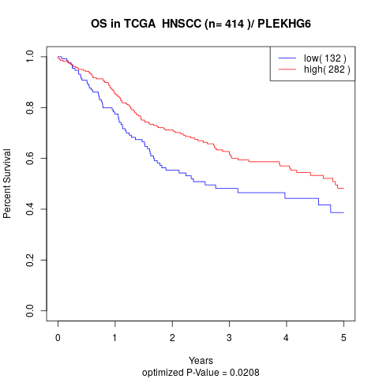

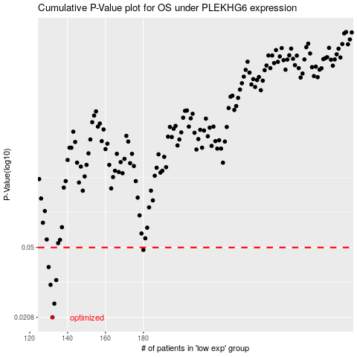

 |  |  |  |  |  | cases_OS | p_OS | rank | exp
 |  |  |  |  |  | 132 | 0.0208 | 9 | -0.60655435757
 |  |  |  |  |  | 133 | 0.0247 | 49 | -0.60580730363
 |  |  |  |  |  | 131 | 0.0313 | 370 | -0.61733434419
 |  |  |  |  |  | 134 | 0.0332 | 232 | -0.60458022569
 |  |  |  |  |  | 130 | 0.0391 | 411 | -0.61944704653
 |  |  |  |  |  | 180 | 0.0485 | 96 | -0.40607819922
 |  |  |  |  |  |  | cases_RFS | p_RFS | rank | exp
 |  |  |  |  |  |  | 131 | 0.0208 | 370 | -0.61733434419
 |  |  |  |  |  |  | 132 | 0.0247 | 9 | -0.60655435757
 |  |  |  |  |  |  | 130 | 0.0313 | 411 | -0.61944704653
 |  |  |  |  |  |  | 133 | 0.0332 | 49 | -0.60580730363
 |  |  |  |  |  |  | 129 | 0.0391 | 389 | -0.62069285469
 |  |  |  |  |  |  | 179 | 0.0485 | 410 | -0.40803989953

