PLEKHJ1 _multivariate
Reported by Tex Li-Hsing Chi. tex@gate.sinica.edu.tw 2019-08-17

Table 2. The clinicopathological features of HNSCC cohort and PLEKHJ1 expression. (Chi square test)
Cutoff at -0.288 (50.0%)
 |  | PLEKHJ1 expression |  | PLEKHJ1 expression |  | (Optimised)
 | Features | Low | (%) | High | (%) | Case no | P-value | Remark | Matthews
Gender | Female | 155 | 37.3 | 151 | 36.4 | 415 | 0.6768 | 0 | 0
2 | Male | 52 | 12.5 | 57 | 13.7
Age at diagnosis | <=65y | 145 | 34.9 | 129 | 31.1 | 415 | 0.1046 | 0 | 0
4 | >65y | 62 | 14.9 | 79 | 19
Clinical T Status | T1+T2 | 77 | 18.6 | 72 | 17.3 | 415 | 0.6556 | 0 | 0
6 | T3+T4 | 130 | 31.3 | 136 | 32.8
Clinical N Status | N0 | 104 | 25.1 | 112 | 27 | 415 | 0.5243 | 0 | 0
8 | N1-3 | 103 | 24.8 | 96 | 23.1
Clinical M Status | M0 | 205 | 49.4 | 207 | 49.9 | 415 | 0.6232 | 0 | 0
10 | M1 | 2 | 0.5 | 1 | 0.2
Clinical Stage | Stage I+II | 53 | 12.8 | 49 | 11.8 | 415 | 0.7113 | 0 | 0
12 | Stage III+IV | 154 | 37.1 | 159 | 38.3
Surgical Margin status | Negative | 166 | 40 | 152 | 36.6 | 415 | 0.1042 | 0 | 0
14 | Positive | 41 | 9.9 | 56 | 13.5
Tobacco Exposure | Low | 81 | 19.5 | 80 | 19.3 | 415 | 0.9199 | 0 | 0
16 | High | 126 | 30.4 | 128 | 30.8

Table 3. Univariate/Multivariate Cox's proportional hazards regression analyses on OS time of PLEKHJ1 gene expression in HNSCC

 |  | Univariate |  |  |  | Multivariate
 | Features | HR | CI95%(L) | CI95%(H) | P-value | HR | CI95%(L) | CI95%(H) | P-value
1 | Female | 1 |  |  |  | 1
Gender | Male | 1.157 | 0.843 | 1.587 | 0.367 | 1.198 | 0.856 | 1.676 | 0.293
11 | <=65y | 1 |  |  |  | 1
Age at diagnosis | >65y | 1.329 | 0.99 | 1.784 | 0.058 | 1.388 | 1.02 | 1.889 | 0.037
12 | T1+T2 | 1 |  |  |  | 1
Clinical T Status | T3+T4 | 1.409 | 1.028 | 1.931 | 0.033 | 2.207 | 1.167 | 4.175 | 0.015
13 | N0 | 1 |  |  |  | 1
Clinical N Status | N1-3 | 1.185 | 0.89 | 1.577 | 0.246 | 1.244 | 0.871 | 1.776 | 0.23
14 | M0 | 1 |  |  |  | 1
Clinical M Status | M1 | 4.097 | 1.009 | 16.644 | 0.049 | 9.477 | 2.063 | 43.531 | 0.004
15 | Stage I+II | 1 |  |  |  | 1
Clinical Stage | Stage III+IV | 1.245 | 0.882 | 1.759 | 0.213 | 0.503 | 0.234 | 1.081 | 0.078
16 | Negative | 1 |  |  |  | 1
Surgical Margin status | Positive | 1.591 | 1.155 | 2.191 | 0.004 | 1.664 | 1.2 | 2.307 | 0.002
17 | Low | 1 |  |  |  | 1
Tobacco Exposure | High | 1.364 | 1.008 | 1.844 | 0.044 | 1.452 | 1.054 | 2.001 | 0.023
18 | Low | 1 |  |  |  | 1
RNAseq(z-score) | High | 1.087 | 0.816 | 1.449 | 0.568 | 1.028 | 0.765 | 1.381 | 0.856

Table 4. Univariate/Multivariate Cox's proportional hazards regression analyses on RFS time of PLEKHJ1 gene expression in HNSCC

 |  | Univariate |  |  |  | Multivariate
 | Features | HR | CI95%(L) | CI95%(H) | P-value | HR | CI95%(L) | CI95%(H) | P-value
1 | Female | 1 |  |  |  | 1
Gender | Male | 1.157 | 0.843 | 1.587 | 0.367 | 1.198 | 0.856 | 1.676 | 0.293
11 | <=65y | 1 |  |  |  | 1
Age at diagnosis | >65y | 1.329 | 0.99 | 1.784 | 0.058 | 1.388 | 1.02 | 1.889 | 0.037
12 | T1+T2 | 1 |  |  |  | 1
Clinical T Status | T3+T4 | 1.409 | 1.028 | 1.931 | 0.033 | 2.207 | 1.167 | 4.175 | 0.015
13 | N0 | 1 |  |  |  | 1
Clinical N Status | N1-3 | 1.185 | 0.89 | 1.577 | 0.246 | 1.244 | 0.871 | 1.776 | 0.23
14 | M0 | 1 |  |  |  | 1
Clinical M Status | M1 | 4.097 | 1.009 | 16.644 | 0.049 | 9.477 | 2.063 | 43.531 | 0.004
15 | Stage I+II | 1 |  |  |  | 1
Clinical Stage | Stage III+IV | 1.245 | 0.882 | 1.759 | 0.213 | 0.503 | 0.234 | 1.081 | 0.078
16 | Negative | 1 |  |  |  | 1
Surgical Margin status | Positive | 1.591 | 1.155 | 2.191 | 0.004 | 1.664 | 1.2 | 2.307 | 0.002
17 | Low | 1 |  |  |  | 1
Tobacco Exposure | High | 1.364 | 1.008 | 1.844 | 0.044 | 1.452 | 1.054 | 2.001 | 0.023
18 | Low | 1 |  |  |  | 1
RNAseq(z-score) | High | 1.087 | 0.816 | 1.449 | 0.568 | 1.028 | 0.765 | 1.381 | 0.856

Kaplan-Meier survival estimate: Cutoff at -0.288 (50.0%)



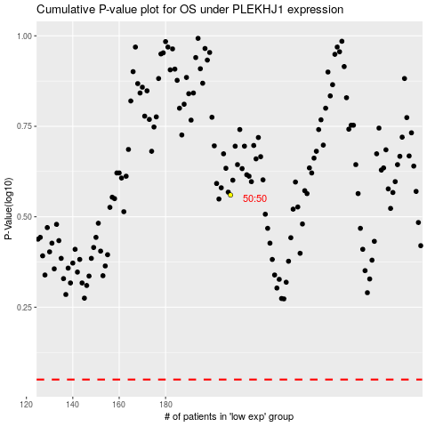

 |  |  |  |  |  | cases_OS | p_OS | rank | exp
 |  |  |  |  |  |  | cases_RFS | p_RFS | rank | exp

