PLEKHM1P _multivariate
Reported by Tex Li-Hsing Chi. tex@gate.sinica.edu.tw 2019-08-17

Table 2. The clinicopathological features of HNSCC cohort and PLEKHM1P expression. (Chi square test)
Cutoff at -0.527 (33.8%)
 |  | PLEKHM1P expression |  | PLEKHM1P expression |  | (Optimised)
 | Features | Low | (%) | High | (%) | Case no | P-value | Remark | Matthews
Gender | Female | 103 | 24.8 | 203 | 48.9 | 415 | 1 | 0 | 0
2 | Male | 37 | 8.9 | 72 | 17.3
Age at diagnosis | <=65y | 94 | 22.7 | 180 | 43.4 | 415 | 0.8152 | 0 | 0
4 | >65y | 46 | 11.1 | 95 | 22.9
Clinical T Status | T1+T2 | 57 | 13.7 | 92 | 22.2 | 415 | 0.1772 | 0 | 0
6 | T3+T4 | 83 | 20 | 183 | 44.1
Clinical N Status | N0 | 69 | 16.6 | 147 | 35.4 | 415 | 0.484 | 0 | 0
8 | N1-3 | 71 | 17.1 | 128 | 30.8
Clinical M Status | M0 | 140 | 33.7 | 272 | 65.5 | 415 | 0.554 | 0 | 0
10 | M1 | 0 | 0 | 3 | 0.7
Clinical Stage | Stage I+II | 40 | 9.6 | 62 | 14.9 | 415 | 0.2196 | 0 | 0
12 | Stage III+IV | 100 | 24.1 | 213 | 51.3
Surgical Margin status | Negative | 109 | 26.3 | 209 | 50.4 | 415 | 0.7141 | 0 | 0
14 | Positive | 31 | 7.5 | 66 | 15.9
Tobacco Exposure | Low | 55 | 13.3 | 106 | 25.5 | 415 | 0.9153 | 0 | 0
16 | High | 85 | 20.5 | 169 | 40.7

Table 3. Univariate/Multivariate Cox's proportional hazards regression analyses on OS time of PLEKHM1P gene expression in HNSCC

 |  | Univariate |  |  |  | Multivariate
 | Features | HR | CI95%(L) | CI95%(H) | P-value | HR | CI95%(L) | CI95%(H) | P-value
1 | Female | 1 |  |  |  | 1
Gender | Male | 1.157 | 0.843 | 1.587 | 0.367 | 1.214 | 0.87 | 1.695 | 0.253
11 | <=65y | 1 |  |  |  | 1
Age at diagnosis | >65y | 1.329 | 0.99 | 1.784 | 0.058 | 1.443 | 1.059 | 1.964 | 0.02
12 | T1+T2 | 1 |  |  |  | 1
Clinical T Status | T3+T4 | 1.409 | 1.028 | 1.931 | 0.033 | 2.186 | 1.157 | 4.128 | 0.016
13 | N0 | 1 |  |  |  | 1
Clinical N Status | N1-3 | 1.185 | 0.89 | 1.577 | 0.246 | 1.169 | 0.816 | 1.674 | 0.394
14 | M0 | 1 |  |  |  | 1
Clinical M Status | M1 | 4.097 | 1.009 | 16.644 | 0.049 | 11.188 | 2.426 | 51.603 | 0.002
15 | Stage I+II | 1 |  |  |  | 1
Clinical Stage | Stage III+IV | 1.245 | 0.882 | 1.759 | 0.213 | 0.548 | 0.255 | 1.178 | 0.124
16 | Negative | 1 |  |  |  | 1
Surgical Margin status | Positive | 1.591 | 1.155 | 2.191 | 0.004 | 1.655 | 1.199 | 2.285 | 0.002
17 | Low | 1 |  |  |  | 1
Tobacco Exposure | High | 1.364 | 1.008 | 1.844 | 0.044 | 1.459 | 1.059 | 2.012 | 0.021
18 | Low | 1 |  |  |  | 1
RNAseq(z-score) | High | 0.683 | 0.507 | 0.921 | 0.012 | 0.657 | 0.484 | 0.89 | 0.007

Table 4. Univariate/Multivariate Cox's proportional hazards regression analyses on RFS time of PLEKHM1P gene expression in HNSCC

 |  | Univariate |  |  |  | Multivariate
 | Features | HR | CI95%(L) | CI95%(H) | P-value | HR | CI95%(L) | CI95%(H) | P-value
1 | Female | 1 |  |  |  | 1
Gender | Male | 1.157 | 0.843 | 1.587 | 0.367 | 1.214 | 0.87 | 1.695 | 0.253
11 | <=65y | 1 |  |  |  | 1
Age at diagnosis | >65y | 1.329 | 0.99 | 1.784 | 0.058 | 1.443 | 1.059 | 1.964 | 0.02
12 | T1+T2 | 1 |  |  |  | 1
Clinical T Status | T3+T4 | 1.409 | 1.028 | 1.931 | 0.033 | 2.186 | 1.157 | 4.128 | 0.016
13 | N0 | 1 |  |  |  | 1
Clinical N Status | N1-3 | 1.185 | 0.89 | 1.577 | 0.246 | 1.169 | 0.816 | 1.674 | 0.394
14 | M0 | 1 |  |  |  | 1
Clinical M Status | M1 | 4.097 | 1.009 | 16.644 | 0.049 | 11.188 | 2.426 | 51.603 | 0.002
15 | Stage I+II | 1 |  |  |  | 1
Clinical Stage | Stage III+IV | 1.245 | 0.882 | 1.759 | 0.213 | 0.548 | 0.255 | 1.178 | 0.124
16 | Negative | 1 |  |  |  | 1
Surgical Margin status | Positive | 1.591 | 1.155 | 2.191 | 0.004 | 1.655 | 1.199 | 2.285 | 0.002
17 | Low | 1 |  |  |  | 1
Tobacco Exposure | High | 1.364 | 1.008 | 1.844 | 0.044 | 1.459 | 1.059 | 2.012 | 0.021
18 | Low | 1 |  |  |  | 1
RNAseq(z-score) | High | 0.683 | 0.507 | 0.921 | 0.012 | 0.657 | 0.484 | 0.89 | 0.007

Kaplan-Meier survival estimate: Cutoff at -0.527 (33.8%)

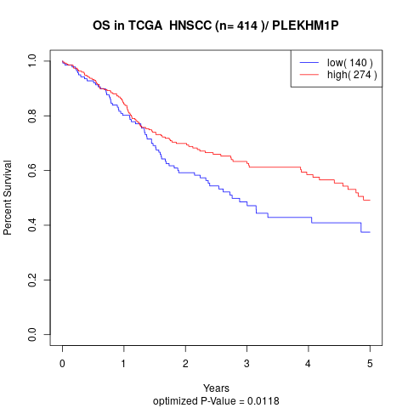

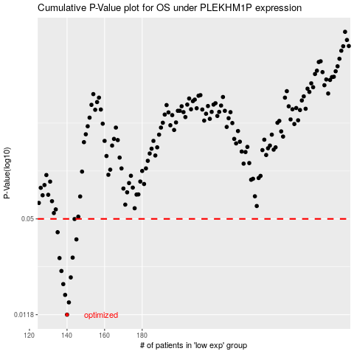

 |  |  |  |  |  | cases_OS | p_OS | rank | exp
 |  |  |  |  |  | 140 | 0.0118 | 16 | -0.5266550456
 |  |  |  |  |  | 141 | 0.0142 | 111 | -0.52270920388
 |  |  |  |  |  | 139 | 0.0159 | 237 | -0.53550484999
 |  |  |  |  |  | 138 | 0.0187 | 3 | -0.53921017575
 |  |  |  |  |  | 142 | 0.0207 | 399 | -0.51995017041
 |  |  |  |  |  | 137 | 0.0228 | 82 | -0.54154534913
 |  |  |  |  |  | 136 | 0.0277 | 323 | -0.54886334288
 |  |  |  |  |  | 143 | 0.0279 | 219 | -0.51509155091
 |  |  |  |  |  | 145 | 0.0367 | 120 | -0.51244784681
 |  |  |  |  |  | 135 | 0.0409 | 99 | -0.55101221496
 |  |  |  |  |  | 144 | 0.0499 | 308 | -0.51300872214
 |  |  |  |  |  |  | cases_RFS | p_RFS | rank | exp
 |  |  |  |  |  |  | 139 | 0.0118 | 237 | -0.53550484999
 |  |  |  |  |  |  | 140 | 0.0142 | 16 | -0.5266550456
 |  |  |  |  |  |  | 138 | 0.0159 | 3 | -0.53921017575
 |  |  |  |  |  |  | 137 | 0.0187 | 82 | -0.54154534913
 |  |  |  |  |  |  | 141 | 0.0207 | 111 | -0.52270920388
 |  |  |  |  |  |  | 136 | 0.0228 | 323 | -0.54886334288
 |  |  |  |  |  |  | 135 | 0.0277 | 99 | -0.55101221496
 |  |  |  |  |  |  | 142 | 0.0279 | 399 | -0.51995017041
 |  |  |  |  |  |  | 144 | 0.0367 | 308 | -0.51300872214
 |  |  |  |  |  |  | 134 | 0.0409 | 389 | -0.55496002812
 |  |  |  |  |  |  | 143 | 0.0499 | 219 | -0.51509155091

