PLEKHO1 _multivariate
Reported by Tex Li-Hsing Chi. tex@gate.sinica.edu.tw 2019-08-17

Table 2. The clinicopathological features of HNSCC cohort and PLEKHO1 expression. (Chi square test)
Cutoff at -0.198 (49.8%)
 |  | PLEKHO1 expression |  | PLEKHO1 expression |  | (Optimised)
 | Features | Low | (%) | High | (%) | Case no | P-value | Remark | Matthews
Gender | Female | 157 | 37.8 | 149 | 35.9 | 415 | 0.3881 | 0 | 0
2 | Male | 50 | 12 | 59 | 14.2
Age at diagnosis | <=65y | 142 | 34.2 | 132 | 31.8 | 415 | 0.3167 | 0 | 0
4 | >65y | 65 | 15.7 | 76 | 18.3
Clinical T Status | T1+T2 | 69 | 16.6 | 80 | 19.3 | 415 | 0.3239 | 0 | 0
6 | T3+T4 | 138 | 33.3 | 128 | 30.8
Clinical N Status | N0 | 112 | 27 | 104 | 25.1 | 415 | 0.4599 | 0 | 0
8 | N1-3 | 95 | 22.9 | 104 | 25.1
Clinical M Status | M0 | 204 | 49.2 | 208 | 50.1 | 415 | 0.1232 | 0 | 0
10 | M1 | 3 | 0.7 | 0 | 0
Clinical Stage | Stage I+II | 46 | 11.1 | 56 | 13.5 | 415 | 0.3182 | 0 | 0
12 | Stage III+IV | 161 | 38.8 | 152 | 36.6
Surgical Margin status | Negative | 157 | 37.8 | 161 | 38.8 | 415 | 0.729 | 0 | 0
14 | Positive | 50 | 12 | 47 | 11.3
Tobacco Exposure | Low | 80 | 19.3 | 81 | 19.5 | 415 | 1 | 0 | 0
16 | High | 127 | 30.6 | 127 | 30.6

Table 3. Univariate/Multivariate Cox's proportional hazards regression analyses on OS time of PLEKHO1 gene expression in HNSCC

 |  | Univariate |  |  |  | Multivariate
 | Features | HR | CI95%(L) | CI95%(H) | P-value | HR | CI95%(L) | CI95%(H) | P-value
1 | Female | 1 |  |  |  | 1
Gender | Male | 1.157 | 0.843 | 1.587 | 0.367 | 1.209 | 0.865 | 1.69 | 0.268
11 | <=65y | 1 |  |  |  | 1
Age at diagnosis | >65y | 1.329 | 0.99 | 1.784 | 0.058 | 1.398 | 1.029 | 1.901 | 0.032
12 | T1+T2 | 1 |  |  |  | 1
Clinical T Status | T3+T4 | 1.409 | 1.028 | 1.931 | 0.033 | 2.192 | 1.159 | 4.145 | 0.016
13 | N0 | 1 |  |  |  | 1
Clinical N Status | N1-3 | 1.185 | 0.89 | 1.577 | 0.246 | 1.26 | 0.882 | 1.8 | 0.204
14 | M0 | 1 |  |  |  | 1
Clinical M Status | M1 | 4.097 | 1.009 | 16.644 | 0.049 | 8.686 | 1.881 | 40.109 | 0.006
15 | Stage I+II | 1 |  |  |  | 1
Clinical Stage | Stage III+IV | 1.245 | 0.882 | 1.759 | 0.213 | 0.5 | 0.233 | 1.073 | 0.075
16 | Negative | 1 |  |  |  | 1
Surgical Margin status | Positive | 1.591 | 1.155 | 2.191 | 0.004 | 1.672 | 1.21 | 2.311 | 0.002
17 | Low | 1 |  |  |  | 1
Tobacco Exposure | High | 1.364 | 1.008 | 1.844 | 0.044 | 1.46 | 1.058 | 2.013 | 0.021
18 | Low | 1 |  |  |  | 1
RNAseq(z-score) | High | 0.853 | 0.639 | 1.138 | 0.279 | 0.861 | 0.643 | 1.153 | 0.315

Table 4. Univariate/Multivariate Cox's proportional hazards regression analyses on RFS time of PLEKHO1 gene expression in HNSCC

 |  | Univariate |  |  |  | Multivariate
 | Features | HR | CI95%(L) | CI95%(H) | P-value | HR | CI95%(L) | CI95%(H) | P-value
1 | Female | 1 |  |  |  | 1
Gender | Male | 1.157 | 0.843 | 1.587 | 0.367 | 1.209 | 0.865 | 1.69 | 0.268
11 | <=65y | 1 |  |  |  | 1
Age at diagnosis | >65y | 1.329 | 0.99 | 1.784 | 0.058 | 1.398 | 1.029 | 1.901 | 0.032
12 | T1+T2 | 1 |  |  |  | 1
Clinical T Status | T3+T4 | 1.409 | 1.028 | 1.931 | 0.033 | 2.192 | 1.159 | 4.145 | 0.016
13 | N0 | 1 |  |  |  | 1
Clinical N Status | N1-3 | 1.185 | 0.89 | 1.577 | 0.246 | 1.26 | 0.882 | 1.8 | 0.204
14 | M0 | 1 |  |  |  | 1
Clinical M Status | M1 | 4.097 | 1.009 | 16.644 | 0.049 | 8.686 | 1.881 | 40.109 | 0.006
15 | Stage I+II | 1 |  |  |  | 1
Clinical Stage | Stage III+IV | 1.245 | 0.882 | 1.759 | 0.213 | 0.5 | 0.233 | 1.073 | 0.075
16 | Negative | 1 |  |  |  | 1
Surgical Margin status | Positive | 1.591 | 1.155 | 2.191 | 0.004 | 1.672 | 1.21 | 2.311 | 0.002
17 | Low | 1 |  |  |  | 1
Tobacco Exposure | High | 1.364 | 1.008 | 1.844 | 0.044 | 1.46 | 1.058 | 2.013 | 0.021
18 | Low | 1 |  |  |  | 1
RNAseq(z-score) | High | 0.853 | 0.639 | 1.138 | 0.279 | 0.861 | 0.643 | 1.153 | 0.315

Kaplan-Meier survival estimate: Cutoff at -0.198 (49.8%)



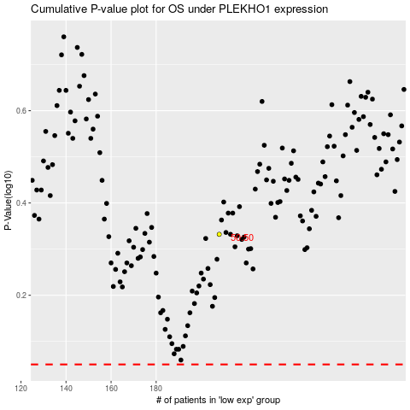

 |  |  |  |  |  | cases_OS | p_OS | rank | exp
 |  |  |  |  |  |  | cases_RFS | p_RFS | rank | exp

