PLEKHO2 _multivariate
Reported by Tex Li-Hsing Chi. tex@gate.sinica.edu.tw 2019-08-17

Table 2. The clinicopathological features of HNSCC cohort and PLEKHO2 expression. (Chi square test)
Cutoff at -0.249 (49.8%)
 |  | PLEKHO2 expression |  | PLEKHO2 expression |  | (Optimised)
 | Features | Low | (%) | High | (%) | Case no | P-value | Remark | Matthews
Gender | Female | 162 | 39 | 144 | 34.7 | 415 | 0.0479 | 1 | 0
2 | Male | 45 | 10.8 | 64 | 15.4
Age at diagnosis | <=65y | 141 | 34 | 133 | 32 | 415 | 0.4272 | 0 | 0
4 | >65y | 66 | 15.9 | 75 | 18.1
Clinical T Status | T1+T2 | 69 | 16.6 | 80 | 19.3 | 415 | 0.3239 | 0 | 0
6 | T3+T4 | 138 | 33.3 | 128 | 30.8
Clinical N Status | N0 | 113 | 27.2 | 103 | 24.8 | 415 | 0.3495 | 1 | 0
8 | N1-3 | 94 | 22.7 | 105 | 25.3
Clinical M Status | M0 | 206 | 49.6 | 206 | 49.6 | 415 | 1 | 0 | 0
10 | M1 | 1 | 0.2 | 2 | 0.5
Clinical Stage | Stage I+II | 47 | 11.3 | 55 | 13.3 | 415 | 0.4413 | 0 | 0
12 | Stage III+IV | 160 | 38.6 | 153 | 36.9
Surgical Margin status | Negative | 149 | 35.9 | 169 | 40.7 | 415 | 0.0278 | 1 | 0
14 | Positive | 58 | 14 | 39 | 9.4
Tobacco Exposure | Low | 73 | 17.6 | 88 | 21.2 | 415 | 0.1587 | 0 | 0
16 | High | 134 | 32.3 | 120 | 28.9

Table 3. Univariate/Multivariate Cox's proportional hazards regression analyses on OS time of PLEKHO2 gene expression in HNSCC

 |  | Univariate |  |  |  | Multivariate
 | Features | HR | CI95%(L) | CI95%(H) | P-value | HR | CI95%(L) | CI95%(H) | P-value
1 | Female | 1 |  |  |  | 1
Gender | Male | 1.157 | 0.843 | 1.587 | 0.367 | 1.203 | 0.86 | 1.683 | 0.28
11 | <=65y | 1 |  |  |  | 1
Age at diagnosis | >65y | 1.329 | 0.99 | 1.784 | 0.058 | 1.392 | 1.024 | 1.892 | 0.035
12 | T1+T2 | 1 |  |  |  | 1
Clinical T Status | T3+T4 | 1.409 | 1.028 | 1.931 | 0.033 | 2.205 | 1.166 | 4.171 | 0.015
13 | N0 | 1 |  |  |  | 1
Clinical N Status | N1-3 | 1.185 | 0.89 | 1.577 | 0.246 | 1.243 | 0.87 | 1.776 | 0.233
14 | M0 | 1 |  |  |  | 1
Clinical M Status | M1 | 4.097 | 1.009 | 16.644 | 0.049 | 9.452 | 2.055 | 43.485 | 0.004
15 | Stage I+II | 1 |  |  |  | 1
Clinical Stage | Stage III+IV | 1.245 | 0.882 | 1.759 | 0.213 | 0.503 | 0.234 | 1.082 | 0.079
16 | Negative | 1 |  |  |  | 1
Surgical Margin status | Positive | 1.591 | 1.155 | 2.191 | 0.004 | 1.669 | 1.206 | 2.31 | 0.002
17 | Low | 1 |  |  |  | 1
Tobacco Exposure | High | 1.364 | 1.008 | 1.844 | 0.044 | 1.452 | 1.053 | 2.001 | 0.023
18 | Low | 1 |  |  |  | 1
RNAseq(z-score) | High | 0.986 | 0.737 | 1.318 | 0.923 | 0.986 | 0.732 | 1.328 | 0.928

Table 4. Univariate/Multivariate Cox's proportional hazards regression analyses on RFS time of PLEKHO2 gene expression in HNSCC

 |  | Univariate |  |  |  | Multivariate
 | Features | HR | CI95%(L) | CI95%(H) | P-value | HR | CI95%(L) | CI95%(H) | P-value
1 | Female | 1 |  |  |  | 1
Gender | Male | 1.157 | 0.843 | 1.587 | 0.367 | 1.203 | 0.86 | 1.683 | 0.28
11 | <=65y | 1 |  |  |  | 1
Age at diagnosis | >65y | 1.329 | 0.99 | 1.784 | 0.058 | 1.392 | 1.024 | 1.892 | 0.035
12 | T1+T2 | 1 |  |  |  | 1
Clinical T Status | T3+T4 | 1.409 | 1.028 | 1.931 | 0.033 | 2.205 | 1.166 | 4.171 | 0.015
13 | N0 | 1 |  |  |  | 1
Clinical N Status | N1-3 | 1.185 | 0.89 | 1.577 | 0.246 | 1.243 | 0.87 | 1.776 | 0.233
14 | M0 | 1 |  |  |  | 1
Clinical M Status | M1 | 4.097 | 1.009 | 16.644 | 0.049 | 9.452 | 2.055 | 43.485 | 0.004
15 | Stage I+II | 1 |  |  |  | 1
Clinical Stage | Stage III+IV | 1.245 | 0.882 | 1.759 | 0.213 | 0.503 | 0.234 | 1.082 | 0.079
16 | Negative | 1 |  |  |  | 1
Surgical Margin status | Positive | 1.591 | 1.155 | 2.191 | 0.004 | 1.669 | 1.206 | 2.31 | 0.002
17 | Low | 1 |  |  |  | 1
Tobacco Exposure | High | 1.364 | 1.008 | 1.844 | 0.044 | 1.452 | 1.053 | 2.001 | 0.023
18 | Low | 1 |  |  |  | 1
RNAseq(z-score) | High | 0.986 | 0.737 | 1.318 | 0.923 | 0.986 | 0.732 | 1.328 | 0.928

Kaplan-Meier survival estimate: Cutoff at -0.249 (49.8%)



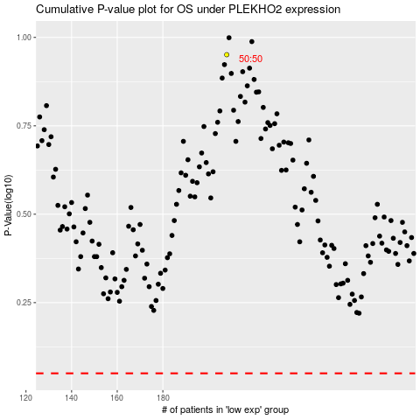

 |  |  |  |  |  | cases_OS | p_OS | rank | exp
 |  |  |  |  |  |  | cases_RFS | p_RFS | rank | exp

