PLIN1 _multivariate
Reported by Tex Li-Hsing Chi. tex@gate.sinica.edu.tw 2019-08-17

Table 2. The clinicopathological features of HNSCC cohort and PLIN1 expression. (Chi square test)
Cutoff at -0.137 (30.4%)
 |  | PLIN1 expression |  | PLIN1 expression |  | (Optimised)
 | Features | Low | (%) | High | (%) | Case no | P-value | Remark | Matthews
Gender | Female | 96 | 23.1 | 210 | 50.6 | 415 | 0.5292 | 0 | 0
2 | Male | 30 | 7.2 | 79 | 19
Age at diagnosis | <=65y | 85 | 20.5 | 189 | 45.5 | 415 | 0.7678 | 0 | 0
4 | >65y | 41 | 9.9 | 100 | 24.1
Clinical T Status | T1+T2 | 34 | 8.2 | 115 | 27.7 | 415 | 0.0169 | 1 | 0
6 | T3+T4 | 92 | 22.2 | 174 | 41.9
Clinical N Status | N0 | 65 | 15.7 | 151 | 36.4 | 415 | 0.9862 | 0 | 0
8 | N1-3 | 61 | 14.7 | 138 | 33.3
Clinical M Status | M0 | 126 | 30.4 | 286 | 68.9 | 415 | 0.5566 | 0 | 0
10 | M1 | 0 | 0 | 3 | 0.7
Clinical Stage | Stage I+II | 25 | 6 | 77 | 18.6 | 415 | 0.1751 | 0 | 0
12 | Stage III+IV | 101 | 24.3 | 212 | 51.1
Surgical Margin status | Negative | 105 | 25.3 | 213 | 51.3 | 415 | 0.0329 | 1 | 0
14 | Positive | 21 | 5.1 | 76 | 18.3
Tobacco Exposure | Low | 39 | 9.4 | 122 | 29.4 | 415 | 0.0372 | 1 | 0
16 | High | 87 | 21 | 167 | 40.2

Table 3. Univariate/Multivariate Cox's proportional hazards regression analyses on OS time of PLIN1 gene expression in HNSCC

 |  | Univariate |  |  |  | Multivariate
 | Features | HR | CI95%(L) | CI95%(H) | P-value | HR | CI95%(L) | CI95%(H) | P-value
1 | Female | 1 |  |  |  | 1
Gender | Male | 1.157 | 0.843 | 1.587 | 0.367 | 1.191 | 0.852 | 1.664 | 0.306
11 | <=65y | 1 |  |  |  | 1
Age at diagnosis | >65y | 1.329 | 0.99 | 1.784 | 0.058 | 1.376 | 1.013 | 1.87 | 0.041
12 | T1+T2 | 1 |  |  |  | 1
Clinical T Status | T3+T4 | 1.409 | 1.028 | 1.931 | 0.033 | 2.317 | 1.224 | 4.385 | 0.01
13 | N0 | 1 |  |  |  | 1
Clinical N Status | N1-3 | 1.185 | 0.89 | 1.577 | 0.246 | 1.241 | 0.87 | 1.771 | 0.234
14 | M0 | 1 |  |  |  | 1
Clinical M Status | M1 | 4.097 | 1.009 | 16.644 | 0.049 | 8.619 | 1.878 | 39.561 | 0.006
15 | Stage I+II | 1 |  |  |  | 1
Clinical Stage | Stage III+IV | 1.245 | 0.882 | 1.759 | 0.213 | 0.506 | 0.235 | 1.087 | 0.081
16 | Negative | 1 |  |  |  | 1
Surgical Margin status | Positive | 1.591 | 1.155 | 2.191 | 0.004 | 1.563 | 1.127 | 2.167 | 0.007
17 | Low | 1 |  |  |  | 1
Tobacco Exposure | High | 1.364 | 1.008 | 1.844 | 0.044 | 1.485 | 1.079 | 2.044 | 0.015
18 | Low | 1 |  |  |  | 1
RNAseq(z-score) | High | 1.486 | 1.075 | 2.055 | 0.017 | 1.5 | 1.074 | 2.096 | 0.017

Table 4. Univariate/Multivariate Cox's proportional hazards regression analyses on RFS time of PLIN1 gene expression in HNSCC

 |  | Univariate |  |  |  | Multivariate
 | Features | HR | CI95%(L) | CI95%(H) | P-value | HR | CI95%(L) | CI95%(H) | P-value
1 | Female | 1 |  |  |  | 1
Gender | Male | 1.157 | 0.843 | 1.587 | 0.367 | 1.191 | 0.852 | 1.664 | 0.306
11 | <=65y | 1 |  |  |  | 1
Age at diagnosis | >65y | 1.329 | 0.99 | 1.784 | 0.058 | 1.376 | 1.013 | 1.87 | 0.041
12 | T1+T2 | 1 |  |  |  | 1
Clinical T Status | T3+T4 | 1.409 | 1.028 | 1.931 | 0.033 | 2.317 | 1.224 | 4.385 | 0.01
13 | N0 | 1 |  |  |  | 1
Clinical N Status | N1-3 | 1.185 | 0.89 | 1.577 | 0.246 | 1.241 | 0.87 | 1.771 | 0.234
14 | M0 | 1 |  |  |  | 1
Clinical M Status | M1 | 4.097 | 1.009 | 16.644 | 0.049 | 8.619 | 1.878 | 39.561 | 0.006
15 | Stage I+II | 1 |  |  |  | 1
Clinical Stage | Stage III+IV | 1.245 | 0.882 | 1.759 | 0.213 | 0.506 | 0.235 | 1.087 | 0.081
16 | Negative | 1 |  |  |  | 1
Surgical Margin status | Positive | 1.591 | 1.155 | 2.191 | 0.004 | 1.563 | 1.127 | 2.167 | 0.007
17 | Low | 1 |  |  |  | 1
Tobacco Exposure | High | 1.364 | 1.008 | 1.844 | 0.044 | 1.485 | 1.079 | 2.044 | 0.015
18 | Low | 1 |  |  |  | 1
RNAseq(z-score) | High | 1.486 | 1.075 | 2.055 | 0.017 | 1.5 | 1.074 | 2.096 | 0.017

Kaplan-Meier survival estimate: Cutoff at -0.137 (30.4%)

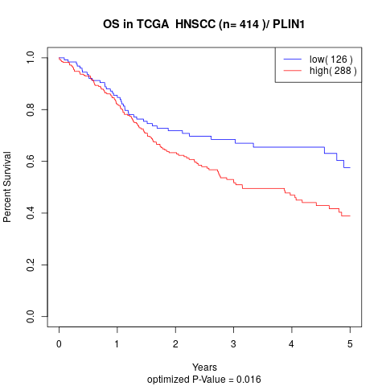

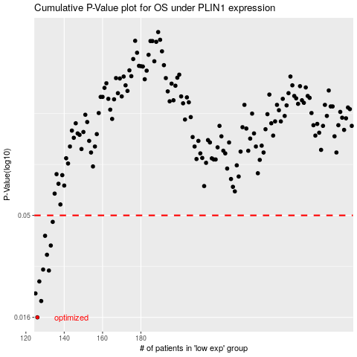

 |  |  |  |  |  | cases_OS | p_OS | rank | exp
 |  |  |  |  |  | 126 | 0.016 | 241 | -0.13671179712
 |  |  |  |  |  | 128 | 0.0192 | 79 | -0.13663941811
 |  |  |  |  |  | 125 | 0.0209 | 106 | -0.13671837703
 |  |  |  |  |  | 127 | 0.0239 | 30 | -0.13668109088
 |  |  |  |  |  | 132 | 0.027 | 390 | -0.13660761522
 |  |  |  |  |  | 129 | 0.0273 | 281 | -0.13662808605
 |  |  |  |  |  | 131 | 0.0322 | 157 | -0.13661017407
 |  |  |  |  |  | 133 | 0.0357 | 65 | -0.13658824104
 |  |  |  |  |  | 130 | 0.0398 | 139 | -0.13662114059
 |  |  |  |  |  | 134 | 0.0465 | 261 | -0.13647674812
 |  |  |  |  |  |  | cases_RFS | p_RFS | rank | exp
 |  |  |  |  |  |  | 125 | 0.016 | 106 | -0.13671837703
 |  |  |  |  |  |  | 127 | 0.0192 | 30 | -0.13668109088
 |  |  |  |  |  |  |  | 0.0209 | 182 | -0.13673628901
 |  |  |  |  |  |  | 126 | 0.0239 | 241 | -0.13671179712
 |  |  |  |  |  |  | 131 | 0.027 | 157 | -0.13661017407
 |  |  |  |  |  |  | 128 | 0.0273 | 79 | -0.13663941811
 |  |  |  |  |  |  | 130 | 0.0322 | 139 | -0.13662114059
 |  |  |  |  |  |  | 132 | 0.0357 | 390 | -0.13660761522
 |  |  |  |  |  |  | 129 | 0.0398 | 281 | -0.13662808605
 |  |  |  |  |  |  | 133 | 0.0465 | 65 | -0.13658824104

