PLIN3 _multivariate
Reported by Tex Li-Hsing Chi. tex@gate.sinica.edu.tw 2019-08-17

Table 2. The clinicopathological features of HNSCC cohort and PLIN3 expression. (Chi square test)
Cutoff at -0.162 (50.0%)
 |  | PLIN3 expression |  | PLIN3 expression |  | (Optimised)
 | Features | Low | (%) | High | (%) | Case no | P-value | Remark | Matthews
Gender | Female | 162 | 39 | 144 | 34.7 | 415 | 0.0479 | 1 | 0
2 | Male | 45 | 10.8 | 64 | 15.4
Age at diagnosis | <=65y | 133 | 32 | 141 | 34 | 415 | 0.5111 | 0 | 0
4 | >65y | 74 | 17.8 | 67 | 16.1
Clinical T Status | T1+T2 | 70 | 16.9 | 79 | 19 | 415 | 0.4343 | 0 | 0
6 | T3+T4 | 137 | 33 | 129 | 31.1
Clinical N Status | N0 | 108 | 26 | 108 | 26 | 415 | 1 | 0 | 0
8 | N1-3 | 99 | 23.9 | 100 | 24.1
Clinical M Status | M0 | 205 | 49.4 | 207 | 49.9 | 415 | 0.6232 | 0 | 0
10 | M1 | 2 | 0.5 | 1 | 0.2
Clinical Stage | Stage I+II | 44 | 10.6 | 58 | 14 | 415 | 0.1459 | 0 | 0
12 | Stage III+IV | 163 | 39.3 | 150 | 36.1
Surgical Margin status | Negative | 154 | 37.1 | 164 | 39.5 | 415 | 0.2984 | 0 | 0
14 | Positive | 53 | 12.8 | 44 | 10.6
Tobacco Exposure | Low | 61 | 14.7 | 100 | 24.1 | 415 | 1e-04 | 1 | 0
16 | High | 146 | 35.2 | 108 | 26

Table 3. Univariate/Multivariate Cox's proportional hazards regression analyses on OS time of PLIN3 gene expression in HNSCC

 |  | Univariate |  |  |  | Multivariate
 | Features | HR | CI95%(L) | CI95%(H) | P-value | HR | CI95%(L) | CI95%(H) | P-value
1 | Female | 1 |  |  |  | 1
Gender | Male | 1.157 | 0.843 | 1.587 | 0.367 | 1.189 | 0.848 | 1.668 | 0.315
11 | <=65y | 1 |  |  |  | 1
Age at diagnosis | >65y | 1.329 | 0.99 | 1.784 | 0.058 | 1.4 | 1.029 | 1.906 | 0.032
12 | T1+T2 | 1 |  |  |  | 1
Clinical T Status | T3+T4 | 1.409 | 1.028 | 1.931 | 0.033 | 2.186 | 1.155 | 4.138 | 0.016
13 | N0 | 1 |  |  |  | 1
Clinical N Status | N1-3 | 1.185 | 0.89 | 1.577 | 0.246 | 1.238 | 0.868 | 1.767 | 0.239
14 | M0 | 1 |  |  |  | 1
Clinical M Status | M1 | 4.097 | 1.009 | 16.644 | 0.049 | 9.369 | 2.044 | 42.947 | 0.004
15 | Stage I+II | 1 |  |  |  | 1
Clinical Stage | Stage III+IV | 1.245 | 0.882 | 1.759 | 0.213 | 0.512 | 0.238 | 1.103 | 0.087
16 | Negative | 1 |  |  |  | 1
Surgical Margin status | Positive | 1.591 | 1.155 | 2.191 | 0.004 | 1.677 | 1.213 | 2.317 | 0.002
17 | Low | 1 |  |  |  | 1
Tobacco Exposure | High | 1.364 | 1.008 | 1.844 | 0.044 | 1.468 | 1.061 | 2.03 | 0.02
18 | Low | 1 |  |  |  | 1
RNAseq(z-score) | High | 0.999 | 0.75 | 1.33 | 0.992 | 1.065 | 0.789 | 1.437 | 0.68

Table 4. Univariate/Multivariate Cox's proportional hazards regression analyses on RFS time of PLIN3 gene expression in HNSCC

 |  | Univariate |  |  |  | Multivariate
 | Features | HR | CI95%(L) | CI95%(H) | P-value | HR | CI95%(L) | CI95%(H) | P-value
1 | Female | 1 |  |  |  | 1
Gender | Male | 1.157 | 0.843 | 1.587 | 0.367 | 1.189 | 0.848 | 1.668 | 0.315
11 | <=65y | 1 |  |  |  | 1
Age at diagnosis | >65y | 1.329 | 0.99 | 1.784 | 0.058 | 1.4 | 1.029 | 1.906 | 0.032
12 | T1+T2 | 1 |  |  |  | 1
Clinical T Status | T3+T4 | 1.409 | 1.028 | 1.931 | 0.033 | 2.186 | 1.155 | 4.138 | 0.016
13 | N0 | 1 |  |  |  | 1
Clinical N Status | N1-3 | 1.185 | 0.89 | 1.577 | 0.246 | 1.238 | 0.868 | 1.767 | 0.239
14 | M0 | 1 |  |  |  | 1
Clinical M Status | M1 | 4.097 | 1.009 | 16.644 | 0.049 | 9.369 | 2.044 | 42.947 | 0.004
15 | Stage I+II | 1 |  |  |  | 1
Clinical Stage | Stage III+IV | 1.245 | 0.882 | 1.759 | 0.213 | 0.512 | 0.238 | 1.103 | 0.087
16 | Negative | 1 |  |  |  | 1
Surgical Margin status | Positive | 1.591 | 1.155 | 2.191 | 0.004 | 1.677 | 1.213 | 2.317 | 0.002
17 | Low | 1 |  |  |  | 1
Tobacco Exposure | High | 1.364 | 1.008 | 1.844 | 0.044 | 1.468 | 1.061 | 2.03 | 0.02
18 | Low | 1 |  |  |  | 1
RNAseq(z-score) | High | 0.999 | 0.75 | 1.33 | 0.992 | 1.065 | 0.789 | 1.437 | 0.68

Kaplan-Meier survival estimate: Cutoff at -0.162 (50.0%)



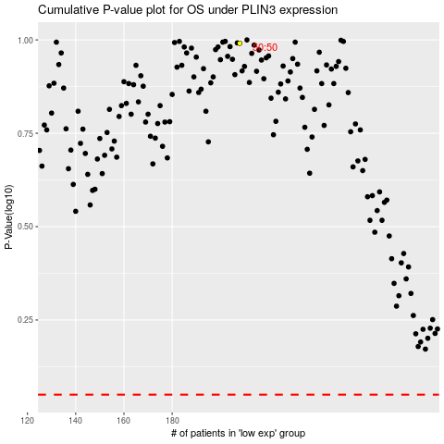

 |  |  |  |  |  | cases_OS | p_OS | rank | exp
 |  |  |  |  |  |  | cases_RFS | p_RFS | rank | exp

