PLK2 _multivariate
Reported by Tex Li-Hsing Chi. tex@gate.sinica.edu.tw 2019-08-17

Table 2. The clinicopathological features of HNSCC cohort and PLK2 expression. (Chi square test)
Cutoff at -0.177 (50.0%)
 |  | PLK2 expression |  | PLK2 expression |  | (Optimised)
 | Features | Low | (%) | High | (%) | Case no | P-value | Remark | Matthews
Gender | Female | 165 | 39.8 | 141 | 34 | 415 | 0.0081 | 1 | 0
2 | Male | 42 | 10.1 | 67 | 16.1
Age at diagnosis | <=65y | 146 | 35.2 | 128 | 30.8 | 415 | 0.0672 | 0 | 0
4 | >65y | 61 | 14.7 | 80 | 19.3
Clinical T Status | T1+T2 | 61 | 14.7 | 88 | 21.2 | 415 | 0.0087 | 1 | 0
6 | T3+T4 | 146 | 35.2 | 120 | 28.9
Clinical N Status | N0 | 93 | 22.4 | 123 | 29.6 | 415 | 0.0051 | 1 | 0
8 | N1-3 | 114 | 27.5 | 85 | 20.5
Clinical M Status | M0 | 207 | 49.9 | 205 | 49.4 | 415 | 0.2482 | 0 | 0
10 | M1 | 0 | 0 | 3 | 0.7
Clinical Stage | Stage I+II | 34 | 8.2 | 68 | 16.4 | 415 | 2e-04 | 1 | 0
12 | Stage III+IV | 173 | 41.7 | 140 | 33.7
Surgical Margin status | Negative | 159 | 38.3 | 159 | 38.3 | 415 | 1 | 0 | 0
14 | Positive | 48 | 11.6 | 49 | 11.8
Tobacco Exposure | Low | 57 | 13.7 | 104 | 25.1 | 415 | 0 | 1 | 0
16 | High | 150 | 36.1 | 104 | 25.1

Table 3. Univariate/Multivariate Cox's proportional hazards regression analyses on OS time of PLK2 gene expression in HNSCC

 |  | Univariate |  |  |  | Multivariate
 | Features | HR | CI95%(L) | CI95%(H) | P-value | HR | CI95%(L) | CI95%(H) | P-value
1 | Female | 1 |  |  |  | 1
Gender | Male | 1.157 | 0.843 | 1.587 | 0.367 | 1.201 | 0.859 | 1.679 | 0.285
11 | <=65y | 1 |  |  |  | 1
Age at diagnosis | >65y | 1.329 | 0.99 | 1.784 | 0.058 | 1.391 | 1.023 | 1.892 | 0.035
12 | T1+T2 | 1 |  |  |  | 1
Clinical T Status | T3+T4 | 1.409 | 1.028 | 1.931 | 0.033 | 2.2 | 1.163 | 4.164 | 0.015
13 | N0 | 1 |  |  |  | 1
Clinical N Status | N1-3 | 1.185 | 0.89 | 1.577 | 0.246 | 1.241 | 0.87 | 1.772 | 0.234
14 | M0 | 1 |  |  |  | 1
Clinical M Status | M1 | 4.097 | 1.009 | 16.644 | 0.049 | 9.351 | 2.01 | 43.511 | 0.004
15 | Stage I+II | 1 |  |  |  | 1
Clinical Stage | Stage III+IV | 1.245 | 0.882 | 1.759 | 0.213 | 0.506 | 0.234 | 1.091 | 0.082
16 | Negative | 1 |  |  |  | 1
Surgical Margin status | Positive | 1.591 | 1.155 | 2.191 | 0.004 | 1.67 | 1.208 | 2.31 | 0.002
17 | Low | 1 |  |  |  | 1
Tobacco Exposure | High | 1.364 | 1.008 | 1.844 | 0.044 | 1.456 | 1.049 | 2.021 | 0.025
18 | Low | 1 |  |  |  | 1
RNAseq(z-score) | High | 1.002 | 0.751 | 1.338 | 0.988 | 1.009 | 0.739 | 1.377 | 0.957

Table 4. Univariate/Multivariate Cox's proportional hazards regression analyses on RFS time of PLK2 gene expression in HNSCC

 |  | Univariate |  |  |  | Multivariate
 | Features | HR | CI95%(L) | CI95%(H) | P-value | HR | CI95%(L) | CI95%(H) | P-value
1 | Female | 1 |  |  |  | 1
Gender | Male | 1.157 | 0.843 | 1.587 | 0.367 | 1.201 | 0.859 | 1.679 | 0.285
11 | <=65y | 1 |  |  |  | 1
Age at diagnosis | >65y | 1.329 | 0.99 | 1.784 | 0.058 | 1.391 | 1.023 | 1.892 | 0.035
12 | T1+T2 | 1 |  |  |  | 1
Clinical T Status | T3+T4 | 1.409 | 1.028 | 1.931 | 0.033 | 2.2 | 1.163 | 4.164 | 0.015
13 | N0 | 1 |  |  |  | 1
Clinical N Status | N1-3 | 1.185 | 0.89 | 1.577 | 0.246 | 1.241 | 0.87 | 1.772 | 0.234
14 | M0 | 1 |  |  |  | 1
Clinical M Status | M1 | 4.097 | 1.009 | 16.644 | 0.049 | 9.351 | 2.01 | 43.511 | 0.004
15 | Stage I+II | 1 |  |  |  | 1
Clinical Stage | Stage III+IV | 1.245 | 0.882 | 1.759 | 0.213 | 0.506 | 0.234 | 1.091 | 0.082
16 | Negative | 1 |  |  |  | 1
Surgical Margin status | Positive | 1.591 | 1.155 | 2.191 | 0.004 | 1.67 | 1.208 | 2.31 | 0.002
17 | Low | 1 |  |  |  | 1
Tobacco Exposure | High | 1.364 | 1.008 | 1.844 | 0.044 | 1.456 | 1.049 | 2.021 | 0.025
18 | Low | 1 |  |  |  | 1
RNAseq(z-score) | High | 1.002 | 0.751 | 1.338 | 0.988 | 1.009 | 0.739 | 1.377 | 0.957

Kaplan-Meier survival estimate: Cutoff at -0.177 (50.0%)



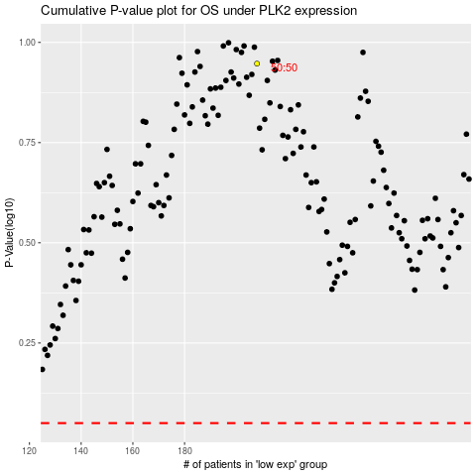

 |  |  |  |  |  | cases_OS | p_OS | rank | exp
 |  |  |  |  |  |  | cases_RFS | p_RFS | rank | exp

