PLLP _multivariate
Reported by Tex Li-Hsing Chi. tex@gate.sinica.edu.tw 2019-08-17

Table 2. The clinicopathological features of HNSCC cohort and PLLP expression. (Chi square test)
Cutoff at -0.389 (49.8%)
 |  | PLLP expression |  | PLLP expression |  | (Optimised)
 | Features | Low | (%) | High | (%) | Case no | P-value | Remark | Matthews
Gender | Female | 139 | 33.5 | 167 | 40.2 | 415 | 0.0034 | 1 | 0
2 | Male | 68 | 16.4 | 41 | 9.9
Age at diagnosis | <=65y | 121 | 29.2 | 153 | 36.9 | 415 | 0.0017 | 1 | 0
4 | >65y | 86 | 20.7 | 55 | 13.3
Clinical T Status | T1+T2 | 72 | 17.3 | 77 | 18.6 | 415 | 0.7095 | 0 | 0
6 | T3+T4 | 135 | 32.5 | 131 | 31.6
Clinical N Status | N0 | 120 | 28.9 | 96 | 23.1 | 415 | 0.0208 | 1 | 0
8 | N1-3 | 87 | 21 | 112 | 27
Clinical M Status | M0 | 206 | 49.6 | 206 | 49.6 | 415 | 1 | 0 | 0
10 | M1 | 1 | 0.2 | 2 | 0.5
Clinical Stage | Stage I+II | 54 | 13 | 48 | 11.6 | 415 | 0.5498 | 0 | 0
12 | Stage III+IV | 153 | 36.9 | 160 | 38.6
Surgical Margin status | Negative | 161 | 38.8 | 157 | 37.8 | 415 | 0.6429 | 0 | 0
14 | Positive | 46 | 11.1 | 51 | 12.3
Tobacco Exposure | Low | 100 | 24.1 | 61 | 14.7 | 415 | 1e-04 | 1 | 0
16 | High | 107 | 25.8 | 147 | 35.4

Table 3. Univariate/Multivariate Cox's proportional hazards regression analyses on OS time of PLLP gene expression in HNSCC

 |  | Univariate |  |  |  | Multivariate
 | Features | HR | CI95%(L) | CI95%(H) | P-value | HR | CI95%(L) | CI95%(H) | P-value
1 | Female | 1 |  |  |  | 1
Gender | Male | 1.157 | 0.843 | 1.587 | 0.367 | 1.197 | 0.856 | 1.676 | 0.293
11 | <=65y | 1 |  |  |  | 1
Age at diagnosis | >65y | 1.329 | 0.99 | 1.784 | 0.058 | 1.384 | 1.014 | 1.89 | 0.04
12 | T1+T2 | 1 |  |  |  | 1
Clinical T Status | T3+T4 | 1.409 | 1.028 | 1.931 | 0.033 | 2.194 | 1.159 | 4.152 | 0.016
13 | N0 | 1 |  |  |  | 1
Clinical N Status | N1-3 | 1.185 | 0.89 | 1.577 | 0.246 | 1.247 | 0.871 | 1.783 | 0.227
14 | M0 | 1 |  |  |  | 1
Clinical M Status | M1 | 4.097 | 1.009 | 16.644 | 0.049 | 9.43 | 2.057 | 43.231 | 0.004
15 | Stage I+II | 1 |  |  |  | 1
Clinical Stage | Stage III+IV | 1.245 | 0.882 | 1.759 | 0.213 | 0.507 | 0.236 | 1.088 | 0.081
16 | Negative | 1 |  |  |  | 1
Surgical Margin status | Positive | 1.591 | 1.155 | 2.191 | 0.004 | 1.671 | 1.209 | 2.309 | 0.002
17 | Low | 1 |  |  |  | 1
Tobacco Exposure | High | 1.364 | 1.008 | 1.844 | 0.044 | 1.462 | 1.056 | 2.025 | 0.022
18 | Low | 1 |  |  |  | 1
RNAseq(z-score) | High | 0.986 | 0.738 | 1.316 | 0.922 | 0.967 | 0.709 | 1.319 | 0.834

Table 4. Univariate/Multivariate Cox's proportional hazards regression analyses on RFS time of PLLP gene expression in HNSCC

 |  | Univariate |  |  |  | Multivariate
 | Features | HR | CI95%(L) | CI95%(H) | P-value | HR | CI95%(L) | CI95%(H) | P-value
1 | Female | 1 |  |  |  | 1
Gender | Male | 1.157 | 0.843 | 1.587 | 0.367 | 1.197 | 0.856 | 1.676 | 0.293
11 | <=65y | 1 |  |  |  | 1
Age at diagnosis | >65y | 1.329 | 0.99 | 1.784 | 0.058 | 1.384 | 1.014 | 1.89 | 0.04
12 | T1+T2 | 1 |  |  |  | 1
Clinical T Status | T3+T4 | 1.409 | 1.028 | 1.931 | 0.033 | 2.194 | 1.159 | 4.152 | 0.016
13 | N0 | 1 |  |  |  | 1
Clinical N Status | N1-3 | 1.185 | 0.89 | 1.577 | 0.246 | 1.247 | 0.871 | 1.783 | 0.227
14 | M0 | 1 |  |  |  | 1
Clinical M Status | M1 | 4.097 | 1.009 | 16.644 | 0.049 | 9.43 | 2.057 | 43.231 | 0.004
15 | Stage I+II | 1 |  |  |  | 1
Clinical Stage | Stage III+IV | 1.245 | 0.882 | 1.759 | 0.213 | 0.507 | 0.236 | 1.088 | 0.081
16 | Negative | 1 |  |  |  | 1
Surgical Margin status | Positive | 1.591 | 1.155 | 2.191 | 0.004 | 1.671 | 1.209 | 2.309 | 0.002
17 | Low | 1 |  |  |  | 1
Tobacco Exposure | High | 1.364 | 1.008 | 1.844 | 0.044 | 1.462 | 1.056 | 2.025 | 0.022
18 | Low | 1 |  |  |  | 1
RNAseq(z-score) | High | 0.986 | 0.738 | 1.316 | 0.922 | 0.967 | 0.709 | 1.319 | 0.834

Kaplan-Meier survival estimate: Cutoff at -0.389 (49.8%)



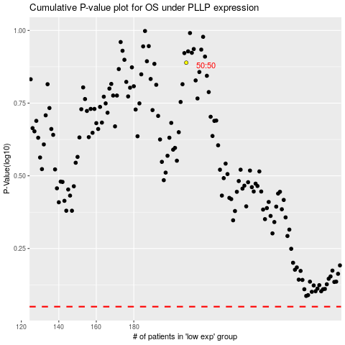

 |  |  |  |  |  | cases_OS | p_OS | rank | exp
 |  |  |  |  |  |  | cases_RFS | p_RFS | rank | exp

