PLN _multivariate
Reported by Tex Li-Hsing Chi. tex@gate.sinica.edu.tw 2019-08-17

Table 2. The clinicopathological features of HNSCC cohort and PLN expression. (Chi square test)
Cutoff at -0.208 (50.0%)
 |  | PLN expression |  | PLN expression |  | (Optimised)
 | Features | Low | (%) | High | (%) | Case no | P-value | Remark | Matthews
Gender | Female | 155 | 37.3 | 151 | 36.4 | 415 | 0.6768 | 0 | 0
2 | Male | 52 | 12.5 | 57 | 13.7
Age at diagnosis | <=65y | 133 | 32 | 141 | 34 | 415 | 0.5111 | 0 | 0
4 | >65y | 74 | 17.8 | 67 | 16.1
Clinical T Status | T1+T2 | 62 | 14.9 | 87 | 21 | 415 | 0.0156 | 1 | 0
6 | T3+T4 | 145 | 34.9 | 121 | 29.2
Clinical N Status | N0 | 112 | 27 | 104 | 25.1 | 415 | 0.4599 | 0 | 0
8 | N1-3 | 95 | 22.9 | 104 | 25.1
Clinical M Status | M0 | 205 | 49.4 | 207 | 49.9 | 415 | 0.6232 | 0 | 0
10 | M1 | 2 | 0.5 | 1 | 0.2
Clinical Stage | Stage I+II | 42 | 10.1 | 60 | 14.5 | 415 | 0.0561 | 0 | 0
12 | Stage III+IV | 165 | 39.8 | 148 | 35.7
Surgical Margin status | Negative | 157 | 37.8 | 161 | 38.8 | 415 | 0.729 | 0 | 0
14 | Positive | 50 | 12 | 47 | 11.3
Tobacco Exposure | Low | 84 | 20.2 | 77 | 18.6 | 415 | 0.4816 | 0 | 0
16 | High | 123 | 29.6 | 131 | 31.6

Table 3. Univariate/Multivariate Cox's proportional hazards regression analyses on OS time of PLN gene expression in HNSCC

 |  | Univariate |  |  |  | Multivariate
 | Features | HR | CI95%(L) | CI95%(H) | P-value | HR | CI95%(L) | CI95%(H) | P-value
1 | Female | 1 |  |  |  | 1
Gender | Male | 1.157 | 0.843 | 1.587 | 0.367 | 1.199 | 0.859 | 1.675 | 0.285
11 | <=65y | 1 |  |  |  | 1
Age at diagnosis | >65y | 1.329 | 0.99 | 1.784 | 0.058 | 1.418 | 1.042 | 1.931 | 0.027
12 | T1+T2 | 1 |  |  |  | 1
Clinical T Status | T3+T4 | 1.409 | 1.028 | 1.931 | 0.033 | 2.241 | 1.184 | 4.24 | 0.013
13 | N0 | 1 |  |  |  | 1
Clinical N Status | N1-3 | 1.185 | 0.89 | 1.577 | 0.246 | 1.215 | 0.85 | 1.737 | 0.284
14 | M0 | 1 |  |  |  | 1
Clinical M Status | M1 | 4.097 | 1.009 | 16.644 | 0.049 | 9.703 | 2.115 | 44.514 | 0.003
15 | Stage I+II | 1 |  |  |  | 1
Clinical Stage | Stage III+IV | 1.245 | 0.882 | 1.759 | 0.213 | 0.518 | 0.241 | 1.113 | 0.092
16 | Negative | 1 |  |  |  | 1
Surgical Margin status | Positive | 1.591 | 1.155 | 2.191 | 0.004 | 1.676 | 1.213 | 2.316 | 0.002
17 | Low | 1 |  |  |  | 1
Tobacco Exposure | High | 1.364 | 1.008 | 1.844 | 0.044 | 1.439 | 1.045 | 1.982 | 0.026
18 | Low | 1 |  |  |  | 1
RNAseq(z-score) | High | 1.156 | 0.868 | 1.54 | 0.322 | 1.224 | 0.914 | 1.64 | 0.176

Table 4. Univariate/Multivariate Cox's proportional hazards regression analyses on RFS time of PLN gene expression in HNSCC

 |  | Univariate |  |  |  | Multivariate
 | Features | HR | CI95%(L) | CI95%(H) | P-value | HR | CI95%(L) | CI95%(H) | P-value
1 | Female | 1 |  |  |  | 1
Gender | Male | 1.157 | 0.843 | 1.587 | 0.367 | 1.199 | 0.859 | 1.675 | 0.285
11 | <=65y | 1 |  |  |  | 1
Age at diagnosis | >65y | 1.329 | 0.99 | 1.784 | 0.058 | 1.418 | 1.042 | 1.931 | 0.027
12 | T1+T2 | 1 |  |  |  | 1
Clinical T Status | T3+T4 | 1.409 | 1.028 | 1.931 | 0.033 | 2.241 | 1.184 | 4.24 | 0.013
13 | N0 | 1 |  |  |  | 1
Clinical N Status | N1-3 | 1.185 | 0.89 | 1.577 | 0.246 | 1.215 | 0.85 | 1.737 | 0.284
14 | M0 | 1 |  |  |  | 1
Clinical M Status | M1 | 4.097 | 1.009 | 16.644 | 0.049 | 9.703 | 2.115 | 44.514 | 0.003
15 | Stage I+II | 1 |  |  |  | 1
Clinical Stage | Stage III+IV | 1.245 | 0.882 | 1.759 | 0.213 | 0.518 | 0.241 | 1.113 | 0.092
16 | Negative | 1 |  |  |  | 1
Surgical Margin status | Positive | 1.591 | 1.155 | 2.191 | 0.004 | 1.676 | 1.213 | 2.316 | 0.002
17 | Low | 1 |  |  |  | 1
Tobacco Exposure | High | 1.364 | 1.008 | 1.844 | 0.044 | 1.439 | 1.045 | 1.982 | 0.026
18 | Low | 1 |  |  |  | 1
RNAseq(z-score) | High | 1.156 | 0.868 | 1.54 | 0.322 | 1.224 | 0.914 | 1.64 | 0.176

Kaplan-Meier survival estimate: Cutoff at -0.208 (50.0%)

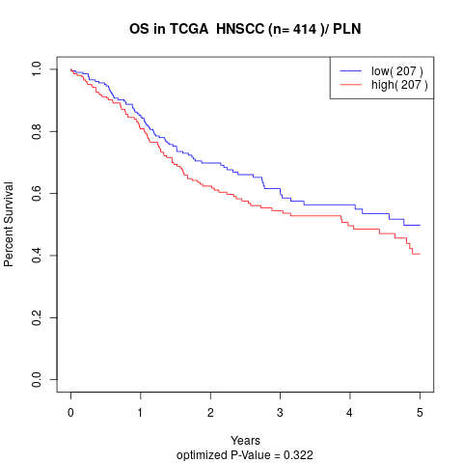

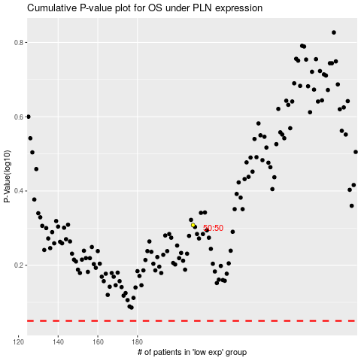

 |  |  |  |  |  | cases_OS | p_OS | rank | exp
 |  |  |  |  |  |  | cases_RFS | p_RFS | rank | exp

