PLP2 _multivariate
Reported by Tex Li-Hsing Chi. tex@gate.sinica.edu.tw 2019-08-17

Table 2. The clinicopathological features of HNSCC cohort and PLP2 expression. (Chi square test)
Cutoff at -0.171 (50.0%)
 |  | PLP2 expression |  | PLP2 expression |  | (Optimised)
 | Features | Low | (%) | High | (%) | Case no | P-value | Remark | Matthews
Gender | Female | 164 | 39.5 | 142 | 34.2 | 415 | 0.0153 | 1 | 0
2 | Male | 43 | 10.4 | 66 | 15.9
Age at diagnosis | <=65y | 140 | 33.7 | 134 | 32.3 | 415 | 0.5574 | 0 | 0
4 | >65y | 67 | 16.1 | 74 | 17.8
Clinical T Status | T1+T2 | 63 | 15.2 | 86 | 20.7 | 415 | 0.0268 | 1 | 0
6 | T3+T4 | 144 | 34.7 | 122 | 29.4
Clinical N Status | N0 | 97 | 23.4 | 119 | 28.7 | 415 | 0.0442 | 1 | 0
8 | N1-3 | 110 | 26.5 | 89 | 21.4
Clinical M Status | M0 | 207 | 49.9 | 205 | 49.4 | 415 | 0.2482 | 0 | 0
10 | M1 | 0 | 0 | 3 | 0.7
Clinical Stage | Stage I+II | 36 | 8.7 | 66 | 15.9 | 415 | 0.001 | 1 | 0
12 | Stage III+IV | 171 | 41.2 | 142 | 34.2
Surgical Margin status | Negative | 162 | 39 | 156 | 37.6 | 415 | 0.4867 | 0 | 0
14 | Positive | 45 | 10.8 | 52 | 12.5
Tobacco Exposure | Low | 70 | 16.9 | 91 | 21.9 | 415 | 0.0439 | 1 | 0
16 | High | 137 | 33 | 117 | 28.2

Table 3. Univariate/Multivariate Cox's proportional hazards regression analyses on OS time of PLP2 gene expression in HNSCC

 |  | Univariate |  |  |  | Multivariate
 | Features | HR | CI95%(L) | CI95%(H) | P-value | HR | CI95%(L) | CI95%(H) | P-value
1 | Female | 1 |  |  |  | 1
Gender | Male | 1.157 | 0.843 | 1.587 | 0.367 | 1.211 | 0.864 | 1.697 | 0.267
11 | <=65y | 1 |  |  |  | 1
Age at diagnosis | >65y | 1.329 | 0.99 | 1.784 | 0.058 | 1.391 | 1.023 | 1.891 | 0.035
12 | T1+T2 | 1 |  |  |  | 1
Clinical T Status | T3+T4 | 1.409 | 1.028 | 1.931 | 0.033 | 2.222 | 1.173 | 4.21 | 0.014
13 | N0 | 1 |  |  |  | 1
Clinical N Status | N1-3 | 1.185 | 0.89 | 1.577 | 0.246 | 1.241 | 0.87 | 1.77 | 0.234
14 | M0 | 1 |  |  |  | 1
Clinical M Status | M1 | 4.097 | 1.009 | 16.644 | 0.049 | 9.767 | 2.094 | 45.552 | 0.004
15 | Stage I+II | 1 |  |  |  | 1
Clinical Stage | Stage III+IV | 1.245 | 0.882 | 1.759 | 0.213 | 0.496 | 0.229 | 1.072 | 0.075
16 | Negative | 1 |  |  |  | 1
Surgical Margin status | Positive | 1.591 | 1.155 | 2.191 | 0.004 | 1.678 | 1.213 | 2.322 | 0.002
17 | Low | 1 |  |  |  | 1
Tobacco Exposure | High | 1.364 | 1.008 | 1.844 | 0.044 | 1.453 | 1.055 | 2.002 | 0.022
18 | Low | 1 |  |  |  | 1
RNAseq(z-score) | High | 1.007 | 0.756 | 1.342 | 0.961 | 0.952 | 0.706 | 1.284 | 0.746

Table 4. Univariate/Multivariate Cox's proportional hazards regression analyses on RFS time of PLP2 gene expression in HNSCC

 |  | Univariate |  |  |  | Multivariate
 | Features | HR | CI95%(L) | CI95%(H) | P-value | HR | CI95%(L) | CI95%(H) | P-value
1 | Female | 1 |  |  |  | 1
Gender | Male | 1.157 | 0.843 | 1.587 | 0.367 | 1.211 | 0.864 | 1.697 | 0.267
11 | <=65y | 1 |  |  |  | 1
Age at diagnosis | >65y | 1.329 | 0.99 | 1.784 | 0.058 | 1.391 | 1.023 | 1.891 | 0.035
12 | T1+T2 | 1 |  |  |  | 1
Clinical T Status | T3+T4 | 1.409 | 1.028 | 1.931 | 0.033 | 2.222 | 1.173 | 4.21 | 0.014
13 | N0 | 1 |  |  |  | 1
Clinical N Status | N1-3 | 1.185 | 0.89 | 1.577 | 0.246 | 1.241 | 0.87 | 1.77 | 0.234
14 | M0 | 1 |  |  |  | 1
Clinical M Status | M1 | 4.097 | 1.009 | 16.644 | 0.049 | 9.767 | 2.094 | 45.552 | 0.004
15 | Stage I+II | 1 |  |  |  | 1
Clinical Stage | Stage III+IV | 1.245 | 0.882 | 1.759 | 0.213 | 0.496 | 0.229 | 1.072 | 0.075
16 | Negative | 1 |  |  |  | 1
Surgical Margin status | Positive | 1.591 | 1.155 | 2.191 | 0.004 | 1.678 | 1.213 | 2.322 | 0.002
17 | Low | 1 |  |  |  | 1
Tobacco Exposure | High | 1.364 | 1.008 | 1.844 | 0.044 | 1.453 | 1.055 | 2.002 | 0.022
18 | Low | 1 |  |  |  | 1
RNAseq(z-score) | High | 1.007 | 0.756 | 1.342 | 0.961 | 0.952 | 0.706 | 1.284 | 0.746

Kaplan-Meier survival estimate: Cutoff at -0.171 (50.0%)



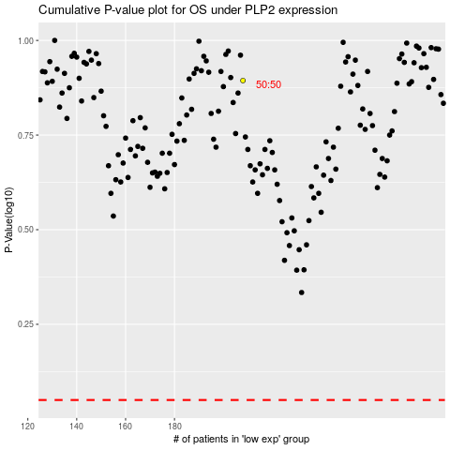

 |  |  |  |  |  | cases_OS | p_OS | rank | exp
 |  |  |  |  |  |  | cases_RFS | p_RFS | rank | exp

