PLSCR1 _multivariate
Reported by Tex Li-Hsing Chi. tex@gate.sinica.edu.tw 2019-08-17

Table 2. The clinicopathological features of HNSCC cohort and PLSCR1 expression. (Chi square test)
Cutoff at -0.16 (50.0%)
 |  | PLSCR1 expression |  | PLSCR1 expression |  | (Optimised)
 | Features | Low | (%) | High | (%) | Case no | P-value | Remark | Matthews
Gender | Female | 156 | 37.6 | 150 | 36.1 | 415 | 0.5222 | 0 | 0
2 | Male | 51 | 12.3 | 58 | 14
Age at diagnosis | <=65y | 130 | 31.3 | 144 | 34.7 | 415 | 0.2009 | 0 | 0
4 | >65y | 77 | 18.6 | 64 | 15.4
Clinical T Status | T1+T2 | 74 | 17.8 | 75 | 18.1 | 415 | 1 | 0 | 0
6 | T3+T4 | 133 | 32 | 133 | 32
Clinical N Status | N0 | 117 | 28.2 | 99 | 23.9 | 415 | 0.0852 | 1 | 0
8 | N1-3 | 90 | 21.7 | 109 | 26.3
Clinical M Status | M0 | 206 | 49.6 | 206 | 49.6 | 415 | 1 | 0 | 0
10 | M1 | 1 | 0.2 | 2 | 0.5
Clinical Stage | Stage I+II | 52 | 12.5 | 50 | 12 | 415 | 0.8871 | 0 | 0
12 | Stage III+IV | 155 | 37.3 | 158 | 38.1
Surgical Margin status | Negative | 161 | 38.8 | 157 | 37.8 | 415 | 0.6429 | 0 | 0
14 | Positive | 46 | 11.1 | 51 | 12.3
Tobacco Exposure | Low | 76 | 18.3 | 85 | 20.5 | 415 | 0.4207 | 0 | 0
16 | High | 131 | 31.6 | 123 | 29.6

Table 3. Univariate/Multivariate Cox's proportional hazards regression analyses on OS time of PLSCR1 gene expression in HNSCC

 |  | Univariate |  |  |  | Multivariate
 | Features | HR | CI95%(L) | CI95%(H) | P-value | HR | CI95%(L) | CI95%(H) | P-value
1 | Female | 1 |  |  |  | 1
Gender | Male | 1.157 | 0.843 | 1.587 | 0.367 | 1.184 | 0.847 | 1.654 | 0.323
11 | <=65y | 1 |  |  |  | 1
Age at diagnosis | >65y | 1.329 | 0.99 | 1.784 | 0.058 | 1.414 | 1.039 | 1.925 | 0.027
12 | T1+T2 | 1 |  |  |  | 1
Clinical T Status | T3+T4 | 1.409 | 1.028 | 1.931 | 0.033 | 2.167 | 1.145 | 4.104 | 0.018
13 | N0 | 1 |  |  |  | 1
Clinical N Status | N1-3 | 1.185 | 0.89 | 1.577 | 0.246 | 1.212 | 0.848 | 1.731 | 0.291
14 | M0 | 1 |  |  |  | 1
Clinical M Status | M1 | 4.097 | 1.009 | 16.644 | 0.049 | 9.033 | 1.969 | 41.438 | 0.005
15 | Stage I+II | 1 |  |  |  | 1
Clinical Stage | Stage III+IV | 1.245 | 0.882 | 1.759 | 0.213 | 0.528 | 0.245 | 1.135 | 0.102
16 | Negative | 1 |  |  |  | 1
Surgical Margin status | Positive | 1.591 | 1.155 | 2.191 | 0.004 | 1.657 | 1.199 | 2.291 | 0.002
17 | Low | 1 |  |  |  | 1
Tobacco Exposure | High | 1.364 | 1.008 | 1.844 | 0.044 | 1.462 | 1.061 | 2.014 | 0.02
18 | Low | 1 |  |  |  | 1
RNAseq(z-score) | High | 1.277 | 0.958 | 1.703 | 0.095 | 1.278 | 0.955 | 1.71 | 0.099

Table 4. Univariate/Multivariate Cox's proportional hazards regression analyses on RFS time of PLSCR1 gene expression in HNSCC

 |  | Univariate |  |  |  | Multivariate
 | Features | HR | CI95%(L) | CI95%(H) | P-value | HR | CI95%(L) | CI95%(H) | P-value
1 | Female | 1 |  |  |  | 1
Gender | Male | 1.157 | 0.843 | 1.587 | 0.367 | 1.184 | 0.847 | 1.654 | 0.323
11 | <=65y | 1 |  |  |  | 1
Age at diagnosis | >65y | 1.329 | 0.99 | 1.784 | 0.058 | 1.414 | 1.039 | 1.925 | 0.027
12 | T1+T2 | 1 |  |  |  | 1
Clinical T Status | T3+T4 | 1.409 | 1.028 | 1.931 | 0.033 | 2.167 | 1.145 | 4.104 | 0.018
13 | N0 | 1 |  |  |  | 1
Clinical N Status | N1-3 | 1.185 | 0.89 | 1.577 | 0.246 | 1.212 | 0.848 | 1.731 | 0.291
14 | M0 | 1 |  |  |  | 1
Clinical M Status | M1 | 4.097 | 1.009 | 16.644 | 0.049 | 9.033 | 1.969 | 41.438 | 0.005
15 | Stage I+II | 1 |  |  |  | 1
Clinical Stage | Stage III+IV | 1.245 | 0.882 | 1.759 | 0.213 | 0.528 | 0.245 | 1.135 | 0.102
16 | Negative | 1 |  |  |  | 1
Surgical Margin status | Positive | 1.591 | 1.155 | 2.191 | 0.004 | 1.657 | 1.199 | 2.291 | 0.002
17 | Low | 1 |  |  |  | 1
Tobacco Exposure | High | 1.364 | 1.008 | 1.844 | 0.044 | 1.462 | 1.061 | 2.014 | 0.02
18 | Low | 1 |  |  |  | 1
RNAseq(z-score) | High | 1.277 | 0.958 | 1.703 | 0.095 | 1.278 | 0.955 | 1.71 | 0.099

Kaplan-Meier survival estimate: Cutoff at -0.16 (50.0%)



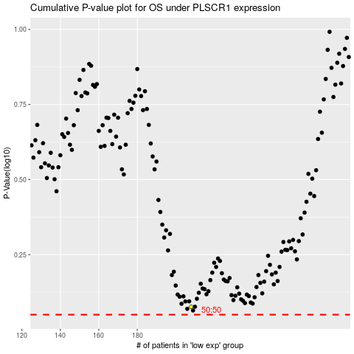

 |  |  |  |  |  | cases_OS | p_OS | rank | exp
 |  |  |  |  |  |  | cases_RFS | p_RFS | rank | exp

