PLSCR3 _multivariate
Reported by Tex Li-Hsing Chi. tex@gate.sinica.edu.tw 2019-08-17

Table 2. The clinicopathological features of HNSCC cohort and PLSCR3 expression. (Chi square test)
Cutoff at -0.122 (50.0%)
 |  | PLSCR3 expression |  | PLSCR3 expression |  | (Optimised)
 | Features | Low | (%) | High | (%) | Case no | P-value | Remark | Matthews
Gender | Female | 160 | 38.6 | 146 | 35.2 | 415 | 0.1254 | 0 | 0
2 | Male | 47 | 11.3 | 62 | 14.9
Age at diagnosis | <=65y | 142 | 34.2 | 132 | 31.8 | 415 | 0.3167 | 0 | 0
4 | >65y | 65 | 15.7 | 76 | 18.3
Clinical T Status | T1+T2 | 78 | 18.8 | 71 | 17.1 | 415 | 0.5152 | 0 | 0
6 | T3+T4 | 129 | 31.1 | 137 | 33
Clinical N Status | N0 | 103 | 24.8 | 113 | 27.2 | 415 | 0.4047 | 0 | 0
8 | N1-3 | 104 | 25.1 | 95 | 22.9
Clinical M Status | M0 | 206 | 49.6 | 206 | 49.6 | 415 | 1 | 0 | 0
10 | M1 | 1 | 0.2 | 2 | 0.5
Clinical Stage | Stage I+II | 49 | 11.8 | 53 | 12.8 | 415 | 0.7535 | 0 | 0
12 | Stage III+IV | 158 | 38.1 | 155 | 37.3
Surgical Margin status | Negative | 153 | 36.9 | 165 | 39.8 | 415 | 0.2036 | 0 | 0
14 | Positive | 54 | 13 | 43 | 10.4
Tobacco Exposure | Low | 66 | 15.9 | 95 | 22.9 | 415 | 0.0048 | 1 | 0
16 | High | 141 | 34 | 113 | 27.2

Table 3. Univariate/Multivariate Cox's proportional hazards regression analyses on OS time of PLSCR3 gene expression in HNSCC

 |  | Univariate |  |  |  | Multivariate
 | Features | HR | CI95%(L) | CI95%(H) | P-value | HR | CI95%(L) | CI95%(H) | P-value
1 | Female | 1 |  |  |  | 1
Gender | Male | 1.157 | 0.843 | 1.587 | 0.367 | 1.204 | 0.862 | 1.683 | 0.277
11 | <=65y | 1 |  |  |  | 1
Age at diagnosis | >65y | 1.329 | 0.99 | 1.784 | 0.058 | 1.391 | 1.023 | 1.891 | 0.035
12 | T1+T2 | 1 |  |  |  | 1
Clinical T Status | T3+T4 | 1.409 | 1.028 | 1.931 | 0.033 | 2.21 | 1.168 | 4.183 | 0.015
13 | N0 | 1 |  |  |  | 1
Clinical N Status | N1-3 | 1.185 | 0.89 | 1.577 | 0.246 | 1.237 | 0.866 | 1.768 | 0.242
14 | M0 | 1 |  |  |  | 1
Clinical M Status | M1 | 4.097 | 1.009 | 16.644 | 0.049 | 9.537 | 2.068 | 43.988 | 0.004
15 | Stage I+II | 1 |  |  |  | 1
Clinical Stage | Stage III+IV | 1.245 | 0.882 | 1.759 | 0.213 | 0.502 | 0.234 | 1.08 | 0.078
16 | Negative | 1 |  |  |  | 1
Surgical Margin status | Positive | 1.591 | 1.155 | 2.191 | 0.004 | 1.668 | 1.206 | 2.307 | 0.002
17 | Low | 1 |  |  |  | 1
Tobacco Exposure | High | 1.364 | 1.008 | 1.844 | 0.044 | 1.449 | 1.051 | 1.999 | 0.024
18 | Low | 1 |  |  |  | 1
RNAseq(z-score) | High | 0.953 | 0.716 | 1.269 | 0.741 | 0.971 | 0.724 | 1.302 | 0.844

Table 4. Univariate/Multivariate Cox's proportional hazards regression analyses on RFS time of PLSCR3 gene expression in HNSCC

 |  | Univariate |  |  |  | Multivariate
 | Features | HR | CI95%(L) | CI95%(H) | P-value | HR | CI95%(L) | CI95%(H) | P-value
1 | Female | 1 |  |  |  | 1
Gender | Male | 1.157 | 0.843 | 1.587 | 0.367 | 1.204 | 0.862 | 1.683 | 0.277
11 | <=65y | 1 |  |  |  | 1
Age at diagnosis | >65y | 1.329 | 0.99 | 1.784 | 0.058 | 1.391 | 1.023 | 1.891 | 0.035
12 | T1+T2 | 1 |  |  |  | 1
Clinical T Status | T3+T4 | 1.409 | 1.028 | 1.931 | 0.033 | 2.21 | 1.168 | 4.183 | 0.015
13 | N0 | 1 |  |  |  | 1
Clinical N Status | N1-3 | 1.185 | 0.89 | 1.577 | 0.246 | 1.237 | 0.866 | 1.768 | 0.242
14 | M0 | 1 |  |  |  | 1
Clinical M Status | M1 | 4.097 | 1.009 | 16.644 | 0.049 | 9.537 | 2.068 | 43.988 | 0.004
15 | Stage I+II | 1 |  |  |  | 1
Clinical Stage | Stage III+IV | 1.245 | 0.882 | 1.759 | 0.213 | 0.502 | 0.234 | 1.08 | 0.078
16 | Negative | 1 |  |  |  | 1
Surgical Margin status | Positive | 1.591 | 1.155 | 2.191 | 0.004 | 1.668 | 1.206 | 2.307 | 0.002
17 | Low | 1 |  |  |  | 1
Tobacco Exposure | High | 1.364 | 1.008 | 1.844 | 0.044 | 1.449 | 1.051 | 1.999 | 0.024
18 | Low | 1 |  |  |  | 1
RNAseq(z-score) | High | 0.953 | 0.716 | 1.269 | 0.741 | 0.971 | 0.724 | 1.302 | 0.844

Kaplan-Meier survival estimate: Cutoff at -0.122 (50.0%)



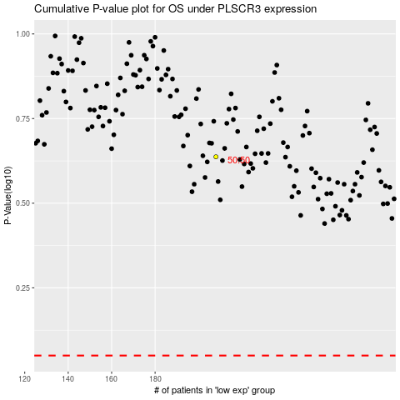

 |  |  |  |  |  | cases_OS | p_OS | rank | exp
 |  |  |  |  |  |  | cases_RFS | p_RFS | rank | exp

