PLTP _multivariate
Reported by Tex Li-Hsing Chi. tex@gate.sinica.edu.tw 2019-08-17

Table 2. The clinicopathological features of HNSCC cohort and PLTP expression. (Chi square test)
Cutoff at -0.184 (50.0%)
 |  | PLTP expression |  | PLTP expression |  | (Optimised)
 | Features | Low | (%) | High | (%) | Case no | P-value | Remark | Matthews
Gender | Female | 148 | 35.7 | 158 | 38.1 | 415 | 0.3567 | 0 | 0
2 | Male | 59 | 14.2 | 50 | 12
Age at diagnosis | <=65y | 142 | 34.2 | 132 | 31.8 | 415 | 0.3167 | 0 | 0
4 | >65y | 65 | 15.7 | 76 | 18.3
Clinical T Status | T1+T2 | 82 | 19.8 | 67 | 16.1 | 415 | 0.1417 | 0 | 0
6 | T3+T4 | 125 | 30.1 | 141 | 34
Clinical N Status | N0 | 104 | 25.1 | 112 | 27 | 415 | 0.5243 | 0 | 0
8 | N1-3 | 103 | 24.8 | 96 | 23.1
Clinical M Status | M0 | 206 | 49.6 | 206 | 49.6 | 415 | 1 | 0 | 0
10 | M1 | 1 | 0.2 | 2 | 0.5
Clinical Stage | Stage I+II | 54 | 13 | 48 | 11.6 | 415 | 0.5498 | 0 | 0
12 | Stage III+IV | 153 | 36.9 | 160 | 38.6
Surgical Margin status | Negative | 146 | 35.2 | 172 | 41.4 | 415 | 0.0037 | 1 | 0
14 | Positive | 61 | 14.7 | 36 | 8.7
Tobacco Exposure | Low | 84 | 20.2 | 77 | 18.6 | 415 | 0.4816 | 0 | 0
16 | High | 123 | 29.6 | 131 | 31.6

Table 3. Univariate/Multivariate Cox's proportional hazards regression analyses on OS time of PLTP gene expression in HNSCC

 |  | Univariate |  |  |  | Multivariate
 | Features | HR | CI95%(L) | CI95%(H) | P-value | HR | CI95%(L) | CI95%(H) | P-value
1 | Female | 1 |  |  |  | 1
Gender | Male | 1.157 | 0.843 | 1.587 | 0.367 | 1.206 | 0.863 | 1.685 | 0.273
11 | <=65y | 1 |  |  |  | 1
Age at diagnosis | >65y | 1.329 | 0.99 | 1.784 | 0.058 | 1.387 | 1.02 | 1.886 | 0.037
12 | T1+T2 | 1 |  |  |  | 1
Clinical T Status | T3+T4 | 1.409 | 1.028 | 1.931 | 0.033 | 2.187 | 1.156 | 4.138 | 0.016
13 | N0 | 1 |  |  |  | 1
Clinical N Status | N1-3 | 1.185 | 0.89 | 1.577 | 0.246 | 1.242 | 0.871 | 1.773 | 0.232
14 | M0 | 1 |  |  |  | 1
Clinical M Status | M1 | 4.097 | 1.009 | 16.644 | 0.049 | 9.186 | 1.996 | 42.271 | 0.004
15 | Stage I+II | 1 |  |  |  | 1
Clinical Stage | Stage III+IV | 1.245 | 0.882 | 1.759 | 0.213 | 0.505 | 0.236 | 1.085 | 0.08
16 | Negative | 1 |  |  |  | 1
Surgical Margin status | Positive | 1.591 | 1.155 | 2.191 | 0.004 | 1.69 | 1.218 | 2.344 | 0.002
17 | Low | 1 |  |  |  | 1
Tobacco Exposure | High | 1.364 | 1.008 | 1.844 | 0.044 | 1.451 | 1.053 | 1.999 | 0.023
18 | Low | 1 |  |  |  | 1
RNAseq(z-score) | High | 1.048 | 0.787 | 1.396 | 0.747 | 1.065 | 0.795 | 1.428 | 0.672

Table 4. Univariate/Multivariate Cox's proportional hazards regression analyses on RFS time of PLTP gene expression in HNSCC

 |  | Univariate |  |  |  | Multivariate
 | Features | HR | CI95%(L) | CI95%(H) | P-value | HR | CI95%(L) | CI95%(H) | P-value
1 | Female | 1 |  |  |  | 1
Gender | Male | 1.157 | 0.843 | 1.587 | 0.367 | 1.206 | 0.863 | 1.685 | 0.273
11 | <=65y | 1 |  |  |  | 1
Age at diagnosis | >65y | 1.329 | 0.99 | 1.784 | 0.058 | 1.387 | 1.02 | 1.886 | 0.037
12 | T1+T2 | 1 |  |  |  | 1
Clinical T Status | T3+T4 | 1.409 | 1.028 | 1.931 | 0.033 | 2.187 | 1.156 | 4.138 | 0.016
13 | N0 | 1 |  |  |  | 1
Clinical N Status | N1-3 | 1.185 | 0.89 | 1.577 | 0.246 | 1.242 | 0.871 | 1.773 | 0.232
14 | M0 | 1 |  |  |  | 1
Clinical M Status | M1 | 4.097 | 1.009 | 16.644 | 0.049 | 9.186 | 1.996 | 42.271 | 0.004
15 | Stage I+II | 1 |  |  |  | 1
Clinical Stage | Stage III+IV | 1.245 | 0.882 | 1.759 | 0.213 | 0.505 | 0.236 | 1.085 | 0.08
16 | Negative | 1 |  |  |  | 1
Surgical Margin status | Positive | 1.591 | 1.155 | 2.191 | 0.004 | 1.69 | 1.218 | 2.344 | 0.002
17 | Low | 1 |  |  |  | 1
Tobacco Exposure | High | 1.364 | 1.008 | 1.844 | 0.044 | 1.451 | 1.053 | 1.999 | 0.023
18 | Low | 1 |  |  |  | 1
RNAseq(z-score) | High | 1.048 | 0.787 | 1.396 | 0.747 | 1.065 | 0.795 | 1.428 | 0.672

Kaplan-Meier survival estimate: Cutoff at -0.184 (50.0%)



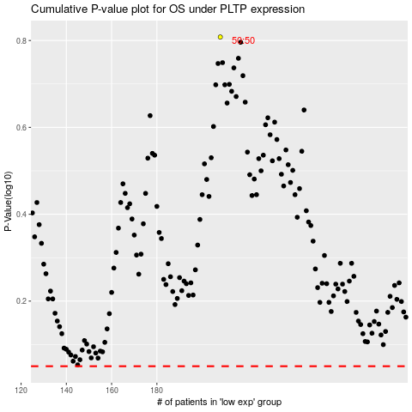

 |  |  |  |  |  | cases_OS | p_OS | rank | exp
 |  |  |  |  |  |  | cases_RFS | p_RFS | rank | exp

