PLXNA1 _multivariate
Reported by Tex Li-Hsing Chi. tex@gate.sinica.edu.tw 2019-08-17

Table 2. The clinicopathological features of HNSCC cohort and PLXNA1 expression. (Chi square test)
Cutoff at -0.066 (49.8%)
 |  | PLXNA1 expression |  | PLXNA1 expression |  | (Optimised)
 | Features | Low | (%) | High | (%) | Case no | P-value | Remark | Matthews
Gender | Female | 144 | 34.7 | 162 | 39 | 415 | 0.0697 | 0 | 0
2 | Male | 63 | 15.2 | 46 | 11.1
Age at diagnosis | <=65y | 126 | 30.4 | 148 | 35.7 | 415 | 0.035 | 1 | 0
4 | >65y | 81 | 19.5 | 60 | 14.5
Clinical T Status | T1+T2 | 72 | 17.3 | 77 | 18.6 | 415 | 0.7095 | 0 | 0
6 | T3+T4 | 135 | 32.5 | 131 | 31.6
Clinical N Status | N0 | 112 | 27 | 104 | 25.1 | 415 | 0.4599 | 0 | 0
8 | N1-3 | 95 | 22.9 | 104 | 25.1
Clinical M Status | M0 | 205 | 49.4 | 207 | 49.9 | 415 | 0.6232 | 0 | 0
10 | M1 | 2 | 0.5 | 1 | 0.2
Clinical Stage | Stage I+II | 49 | 11.8 | 53 | 12.8 | 415 | 0.7535 | 0 | 0
12 | Stage III+IV | 158 | 38.1 | 155 | 37.3
Surgical Margin status | Negative | 153 | 36.9 | 165 | 39.8 | 415 | 0.2036 | 0 | 0
14 | Positive | 54 | 13 | 43 | 10.4
Tobacco Exposure | Low | 90 | 21.7 | 71 | 17.1 | 415 | 0.0559 | 0 | 0
16 | High | 117 | 28.2 | 137 | 33

Table 3. Univariate/Multivariate Cox's proportional hazards regression analyses on OS time of PLXNA1 gene expression in HNSCC

 |  | Univariate |  |  |  | Multivariate
 | Features | HR | CI95%(L) | CI95%(H) | P-value | HR | CI95%(L) | CI95%(H) | P-value
1 | Female | 1 |  |  |  | 1
Gender | Male | 1.157 | 0.843 | 1.587 | 0.367 | 1.17 | 0.832 | 1.646 | 0.366
11 | <=65y | 1 |  |  |  | 1
Age at diagnosis | >65y | 1.329 | 0.99 | 1.784 | 0.058 | 1.392 | 1.025 | 1.892 | 0.034
12 | T1+T2 | 1 |  |  |  | 1
Clinical T Status | T3+T4 | 1.409 | 1.028 | 1.931 | 0.033 | 2.212 | 1.17 | 4.182 | 0.015
13 | N0 | 1 |  |  |  | 1
Clinical N Status | N1-3 | 1.185 | 0.89 | 1.577 | 0.246 | 1.257 | 0.88 | 1.795 | 0.209
14 | M0 | 1 |  |  |  | 1
Clinical M Status | M1 | 4.097 | 1.009 | 16.644 | 0.049 | 9.022 | 1.961 | 41.508 | 0.005
15 | Stage I+II | 1 |  |  |  | 1
Clinical Stage | Stage III+IV | 1.245 | 0.882 | 1.759 | 0.213 | 0.496 | 0.231 | 1.065 | 0.072
16 | Negative | 1 |  |  |  | 1
Surgical Margin status | Positive | 1.591 | 1.155 | 2.191 | 0.004 | 1.657 | 1.198 | 2.291 | 0.002
17 | Low | 1 |  |  |  | 1
Tobacco Exposure | High | 1.364 | 1.008 | 1.844 | 0.044 | 1.461 | 1.06 | 2.014 | 0.02
18 | Low | 1 |  |  |  | 1
RNAseq(z-score) | High | 0.858 | 0.645 | 1.143 | 0.296 | 0.891 | 0.663 | 1.198 | 0.446

Table 4. Univariate/Multivariate Cox's proportional hazards regression analyses on RFS time of PLXNA1 gene expression in HNSCC

 |  | Univariate |  |  |  | Multivariate
 | Features | HR | CI95%(L) | CI95%(H) | P-value | HR | CI95%(L) | CI95%(H) | P-value
1 | Female | 1 |  |  |  | 1
Gender | Male | 1.157 | 0.843 | 1.587 | 0.367 | 1.17 | 0.832 | 1.646 | 0.366
11 | <=65y | 1 |  |  |  | 1
Age at diagnosis | >65y | 1.329 | 0.99 | 1.784 | 0.058 | 1.392 | 1.025 | 1.892 | 0.034
12 | T1+T2 | 1 |  |  |  | 1
Clinical T Status | T3+T4 | 1.409 | 1.028 | 1.931 | 0.033 | 2.212 | 1.17 | 4.182 | 0.015
13 | N0 | 1 |  |  |  | 1
Clinical N Status | N1-3 | 1.185 | 0.89 | 1.577 | 0.246 | 1.257 | 0.88 | 1.795 | 0.209
14 | M0 | 1 |  |  |  | 1
Clinical M Status | M1 | 4.097 | 1.009 | 16.644 | 0.049 | 9.022 | 1.961 | 41.508 | 0.005
15 | Stage I+II | 1 |  |  |  | 1
Clinical Stage | Stage III+IV | 1.245 | 0.882 | 1.759 | 0.213 | 0.496 | 0.231 | 1.065 | 0.072
16 | Negative | 1 |  |  |  | 1
Surgical Margin status | Positive | 1.591 | 1.155 | 2.191 | 0.004 | 1.657 | 1.198 | 2.291 | 0.002
17 | Low | 1 |  |  |  | 1
Tobacco Exposure | High | 1.364 | 1.008 | 1.844 | 0.044 | 1.461 | 1.06 | 2.014 | 0.02
18 | Low | 1 |  |  |  | 1
RNAseq(z-score) | High | 0.858 | 0.645 | 1.143 | 0.296 | 0.891 | 0.663 | 1.198 | 0.446

Kaplan-Meier survival estimate: Cutoff at -0.066 (49.8%)



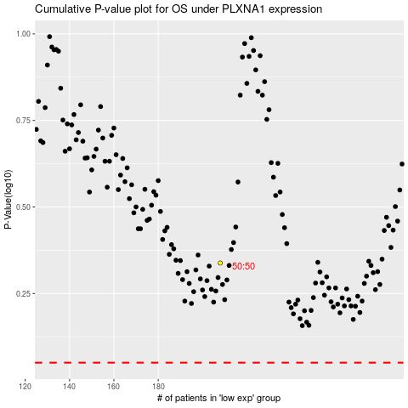

 |  |  |  |  |  | cases_OS | p_OS | rank | exp
 |  |  |  |  |  |  | cases_RFS | p_RFS | rank | exp

