PLXNA3 _multivariate
Reported by Tex Li-Hsing Chi. tex@gate.sinica.edu.tw 2019-08-17

Table 2. The clinicopathological features of HNSCC cohort and PLXNA3 expression. (Chi square test)
Cutoff at -0.117 (49.8%)
 |  | PLXNA3 expression |  | PLXNA3 expression |  | (Optimised)
 | Features | Low | (%) | High | (%) | Case no | P-value | Remark | Matthews
Gender | Female | 154 | 37.1 | 152 | 36.6 | 415 | 0.8463 | 0 | 0
2 | Male | 53 | 12.8 | 56 | 13.5
Age at diagnosis | <=65y | 138 | 33.3 | 136 | 32.8 | 415 | 0.8634 | 0 | 0
4 | >65y | 69 | 16.6 | 72 | 17.3
Clinical T Status | T1+T2 | 80 | 19.3 | 69 | 16.6 | 415 | 0.2891 | 0 | 0
6 | T3+T4 | 127 | 30.6 | 139 | 33.5
Clinical N Status | N0 | 108 | 26 | 108 | 26 | 415 | 1 | 0 | 0
8 | N1-3 | 99 | 23.9 | 100 | 24.1
Clinical M Status | M0 | 205 | 49.4 | 207 | 49.9 | 415 | 0.6232 | 0 | 0
10 | M1 | 2 | 0.5 | 1 | 0.2
Clinical Stage | Stage I+II | 51 | 12.3 | 51 | 12.3 | 415 | 1 | 0 | 0
12 | Stage III+IV | 156 | 37.6 | 157 | 37.8
Surgical Margin status | Negative | 156 | 37.6 | 162 | 39 | 415 | 0.5636 | 0 | 0
14 | Positive | 51 | 12.3 | 46 | 11.1
Tobacco Exposure | Low | 81 | 19.5 | 80 | 19.3 | 415 | 0.9199 | 0 | 0
16 | High | 126 | 30.4 | 128 | 30.8

Table 3. Univariate/Multivariate Cox's proportional hazards regression analyses on OS time of PLXNA3 gene expression in HNSCC

 |  | Univariate |  |  |  | Multivariate
 | Features | HR | CI95%(L) | CI95%(H) | P-value | HR | CI95%(L) | CI95%(H) | P-value
1 | Female | 1 |  |  |  | 1
Gender | Male | 1.157 | 0.843 | 1.587 | 0.367 | 1.199 | 0.859 | 1.674 | 0.286
11 | <=65y | 1 |  |  |  | 1
Age at diagnosis | >65y | 1.329 | 0.99 | 1.784 | 0.058 | 1.392 | 1.023 | 1.892 | 0.035
12 | T1+T2 | 1 |  |  |  | 1
Clinical T Status | T3+T4 | 1.409 | 1.028 | 1.931 | 0.033 | 2.198 | 1.162 | 4.156 | 0.015
13 | N0 | 1 |  |  |  | 1
Clinical N Status | N1-3 | 1.185 | 0.89 | 1.577 | 0.246 | 1.235 | 0.865 | 1.762 | 0.245
14 | M0 | 1 |  |  |  | 1
Clinical M Status | M1 | 4.097 | 1.009 | 16.644 | 0.049 | 9.73 | 2.116 | 44.738 | 0.003
15 | Stage I+II | 1 |  |  |  | 1
Clinical Stage | Stage III+IV | 1.245 | 0.882 | 1.759 | 0.213 | 0.504 | 0.235 | 1.081 | 0.078
16 | Negative | 1 |  |  |  | 1
Surgical Margin status | Positive | 1.591 | 1.155 | 2.191 | 0.004 | 1.683 | 1.217 | 2.326 | 0.002
17 | Low | 1 |  |  |  | 1
Tobacco Exposure | High | 1.364 | 1.008 | 1.844 | 0.044 | 1.445 | 1.05 | 1.99 | 0.024
18 | Low | 1 |  |  |  | 1
RNAseq(z-score) | High | 1.13 | 0.848 | 1.506 | 0.403 | 1.114 | 0.834 | 1.488 | 0.466

Table 4. Univariate/Multivariate Cox's proportional hazards regression analyses on RFS time of PLXNA3 gene expression in HNSCC

 |  | Univariate |  |  |  | Multivariate
 | Features | HR | CI95%(L) | CI95%(H) | P-value | HR | CI95%(L) | CI95%(H) | P-value
1 | Female | 1 |  |  |  | 1
Gender | Male | 1.157 | 0.843 | 1.587 | 0.367 | 1.199 | 0.859 | 1.674 | 0.286
11 | <=65y | 1 |  |  |  | 1
Age at diagnosis | >65y | 1.329 | 0.99 | 1.784 | 0.058 | 1.392 | 1.023 | 1.892 | 0.035
12 | T1+T2 | 1 |  |  |  | 1
Clinical T Status | T3+T4 | 1.409 | 1.028 | 1.931 | 0.033 | 2.198 | 1.162 | 4.156 | 0.015
13 | N0 | 1 |  |  |  | 1
Clinical N Status | N1-3 | 1.185 | 0.89 | 1.577 | 0.246 | 1.235 | 0.865 | 1.762 | 0.245
14 | M0 | 1 |  |  |  | 1
Clinical M Status | M1 | 4.097 | 1.009 | 16.644 | 0.049 | 9.73 | 2.116 | 44.738 | 0.003
15 | Stage I+II | 1 |  |  |  | 1
Clinical Stage | Stage III+IV | 1.245 | 0.882 | 1.759 | 0.213 | 0.504 | 0.235 | 1.081 | 0.078
16 | Negative | 1 |  |  |  | 1
Surgical Margin status | Positive | 1.591 | 1.155 | 2.191 | 0.004 | 1.683 | 1.217 | 2.326 | 0.002
17 | Low | 1 |  |  |  | 1
Tobacco Exposure | High | 1.364 | 1.008 | 1.844 | 0.044 | 1.445 | 1.05 | 1.99 | 0.024
18 | Low | 1 |  |  |  | 1
RNAseq(z-score) | High | 1.13 | 0.848 | 1.506 | 0.403 | 1.114 | 0.834 | 1.488 | 0.466

Kaplan-Meier survival estimate: Cutoff at -0.117 (49.8%)



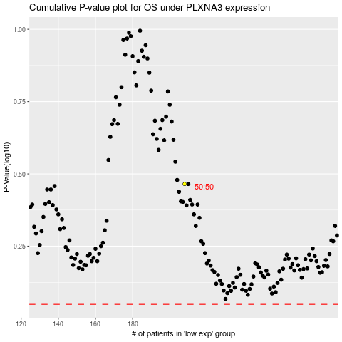

 |  |  |  |  |  | cases_OS | p_OS | rank | exp
 |  |  |  |  |  |  | cases_RFS | p_RFS | rank | exp

