PLXNA4 _multivariate
Reported by Tex Li-Hsing Chi. tex@gate.sinica.edu.tw 2019-08-17

Table 2. The clinicopathological features of HNSCC cohort and PLXNA4 expression. (Chi square test)
Cutoff at 0.001 (66.9%)
 |  | PLXNA4 expression |  | PLXNA4 expression |  | (Optimised)
 | Features | Low | (%) | High | (%) | Case no | P-value | Remark | Matthews
Gender | Female | 201 | 48.4 | 105 | 25.3 | 415 | 0.4087 | 0 | 0
2 | Male | 77 | 18.6 | 32 | 7.7
Age at diagnosis | <=65y | 178 | 42.9 | 96 | 23.1 | 415 | 0.266 | 0 | 0
4 | >65y | 100 | 24.1 | 41 | 9.9
Clinical T Status | T1+T2 | 96 | 23.1 | 53 | 12.8 | 415 | 0.4711 | 0 | 0
6 | T3+T4 | 182 | 43.9 | 84 | 20.2
Clinical N Status | N0 | 136 | 32.8 | 80 | 19.3 | 415 | 0.0869 | 0 | 0
8 | N1-3 | 142 | 34.2 | 57 | 13.7
Clinical M Status | M0 | 275 | 66.3 | 137 | 33 | 415 | 0.554 | 0 | 0
10 | M1 | 3 | 0.7 | 0 | 0
Clinical Stage | Stage I+II | 58 | 14 | 44 | 10.6 | 415 | 0.0172 | 1 | 0
12 | Stage III+IV | 220 | 53 | 93 | 22.4
Surgical Margin status | Negative | 201 | 48.4 | 117 | 28.2 | 415 | 0.003 | 1 | 0
14 | Positive | 77 | 18.6 | 20 | 4.8
Tobacco Exposure | Low | 114 | 27.5 | 47 | 11.3 | 415 | 0.2 | 0 | 0
16 | High | 164 | 39.5 | 90 | 21.7

Table 3. Univariate/Multivariate Cox's proportional hazards regression analyses on OS time of PLXNA4 gene expression in HNSCC

 |  | Univariate |  |  |  | Multivariate
 | Features | HR | CI95%(L) | CI95%(H) | P-value | HR | CI95%(L) | CI95%(H) | P-value
1 | Female | 1 |  |  |  | 1
Gender | Male | 1.157 | 0.843 | 1.587 | 0.367 | 1.18 | 0.844 | 1.651 | 0.333
11 | <=65y | 1 |  |  |  | 1
Age at diagnosis | >65y | 1.329 | 0.99 | 1.784 | 0.058 | 1.383 | 1.017 | 1.88 | 0.039
12 | T1+T2 | 1 |  |  |  | 1
Clinical T Status | T3+T4 | 1.409 | 1.028 | 1.931 | 0.033 | 2.264 | 1.197 | 4.285 | 0.012
13 | N0 | 1 |  |  |  | 1
Clinical N Status | N1-3 | 1.185 | 0.89 | 1.577 | 0.246 | 1.222 | 0.856 | 1.743 | 0.27
14 | M0 | 1 |  |  |  | 1
Clinical M Status | M1 | 4.097 | 1.009 | 16.644 | 0.049 | 8.981 | 1.957 | 41.206 | 0.005
15 | Stage I+II | 1 |  |  |  | 1
Clinical Stage | Stage III+IV | 1.245 | 0.882 | 1.759 | 0.213 | 0.48 | 0.223 | 1.033 | 0.061
16 | Negative | 1 |  |  |  | 1
Surgical Margin status | Positive | 1.591 | 1.155 | 2.191 | 0.004 | 1.621 | 1.171 | 2.245 | 0.004
17 | Low | 1 |  |  |  | 1
Tobacco Exposure | High | 1.364 | 1.008 | 1.844 | 0.044 | 1.471 | 1.068 | 2.028 | 0.018
18 | Low | 1 |  |  |  | 1
RNAseq(z-score) | High | 0.73 | 0.533 | 1 | 0.05 | 0.777 | 0.562 | 1.073 | 0.125

Table 4. Univariate/Multivariate Cox's proportional hazards regression analyses on RFS time of PLXNA4 gene expression in HNSCC

 |  | Univariate |  |  |  | Multivariate
 | Features | HR | CI95%(L) | CI95%(H) | P-value | HR | CI95%(L) | CI95%(H) | P-value
1 | Female | 1 |  |  |  | 1
Gender | Male | 1.157 | 0.843 | 1.587 | 0.367 | 1.18 | 0.844 | 1.651 | 0.333
11 | <=65y | 1 |  |  |  | 1
Age at diagnosis | >65y | 1.329 | 0.99 | 1.784 | 0.058 | 1.383 | 1.017 | 1.88 | 0.039
12 | T1+T2 | 1 |  |  |  | 1
Clinical T Status | T3+T4 | 1.409 | 1.028 | 1.931 | 0.033 | 2.264 | 1.197 | 4.285 | 0.012
13 | N0 | 1 |  |  |  | 1
Clinical N Status | N1-3 | 1.185 | 0.89 | 1.577 | 0.246 | 1.222 | 0.856 | 1.743 | 0.27
14 | M0 | 1 |  |  |  | 1
Clinical M Status | M1 | 4.097 | 1.009 | 16.644 | 0.049 | 8.981 | 1.957 | 41.206 | 0.005
15 | Stage I+II | 1 |  |  |  | 1
Clinical Stage | Stage III+IV | 1.245 | 0.882 | 1.759 | 0.213 | 0.48 | 0.223 | 1.033 | 0.061
16 | Negative | 1 |  |  |  | 1
Surgical Margin status | Positive | 1.591 | 1.155 | 2.191 | 0.004 | 1.621 | 1.171 | 2.245 | 0.004
17 | Low | 1 |  |  |  | 1
Tobacco Exposure | High | 1.364 | 1.008 | 1.844 | 0.044 | 1.471 | 1.068 | 2.028 | 0.018
18 | Low | 1 |  |  |  | 1
RNAseq(z-score) | High | 0.73 | 0.533 | 1 | 0.05 | 0.777 | 0.562 | 1.073 | 0.125

Kaplan-Meier survival estimate: Cutoff at 0.001 (66.9%)



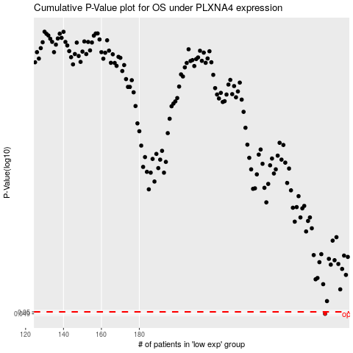

 |  |  |  |  |  | cases_OS | p_OS | rank | exp
 |  |  |  |  |  | 278 | 0.049 | 330 | 0.0014236061896
 |  |  |  |  |  |  | cases_RFS | p_RFS | rank | exp
 |  |  |  |  |  |  | 277 | 0.049 | 283 | -0.00094519918555

