PLXNB2 _multivariate
Reported by Tex Li-Hsing Chi. tex@gate.sinica.edu.tw 2019-08-17

Table 2. The clinicopathological features of HNSCC cohort and PLXNB2 expression. (Chi square test)
Cutoff at -0.1 (49.8%)
 |  | PLXNB2 expression |  | PLXNB2 expression |  | (Optimised)
 | Features | Low | (%) | High | (%) | Case no | P-value | Remark | Matthews
Gender | Female | 152 | 36.6 | 154 | 37.1 | 415 | 0.9766 | 0 | 0
2 | Male | 55 | 13.3 | 54 | 13
Age at diagnosis | <=65y | 134 | 32.3 | 140 | 33.7 | 415 | 0.6529 | 0 | 0
4 | >65y | 73 | 17.6 | 68 | 16.4
Clinical T Status | T1+T2 | 77 | 18.6 | 72 | 17.3 | 415 | 0.6556 | 0 | 0
6 | T3+T4 | 130 | 31.3 | 136 | 32.8
Clinical N Status | N0 | 109 | 26.3 | 107 | 25.8 | 415 | 0.8812 | 0 | 0
8 | N1-3 | 98 | 23.6 | 101 | 24.3
Clinical M Status | M0 | 206 | 49.6 | 206 | 49.6 | 415 | 1 | 0 | 0
10 | M1 | 1 | 0.2 | 2 | 0.5
Clinical Stage | Stage I+II | 57 | 13.7 | 45 | 10.8 | 415 | 0.1998 | 0 | 0
12 | Stage III+IV | 150 | 36.1 | 163 | 39.3
Surgical Margin status | Negative | 158 | 38.1 | 160 | 38.6 | 415 | 0.9081 | 0 | 0
14 | Positive | 49 | 11.8 | 48 | 11.6
Tobacco Exposure | Low | 86 | 20.7 | 75 | 18.1 | 415 | 0.2687 | 0 | 0
16 | High | 121 | 29.2 | 133 | 32

Table 3. Univariate/Multivariate Cox's proportional hazards regression analyses on OS time of PLXNB2 gene expression in HNSCC

 |  | Univariate |  |  |  | Multivariate
 | Features | HR | CI95%(L) | CI95%(H) | P-value | HR | CI95%(L) | CI95%(H) | P-value
1 | Female | 1 |  |  |  | 1
Gender | Male | 1.157 | 0.843 | 1.587 | 0.367 | 1.203 | 0.861 | 1.68 | 0.279
11 | <=65y | 1 |  |  |  | 1
Age at diagnosis | >65y | 1.329 | 0.99 | 1.784 | 0.058 | 1.387 | 1.02 | 1.886 | 0.037
12 | T1+T2 | 1 |  |  |  | 1
Clinical T Status | T3+T4 | 1.409 | 1.028 | 1.931 | 0.033 | 2.179 | 1.151 | 4.123 | 0.017
13 | N0 | 1 |  |  |  | 1
Clinical N Status | N1-3 | 1.185 | 0.89 | 1.577 | 0.246 | 1.226 | 0.858 | 1.753 | 0.264
14 | M0 | 1 |  |  |  | 1
Clinical M Status | M1 | 4.097 | 1.009 | 16.644 | 0.049 | 9.444 | 2.06 | 43.293 | 0.004
15 | Stage I+II | 1 |  |  |  | 1
Clinical Stage | Stage III+IV | 1.245 | 0.882 | 1.759 | 0.213 | 0.519 | 0.241 | 1.12 | 0.095
16 | Negative | 1 |  |  |  | 1
Surgical Margin status | Positive | 1.591 | 1.155 | 2.191 | 0.004 | 1.677 | 1.213 | 2.318 | 0.002
17 | Low | 1 |  |  |  | 1
Tobacco Exposure | High | 1.364 | 1.008 | 1.844 | 0.044 | 1.461 | 1.06 | 2.014 | 0.021
18 | Low | 1 |  |  |  | 1
RNAseq(z-score) | High | 0.923 | 0.69 | 1.234 | 0.588 | 0.908 | 0.676 | 1.219 | 0.52

Table 4. Univariate/Multivariate Cox's proportional hazards regression analyses on RFS time of PLXNB2 gene expression in HNSCC

 |  | Univariate |  |  |  | Multivariate
 | Features | HR | CI95%(L) | CI95%(H) | P-value | HR | CI95%(L) | CI95%(H) | P-value
1 | Female | 1 |  |  |  | 1
Gender | Male | 1.157 | 0.843 | 1.587 | 0.367 | 1.203 | 0.861 | 1.68 | 0.279
11 | <=65y | 1 |  |  |  | 1
Age at diagnosis | >65y | 1.329 | 0.99 | 1.784 | 0.058 | 1.387 | 1.02 | 1.886 | 0.037
12 | T1+T2 | 1 |  |  |  | 1
Clinical T Status | T3+T4 | 1.409 | 1.028 | 1.931 | 0.033 | 2.179 | 1.151 | 4.123 | 0.017
13 | N0 | 1 |  |  |  | 1
Clinical N Status | N1-3 | 1.185 | 0.89 | 1.577 | 0.246 | 1.226 | 0.858 | 1.753 | 0.264
14 | M0 | 1 |  |  |  | 1
Clinical M Status | M1 | 4.097 | 1.009 | 16.644 | 0.049 | 9.444 | 2.06 | 43.293 | 0.004
15 | Stage I+II | 1 |  |  |  | 1
Clinical Stage | Stage III+IV | 1.245 | 0.882 | 1.759 | 0.213 | 0.519 | 0.241 | 1.12 | 0.095
16 | Negative | 1 |  |  |  | 1
Surgical Margin status | Positive | 1.591 | 1.155 | 2.191 | 0.004 | 1.677 | 1.213 | 2.318 | 0.002
17 | Low | 1 |  |  |  | 1
Tobacco Exposure | High | 1.364 | 1.008 | 1.844 | 0.044 | 1.461 | 1.06 | 2.014 | 0.021
18 | Low | 1 |  |  |  | 1
RNAseq(z-score) | High | 0.923 | 0.69 | 1.234 | 0.588 | 0.908 | 0.676 | 1.219 | 0.52

Kaplan-Meier survival estimate: Cutoff at -0.1 (49.8%)



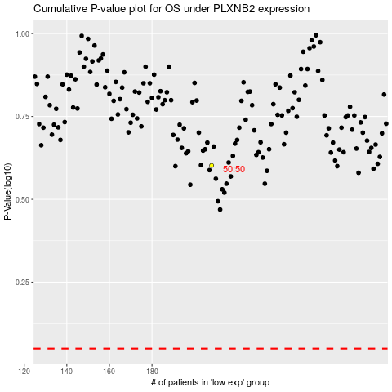

 |  |  |  |  |  | cases_OS | p_OS | rank | exp
 |  |  |  |  |  |  | cases_RFS | p_RFS | rank | exp

