PLXNB3 _multivariate
Reported by Tex Li-Hsing Chi. tex@gate.sinica.edu.tw 2019-08-17

Table 2. The clinicopathological features of HNSCC cohort and PLXNB3 expression. (Chi square test)
Cutoff at -0.257 (49.8%)
 |  | PLXNB3 expression |  | PLXNB3 expression |  | (Optimised)
 | Features | Low | (%) | High | (%) | Case no | P-value | Remark | Matthews
Gender | Female | 149 | 35.9 | 157 | 37.8 | 415 | 0.4848 | 0 | 0
2 | Male | 58 | 14 | 51 | 12.3
Age at diagnosis | <=65y | 134 | 32.3 | 140 | 33.7 | 415 | 0.6529 | 0 | 0
4 | >65y | 73 | 17.6 | 68 | 16.4
Clinical T Status | T1+T2 | 81 | 19.5 | 68 | 16.4 | 415 | 0.206 | 0 | 0
6 | T3+T4 | 126 | 30.4 | 140 | 33.7
Clinical N Status | N0 | 98 | 23.6 | 118 | 28.4 | 415 | 0.0694 | 0 | 0
8 | N1-3 | 109 | 26.3 | 90 | 21.7
Clinical M Status | M0 | 207 | 49.9 | 205 | 49.4 | 415 | 0.2482 | 0 | 0
10 | M1 | 0 | 0 | 3 | 0.7
Clinical Stage | Stage I+II | 51 | 12.3 | 51 | 12.3 | 415 | 1 | 0 | 0
12 | Stage III+IV | 156 | 37.6 | 157 | 37.8
Surgical Margin status | Negative | 157 | 37.8 | 161 | 38.8 | 415 | 0.729 | 0 | 0
14 | Positive | 50 | 12 | 47 | 11.3
Tobacco Exposure | Low | 87 | 21 | 74 | 17.8 | 415 | 0.1911 | 0 | 0
16 | High | 120 | 28.9 | 134 | 32.3

Table 3. Univariate/Multivariate Cox's proportional hazards regression analyses on OS time of PLXNB3 gene expression in HNSCC

 |  | Univariate |  |  |  | Multivariate
 | Features | HR | CI95%(L) | CI95%(H) | P-value | HR | CI95%(L) | CI95%(H) | P-value
1 | Female | 1 |  |  |  | 1
Gender | Male | 1.157 | 0.843 | 1.587 | 0.367 | 1.205 | 0.863 | 1.683 | 0.274
11 | <=65y | 1 |  |  |  | 1
Age at diagnosis | >65y | 1.329 | 0.99 | 1.784 | 0.058 | 1.397 | 1.028 | 1.9 | 0.033
12 | T1+T2 | 1 |  |  |  | 1
Clinical T Status | T3+T4 | 1.409 | 1.028 | 1.931 | 0.033 | 2.179 | 1.151 | 4.126 | 0.017
13 | N0 | 1 |  |  |  | 1
Clinical N Status | N1-3 | 1.185 | 0.89 | 1.577 | 0.246 | 1.256 | 0.877 | 1.798 | 0.213
14 | M0 | 1 |  |  |  | 1
Clinical M Status | M1 | 4.097 | 1.009 | 16.644 | 0.049 | 8.969 | 1.934 | 41.603 | 0.005
15 | Stage I+II | 1 |  |  |  | 1
Clinical Stage | Stage III+IV | 1.245 | 0.882 | 1.759 | 0.213 | 0.503 | 0.235 | 1.08 | 0.078
16 | Negative | 1 |  |  |  | 1
Surgical Margin status | Positive | 1.591 | 1.155 | 2.191 | 0.004 | 1.667 | 1.206 | 2.304 | 0.002
17 | Low | 1 |  |  |  | 1
Tobacco Exposure | High | 1.364 | 1.008 | 1.844 | 0.044 | 1.443 | 1.047 | 1.991 | 0.025
18 | Low | 1 |  |  |  | 1
RNAseq(z-score) | High | 1.128 | 0.847 | 1.503 | 0.409 | 1.076 | 0.8 | 1.445 | 0.629

Table 4. Univariate/Multivariate Cox's proportional hazards regression analyses on RFS time of PLXNB3 gene expression in HNSCC

 |  | Univariate |  |  |  | Multivariate
 | Features | HR | CI95%(L) | CI95%(H) | P-value | HR | CI95%(L) | CI95%(H) | P-value
1 | Female | 1 |  |  |  | 1
Gender | Male | 1.157 | 0.843 | 1.587 | 0.367 | 1.205 | 0.863 | 1.683 | 0.274
11 | <=65y | 1 |  |  |  | 1
Age at diagnosis | >65y | 1.329 | 0.99 | 1.784 | 0.058 | 1.397 | 1.028 | 1.9 | 0.033
12 | T1+T2 | 1 |  |  |  | 1
Clinical T Status | T3+T4 | 1.409 | 1.028 | 1.931 | 0.033 | 2.179 | 1.151 | 4.126 | 0.017
13 | N0 | 1 |  |  |  | 1
Clinical N Status | N1-3 | 1.185 | 0.89 | 1.577 | 0.246 | 1.256 | 0.877 | 1.798 | 0.213
14 | M0 | 1 |  |  |  | 1
Clinical M Status | M1 | 4.097 | 1.009 | 16.644 | 0.049 | 8.969 | 1.934 | 41.603 | 0.005
15 | Stage I+II | 1 |  |  |  | 1
Clinical Stage | Stage III+IV | 1.245 | 0.882 | 1.759 | 0.213 | 0.503 | 0.235 | 1.08 | 0.078
16 | Negative | 1 |  |  |  | 1
Surgical Margin status | Positive | 1.591 | 1.155 | 2.191 | 0.004 | 1.667 | 1.206 | 2.304 | 0.002
17 | Low | 1 |  |  |  | 1
Tobacco Exposure | High | 1.364 | 1.008 | 1.844 | 0.044 | 1.443 | 1.047 | 1.991 | 0.025
18 | Low | 1 |  |  |  | 1
RNAseq(z-score) | High | 1.128 | 0.847 | 1.503 | 0.409 | 1.076 | 0.8 | 1.445 | 0.629

Kaplan-Meier survival estimate: Cutoff at -0.257 (49.8%)



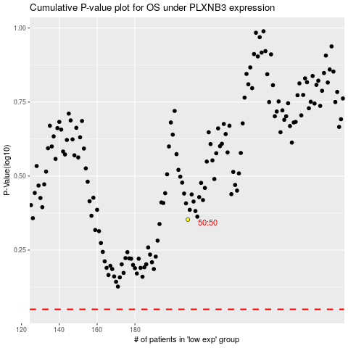

 |  |  |  |  |  | cases_OS | p_OS | rank | exp
 |  |  |  |  |  |  | cases_RFS | p_RFS | rank | exp

