PLXNC1 _multivariate
Reported by Tex Li-Hsing Chi. tex@gate.sinica.edu.tw 2019-08-17

Table 2. The clinicopathological features of HNSCC cohort and PLXNC1 expression. (Chi square test)
Cutoff at -0.1 (60.1%)
 |  | PLXNC1 expression |  | PLXNC1 expression |  | (Optimised)
 | Features | Low | (%) | High | (%) | Case no | P-value | Remark | Matthews
Gender | Female | 190 | 45.8 | 116 | 28 | 415 | 0.2393 | 0 | 0
2 | Male | 60 | 14.5 | 49 | 11.8
Age at diagnosis | <=65y | 169 | 40.7 | 105 | 25.3 | 415 | 0.4663 | 0 | 0
4 | >65y | 81 | 19.5 | 60 | 14.5
Clinical T Status | T1+T2 | 87 | 21 | 62 | 14.9 | 415 | 0.6367 | 0 | 0
6 | T3+T4 | 163 | 39.3 | 103 | 24.8
Clinical N Status | N0 | 130 | 31.3 | 86 | 20.7 | 415 | 1 | 0 | 0
8 | N1-3 | 120 | 28.9 | 79 | 19
Clinical M Status | M0 | 247 | 59.5 | 165 | 39.8 | 415 | 0.2797 | 0 | 0
10 | M1 | 3 | 0.7 | 0 | 0
Clinical Stage | Stage I+II | 56 | 13.5 | 46 | 11.1 | 415 | 0.2492 | 0 | 0
12 | Stage III+IV | 194 | 46.7 | 119 | 28.7
Surgical Margin status | Negative | 183 | 44.1 | 135 | 32.5 | 415 | 0.0446 | 1 | 0
14 | Positive | 67 | 16.1 | 30 | 7.2
Tobacco Exposure | Low | 95 | 22.9 | 66 | 15.9 | 415 | 0.6822 | 0 | 0
16 | High | 155 | 37.3 | 99 | 23.9

Table 3. Univariate/Multivariate Cox's proportional hazards regression analyses on OS time of PLXNC1 gene expression in HNSCC

 |  | Univariate |  |  |  | Multivariate
 | Features | HR | CI95%(L) | CI95%(H) | P-value | HR | CI95%(L) | CI95%(H) | P-value
1 | Female | 1 |  |  |  | 1
Gender | Male | 1.157 | 0.843 | 1.587 | 0.367 | 1.2 | 0.858 | 1.678 | 0.286
11 | <=65y | 1 |  |  |  | 1
Age at diagnosis | >65y | 1.329 | 0.99 | 1.784 | 0.058 | 1.407 | 1.035 | 1.913 | 0.029
12 | T1+T2 | 1 |  |  |  | 1
Clinical T Status | T3+T4 | 1.409 | 1.028 | 1.931 | 0.033 | 2.244 | 1.186 | 4.246 | 0.013
13 | N0 | 1 |  |  |  | 1
Clinical N Status | N1-3 | 1.185 | 0.89 | 1.577 | 0.246 | 1.263 | 0.885 | 1.803 | 0.198
14 | M0 | 1 |  |  |  | 1
Clinical M Status | M1 | 4.097 | 1.009 | 16.644 | 0.049 | 8.579 | 1.865 | 39.457 | 0.006
15 | Stage I+II | 1 |  |  |  | 1
Clinical Stage | Stage III+IV | 1.245 | 0.882 | 1.759 | 0.213 | 0.485 | 0.226 | 1.041 | 0.063
16 | Negative | 1 |  |  |  | 1
Surgical Margin status | Positive | 1.591 | 1.155 | 2.191 | 0.004 | 1.619 | 1.169 | 2.242 | 0.004
17 | Low | 1 |  |  |  | 1
Tobacco Exposure | High | 1.364 | 1.008 | 1.844 | 0.044 | 1.405 | 1.017 | 1.942 | 0.039
18 | Low | 1 |  |  |  | 1
RNAseq(z-score) | High | 0.723 | 0.536 | 0.975 | 0.034 | 0.768 | 0.566 | 1.043 | 0.091

Table 4. Univariate/Multivariate Cox's proportional hazards regression analyses on RFS time of PLXNC1 gene expression in HNSCC

 |  | Univariate |  |  |  | Multivariate
 | Features | HR | CI95%(L) | CI95%(H) | P-value | HR | CI95%(L) | CI95%(H) | P-value
1 | Female | 1 |  |  |  | 1
Gender | Male | 1.157 | 0.843 | 1.587 | 0.367 | 1.2 | 0.858 | 1.678 | 0.286
11 | <=65y | 1 |  |  |  | 1
Age at diagnosis | >65y | 1.329 | 0.99 | 1.784 | 0.058 | 1.407 | 1.035 | 1.913 | 0.029
12 | T1+T2 | 1 |  |  |  | 1
Clinical T Status | T3+T4 | 1.409 | 1.028 | 1.931 | 0.033 | 2.244 | 1.186 | 4.246 | 0.013
13 | N0 | 1 |  |  |  | 1
Clinical N Status | N1-3 | 1.185 | 0.89 | 1.577 | 0.246 | 1.263 | 0.885 | 1.803 | 0.198
14 | M0 | 1 |  |  |  | 1
Clinical M Status | M1 | 4.097 | 1.009 | 16.644 | 0.049 | 8.579 | 1.865 | 39.457 | 0.006
15 | Stage I+II | 1 |  |  |  | 1
Clinical Stage | Stage III+IV | 1.245 | 0.882 | 1.759 | 0.213 | 0.485 | 0.226 | 1.041 | 0.063
16 | Negative | 1 |  |  |  | 1
Surgical Margin status | Positive | 1.591 | 1.155 | 2.191 | 0.004 | 1.619 | 1.169 | 2.242 | 0.004
17 | Low | 1 |  |  |  | 1
Tobacco Exposure | High | 1.364 | 1.008 | 1.844 | 0.044 | 1.405 | 1.017 | 1.942 | 0.039
18 | Low | 1 |  |  |  | 1
RNAseq(z-score) | High | 0.723 | 0.536 | 0.975 | 0.034 | 0.768 | 0.566 | 1.043 | 0.091

Kaplan-Meier survival estimate: Cutoff at -0.1 (60.1%)

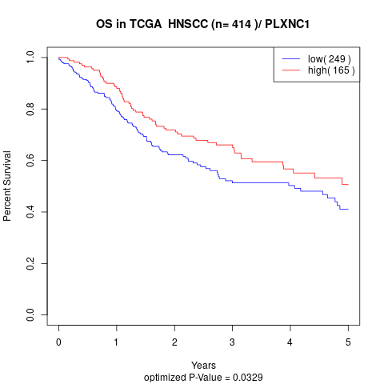

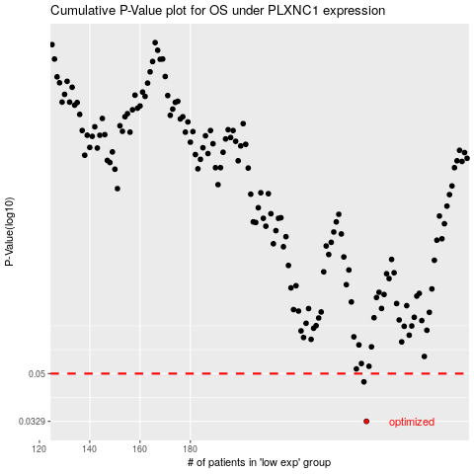

 |  |  |  |  |  | cases_OS | p_OS | rank | exp
 |  |  |  |  |  | 250 | 0.0329 | 219 | -0.099966863653
 |  |  |  |  |  | 249 | 0.0465 | 108 | -0.10512756277
 |  |  |  |  |  |  | cases_RFS | p_RFS | rank | exp
 |  |  |  |  |  |  | 249 | 0.0329 | 108 | -0.10512756277
 |  |  |  |  |  |  | 248 | 0.0465 | 251 | -0.10992436643

