PLXND1 _multivariate
Reported by Tex Li-Hsing Chi. tex@gate.sinica.edu.tw 2019-08-17

Table 2. The clinicopathological features of HNSCC cohort and PLXND1 expression. (Chi square test)
Cutoff at -0.16 (49.8%)
 |  | PLXND1 expression |  | PLXND1 expression |  | (Optimised)
 | Features | Low | (%) | High | (%) | Case no | P-value | Remark | Matthews
Gender | Female | 150 | 36.1 | 156 | 37.6 | 415 | 0.6344 | 0 | 0
2 | Male | 57 | 13.7 | 52 | 12.5
Age at diagnosis | <=65y | 134 | 32.3 | 140 | 33.7 | 415 | 0.6529 | 0 | 0
4 | >65y | 73 | 17.6 | 68 | 16.4
Clinical T Status | T1+T2 | 76 | 18.3 | 73 | 17.6 | 415 | 0.8092 | 0 | 0
6 | T3+T4 | 131 | 31.6 | 135 | 32.5
Clinical N Status | N0 | 108 | 26 | 108 | 26 | 415 | 1 | 0 | 0
8 | N1-3 | 99 | 23.9 | 100 | 24.1
Clinical M Status | M0 | 204 | 49.2 | 208 | 50.1 | 415 | 0.1232 | 0 | 0
10 | M1 | 3 | 0.7 | 0 | 0
Clinical Stage | Stage I+II | 50 | 12 | 52 | 12.5 | 415 | 0.9315 | 0 | 0
12 | Stage III+IV | 157 | 37.8 | 156 | 37.6
Surgical Margin status | Negative | 157 | 37.8 | 161 | 38.8 | 415 | 0.729 | 0 | 0
14 | Positive | 50 | 12 | 47 | 11.3
Tobacco Exposure | Low | 78 | 18.8 | 83 | 20 | 415 | 0.6873 | 0 | 0
16 | High | 129 | 31.1 | 125 | 30.1

Table 3. Univariate/Multivariate Cox's proportional hazards regression analyses on OS time of PLXND1 gene expression in HNSCC

 |  | Univariate |  |  |  | Multivariate
 | Features | HR | CI95%(L) | CI95%(H) | P-value | HR | CI95%(L) | CI95%(H) | P-value
1 | Female | 1 |  |  |  | 1
Gender | Male | 1.157 | 0.843 | 1.587 | 0.367 | 1.184 | 0.847 | 1.656 | 0.323
11 | <=65y | 1 |  |  |  | 1
Age at diagnosis | >65y | 1.329 | 0.99 | 1.784 | 0.058 | 1.387 | 1.021 | 1.885 | 0.036
12 | T1+T2 | 1 |  |  |  | 1
Clinical T Status | T3+T4 | 1.409 | 1.028 | 1.931 | 0.033 | 2.22 | 1.173 | 4.198 | 0.014
13 | N0 | 1 |  |  |  | 1
Clinical N Status | N1-3 | 1.185 | 0.89 | 1.577 | 0.246 | 1.26 | 0.882 | 1.799 | 0.204
14 | M0 | 1 |  |  |  | 1
Clinical M Status | M1 | 4.097 | 1.009 | 16.644 | 0.049 | 8.726 | 1.89 | 40.287 | 0.006
15 | Stage I+II | 1 |  |  |  | 1
Clinical Stage | Stage III+IV | 1.245 | 0.882 | 1.759 | 0.213 | 0.499 | 0.232 | 1.07 | 0.074
16 | Negative | 1 |  |  |  | 1
Surgical Margin status | Positive | 1.591 | 1.155 | 2.191 | 0.004 | 1.661 | 1.202 | 2.295 | 0.002
17 | Low | 1 |  |  |  | 1
Tobacco Exposure | High | 1.364 | 1.008 | 1.844 | 0.044 | 1.452 | 1.054 | 2.001 | 0.023
18 | Low | 1 |  |  |  | 1
RNAseq(z-score) | High | 0.839 | 0.63 | 1.118 | 0.231 | 0.867 | 0.647 | 1.162 | 0.339

Table 4. Univariate/Multivariate Cox's proportional hazards regression analyses on RFS time of PLXND1 gene expression in HNSCC

 |  | Univariate |  |  |  | Multivariate
 | Features | HR | CI95%(L) | CI95%(H) | P-value | HR | CI95%(L) | CI95%(H) | P-value
1 | Female | 1 |  |  |  | 1
Gender | Male | 1.157 | 0.843 | 1.587 | 0.367 | 1.184 | 0.847 | 1.656 | 0.323
11 | <=65y | 1 |  |  |  | 1
Age at diagnosis | >65y | 1.329 | 0.99 | 1.784 | 0.058 | 1.387 | 1.021 | 1.885 | 0.036
12 | T1+T2 | 1 |  |  |  | 1
Clinical T Status | T3+T4 | 1.409 | 1.028 | 1.931 | 0.033 | 2.22 | 1.173 | 4.198 | 0.014
13 | N0 | 1 |  |  |  | 1
Clinical N Status | N1-3 | 1.185 | 0.89 | 1.577 | 0.246 | 1.26 | 0.882 | 1.799 | 0.204
14 | M0 | 1 |  |  |  | 1
Clinical M Status | M1 | 4.097 | 1.009 | 16.644 | 0.049 | 8.726 | 1.89 | 40.287 | 0.006
15 | Stage I+II | 1 |  |  |  | 1
Clinical Stage | Stage III+IV | 1.245 | 0.882 | 1.759 | 0.213 | 0.499 | 0.232 | 1.07 | 0.074
16 | Negative | 1 |  |  |  | 1
Surgical Margin status | Positive | 1.591 | 1.155 | 2.191 | 0.004 | 1.661 | 1.202 | 2.295 | 0.002
17 | Low | 1 |  |  |  | 1
Tobacco Exposure | High | 1.364 | 1.008 | 1.844 | 0.044 | 1.452 | 1.054 | 2.001 | 0.023
18 | Low | 1 |  |  |  | 1
RNAseq(z-score) | High | 0.839 | 0.63 | 1.118 | 0.231 | 0.867 | 0.647 | 1.162 | 0.339

Kaplan-Meier survival estimate: Cutoff at -0.16 (49.8%)



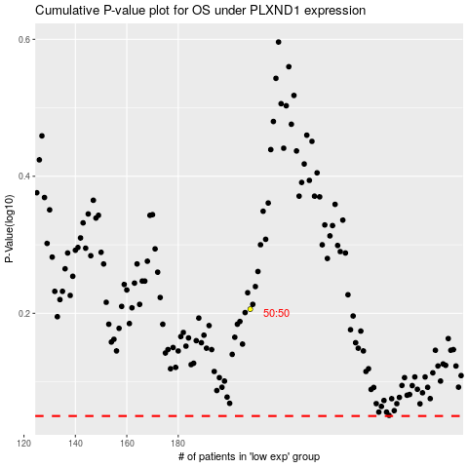

 |  |  |  |  |  | cases_OS | p_OS | rank | exp
 |  |  |  |  |  |  | cases_RFS | p_RFS | rank | exp

