PMCH _multivariate
Reported by Tex Li-Hsing Chi. tex@gate.sinica.edu.tw 2019-08-17

Table 2. The clinicopathological features of HNSCC cohort and PMCH expression. (Chi square test)
Cutoff at -0.082 (50.0%)
 |  | PMCH expression |  | PMCH expression |  | (Optimised)
 | Features | Low | (%) | High | (%) | Case no | P-value | Remark | Matthews
Gender | Female | 155 | 37.3 | 151 | 36.4 | 415 | 0.6768 | 0 | 0
2 | Male | 52 | 12.5 | 57 | 13.7
Age at diagnosis | <=65y | 139 | 33.5 | 135 | 32.5 | 415 | 0.7044 | 0 | 0
4 | >65y | 68 | 16.4 | 73 | 17.6
Clinical T Status | T1+T2 | 68 | 16.4 | 81 | 19.5 | 415 | 0.2336 | 0 | 0
6 | T3+T4 | 139 | 33.5 | 127 | 30.6
Clinical N Status | N0 | 103 | 24.8 | 113 | 27.2 | 415 | 0.4047 | 0 | 0
8 | N1-3 | 104 | 25.1 | 95 | 22.9
Clinical M Status | M0 | 205 | 49.4 | 207 | 49.9 | 415 | 0.6232 | 0 | 0
10 | M1 | 2 | 0.5 | 1 | 0.2
Clinical Stage | Stage I+II | 47 | 11.3 | 55 | 13.3 | 415 | 0.4413 | 0 | 0
12 | Stage III+IV | 160 | 38.6 | 153 | 36.9
Surgical Margin status | Negative | 160 | 38.6 | 158 | 38.1 | 415 | 0.8167 | 0 | 0
14 | Positive | 47 | 11.3 | 50 | 12
Tobacco Exposure | Low | 72 | 17.3 | 89 | 21.4 | 415 | 0.1071 | 0 | 0
16 | High | 135 | 32.5 | 119 | 28.7

Table 3. Univariate/Multivariate Cox's proportional hazards regression analyses on OS time of PMCH gene expression in HNSCC

 |  | Univariate |  |  |  | Multivariate
 | Features | HR | CI95%(L) | CI95%(H) | P-value | HR | CI95%(L) | CI95%(H) | P-value
1 | Female | 1 |  |  |  | 1
Gender | Male | 1.157 | 0.843 | 1.587 | 0.367 | 1.193 | 0.854 | 1.667 | 0.302
11 | <=65y | 1 |  |  |  | 1
Age at diagnosis | >65y | 1.329 | 0.99 | 1.784 | 0.058 | 1.411 | 1.037 | 1.919 | 0.028
12 | T1+T2 | 1 |  |  |  | 1
Clinical T Status | T3+T4 | 1.409 | 1.028 | 1.931 | 0.033 | 2.286 | 1.208 | 4.326 | 0.011
13 | N0 | 1 |  |  |  | 1
Clinical N Status | N1-3 | 1.185 | 0.89 | 1.577 | 0.246 | 1.269 | 0.888 | 1.814 | 0.191
14 | M0 | 1 |  |  |  | 1
Clinical M Status | M1 | 4.097 | 1.009 | 16.644 | 0.049 | 9.768 | 2.128 | 44.826 | 0.003
15 | Stage I+II | 1 |  |  |  | 1
Clinical Stage | Stage III+IV | 1.245 | 0.882 | 1.759 | 0.213 | 0.487 | 0.227 | 1.047 | 0.066
16 | Negative | 1 |  |  |  | 1
Surgical Margin status | Positive | 1.591 | 1.155 | 2.191 | 0.004 | 1.654 | 1.197 | 2.285 | 0.002
17 | Low | 1 |  |  |  | 1
Tobacco Exposure | High | 1.364 | 1.008 | 1.844 | 0.044 | 1.467 | 1.064 | 2.021 | 0.019
18 | Low | 1 |  |  |  | 1
RNAseq(z-score) | High | 1.202 | 0.902 | 1.602 | 0.209 | 1.26 | 0.943 | 1.684 | 0.119

Table 4. Univariate/Multivariate Cox's proportional hazards regression analyses on RFS time of PMCH gene expression in HNSCC

 |  | Univariate |  |  |  | Multivariate
 | Features | HR | CI95%(L) | CI95%(H) | P-value | HR | CI95%(L) | CI95%(H) | P-value
1 | Female | 1 |  |  |  | 1
Gender | Male | 1.157 | 0.843 | 1.587 | 0.367 | 1.193 | 0.854 | 1.667 | 0.302
11 | <=65y | 1 |  |  |  | 1
Age at diagnosis | >65y | 1.329 | 0.99 | 1.784 | 0.058 | 1.411 | 1.037 | 1.919 | 0.028
12 | T1+T2 | 1 |  |  |  | 1
Clinical T Status | T3+T4 | 1.409 | 1.028 | 1.931 | 0.033 | 2.286 | 1.208 | 4.326 | 0.011
13 | N0 | 1 |  |  |  | 1
Clinical N Status | N1-3 | 1.185 | 0.89 | 1.577 | 0.246 | 1.269 | 0.888 | 1.814 | 0.191
14 | M0 | 1 |  |  |  | 1
Clinical M Status | M1 | 4.097 | 1.009 | 16.644 | 0.049 | 9.768 | 2.128 | 44.826 | 0.003
15 | Stage I+II | 1 |  |  |  | 1
Clinical Stage | Stage III+IV | 1.245 | 0.882 | 1.759 | 0.213 | 0.487 | 0.227 | 1.047 | 0.066
16 | Negative | 1 |  |  |  | 1
Surgical Margin status | Positive | 1.591 | 1.155 | 2.191 | 0.004 | 1.654 | 1.197 | 2.285 | 0.002
17 | Low | 1 |  |  |  | 1
Tobacco Exposure | High | 1.364 | 1.008 | 1.844 | 0.044 | 1.467 | 1.064 | 2.021 | 0.019
18 | Low | 1 |  |  |  | 1
RNAseq(z-score) | High | 1.202 | 0.902 | 1.602 | 0.209 | 1.26 | 0.943 | 1.684 | 0.119

Kaplan-Meier survival estimate: Cutoff at -0.082 (50.0%)



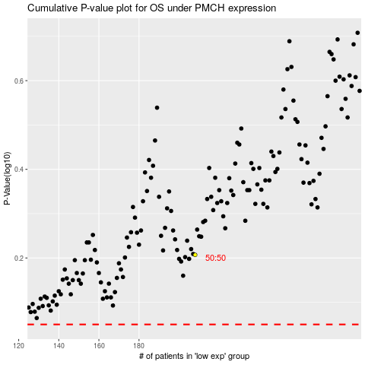

 |  |  |  |  |  | cases_OS | p_OS | rank | exp
 |  |  |  |  |  |  | cases_RFS | p_RFS | rank | exp

