PMEPA1 _multivariate
Reported by Tex Li-Hsing Chi. tex@gate.sinica.edu.tw 2019-08-17

Table 2. The clinicopathological features of HNSCC cohort and PMEPA1 expression. (Chi square test)
Cutoff at -0.473 (32.9%)
 |  | PMEPA1 expression |  | PMEPA1 expression |  | (Optimised)
 | Features | Low | (%) | High | (%) | Case no | P-value | Remark | Matthews
Gender | Female | 104 | 25.1 | 202 | 48.7 | 415 | 0.4441 | 0 | 0
2 | Male | 32 | 7.7 | 77 | 18.6
Age at diagnosis | <=65y | 92 | 22.2 | 182 | 43.9 | 415 | 0.7062 | 0 | 0
4 | >65y | 44 | 10.6 | 97 | 23.4
Clinical T Status | T1+T2 | 45 | 10.8 | 104 | 25.1 | 415 | 0.468 | 0 | 0
6 | T3+T4 | 91 | 21.9 | 175 | 42.2
Clinical N Status | N0 | 71 | 17.1 | 145 | 34.9 | 415 | 1 | 0 | 0
8 | N1-3 | 65 | 15.7 | 134 | 32.3
Clinical M Status | M0 | 136 | 32.8 | 276 | 66.5 | 415 | 0.554 | 0 | 0
10 | M1 | 0 | 0 | 3 | 0.7
Clinical Stage | Stage I+II | 25 | 6 | 77 | 18.6 | 415 | 0.0542 | 0 | 0
12 | Stage III+IV | 111 | 26.7 | 202 | 48.7
Surgical Margin status | Negative | 99 | 23.9 | 219 | 52.8 | 415 | 0.2172 | 0 | 0
14 | Positive | 37 | 8.9 | 60 | 14.5
Tobacco Exposure | Low | 58 | 14 | 103 | 24.8 | 415 | 0.2838 | 0 | 0
16 | High | 78 | 18.8 | 176 | 42.4

Table 3. Univariate/Multivariate Cox's proportional hazards regression analyses on OS time of PMEPA1 gene expression in HNSCC

 |  | Univariate |  |  |  | Multivariate
 | Features | HR | CI95%(L) | CI95%(H) | P-value | HR | CI95%(L) | CI95%(H) | P-value
1 | Female | 1 |  |  |  | 1
Gender | Male | 1.157 | 0.843 | 1.587 | 0.367 | 1.191 | 0.854 | 1.662 | 0.303
11 | <=65y | 1 |  |  |  | 1
Age at diagnosis | >65y | 1.329 | 0.99 | 1.784 | 0.058 | 1.401 | 1.031 | 1.906 | 0.031
12 | T1+T2 | 1 |  |  |  | 1
Clinical T Status | T3+T4 | 1.409 | 1.028 | 1.931 | 0.033 | 2.123 | 1.122 | 4.018 | 0.021
13 | N0 | 1 |  |  |  | 1
Clinical N Status | N1-3 | 1.185 | 0.89 | 1.577 | 0.246 | 1.22 | 0.855 | 1.741 | 0.274
14 | M0 | 1 |  |  |  | 1
Clinical M Status | M1 | 4.097 | 1.009 | 16.644 | 0.049 | 8.075 | 1.752 | 37.211 | 0.007
15 | Stage I+II | 1 |  |  |  | 1
Clinical Stage | Stage III+IV | 1.245 | 0.882 | 1.759 | 0.213 | 0.558 | 0.259 | 1.204 | 0.137
16 | Negative | 1 |  |  |  | 1
Surgical Margin status | Positive | 1.591 | 1.155 | 2.191 | 0.004 | 1.654 | 1.197 | 2.285 | 0.002
17 | Low | 1 |  |  |  | 1
Tobacco Exposure | High | 1.364 | 1.008 | 1.844 | 0.044 | 1.382 | 1.001 | 1.909 | 0.049
18 | Low | 1 |  |  |  | 1
RNAseq(z-score) | High | 1.498 | 1.081 | 2.076 | 0.015 | 1.433 | 1.027 | 1.999 | 0.034

Table 4. Univariate/Multivariate Cox's proportional hazards regression analyses on RFS time of PMEPA1 gene expression in HNSCC

 |  | Univariate |  |  |  | Multivariate
 | Features | HR | CI95%(L) | CI95%(H) | P-value | HR | CI95%(L) | CI95%(H) | P-value
1 | Female | 1 |  |  |  | 1
Gender | Male | 1.157 | 0.843 | 1.587 | 0.367 | 1.191 | 0.854 | 1.662 | 0.303
11 | <=65y | 1 |  |  |  | 1
Age at diagnosis | >65y | 1.329 | 0.99 | 1.784 | 0.058 | 1.401 | 1.031 | 1.906 | 0.031
12 | T1+T2 | 1 |  |  |  | 1
Clinical T Status | T3+T4 | 1.409 | 1.028 | 1.931 | 0.033 | 2.123 | 1.122 | 4.018 | 0.021
13 | N0 | 1 |  |  |  | 1
Clinical N Status | N1-3 | 1.185 | 0.89 | 1.577 | 0.246 | 1.22 | 0.855 | 1.741 | 0.274
14 | M0 | 1 |  |  |  | 1
Clinical M Status | M1 | 4.097 | 1.009 | 16.644 | 0.049 | 8.075 | 1.752 | 37.211 | 0.007
15 | Stage I+II | 1 |  |  |  | 1
Clinical Stage | Stage III+IV | 1.245 | 0.882 | 1.759 | 0.213 | 0.558 | 0.259 | 1.204 | 0.137
16 | Negative | 1 |  |  |  | 1
Surgical Margin status | Positive | 1.591 | 1.155 | 2.191 | 0.004 | 1.654 | 1.197 | 2.285 | 0.002
17 | Low | 1 |  |  |  | 1
Tobacco Exposure | High | 1.364 | 1.008 | 1.844 | 0.044 | 1.382 | 1.001 | 1.909 | 0.049
18 | Low | 1 |  |  |  | 1
RNAseq(z-score) | High | 1.498 | 1.081 | 2.076 | 0.015 | 1.433 | 1.027 | 1.999 | 0.034

Kaplan-Meier survival estimate: Cutoff at -0.473 (32.9%)

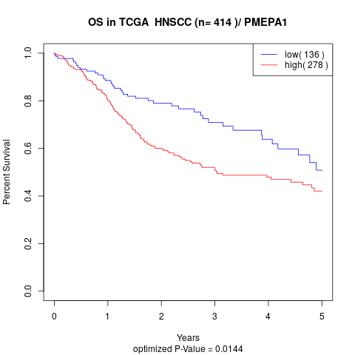

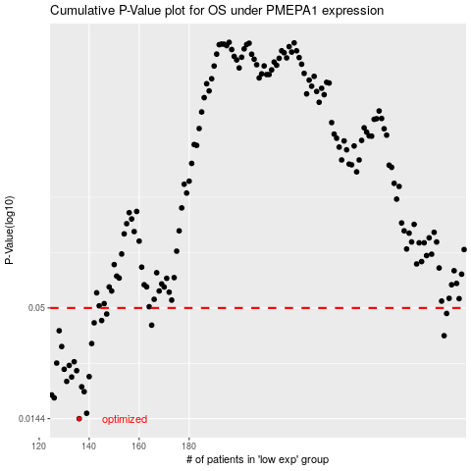

 |  |  |  |  |  | cases_OS | p_OS | rank | exp
 |  |  |  |  |  | 136 | 0.0144 | 113 | -0.47279190182
 |  |  |  |  |  | 139 | 0.0153 | 247 | -0.46821312839
 |  |  |  |  |  | 126 | 0.0182 | 201 | -0.50007077417
 |  |  |  |  |  | 125 | 0.0188 | 25 | -0.50400686733
 |  |  |  |  |  | 138 | 0.0195 | 116 | -0.46926227223
 |  |  |  |  |  | 137 | 0.0206 | 298 | -0.47165025783
 |  |  |  |  |  | 131 | 0.0219 | 3 | -0.49493939406
 |  |  |  |  |  | 133 | 0.023 | 142 | -0.48860554439
 |  |  |  |  |  | 140 | 0.0231 | 257 | -0.46666938862
 |  |  |  |  |  | 135 | 0.0247 | 230 | -0.47426850699
 |  |  |  |  |  | 130 | 0.0251 | 351 | -0.49518250217
 |  |  |  |  |  | 132 | 0.0262 | 309 | -0.48954196683
 |  |  |  |  |  | 127 | 0.0269 | 21 | -0.49820423834
 |  |  |  |  |  | 134 | 0.0273 | 331 | -0.47699504506
 |  |  |  |  |  | 129 | 0.0324 | 106 | -0.49772630474
 |  |  |  |  |  | 141 | 0.0335 | 107 | -0.46102882092
 |  |  |  |  |  | 282 | 0.0366 | 181 | 0.32557912785
 |  |  |  |  |  | 128 | 0.0387 | 17 | -0.49805877466
 |  |  |  |  |  | 165 | 0.0412 | 66 | -0.37101828395
 |  |  |  |  |  | 142 | 0.0423 | 115 | -0.45775226449
 |  |  |  |  |  | 145 | 0.0434 | 209 | -0.43835483169
 |  |  |  |  |  | 147 | 0.0467 | 379 | -0.42341147993
 |  |  |  |  |  | 283 | 0.047 | 87 | 0.32759782465
 |  |  |  |  |  |  | cases_RFS | p_RFS | rank | exp
 |  |  |  |  |  |  | 135 | 0.0144 | 230 | -0.47426850699
 |  |  |  |  |  |  | 138 | 0.0153 | 116 | -0.46926227223
 |  |  |  |  |  |  | 125 | 0.0182 | 25 | -0.50400686733
 |  |  |  |  |  |  |  | 0.0188 | 204 | -0.50871690102
 |  |  |  |  |  |  | 137 | 0.0195 | 298 | -0.47165025783
 |  |  |  |  |  |  | 136 | 0.0206 | 113 | -0.47279190182
 |  |  |  |  |  |  | 130 | 0.0219 | 351 | -0.49518250217
 |  |  |  |  |  |  | 132 | 0.023 | 309 | -0.48954196683
 |  |  |  |  |  |  | 139 | 0.0231 | 247 | -0.46821312839
 |  |  |  |  |  |  | 134 | 0.0247 | 331 | -0.47699504506
 |  |  |  |  |  |  | 129 | 0.0251 | 106 | -0.49772630474
 |  |  |  |  |  |  | 131 | 0.0262 | 3 | -0.49493939406
 |  |  |  |  |  |  | 126 | 0.0269 | 201 | -0.50007077417
 |  |  |  |  |  |  | 133 | 0.0273 | 142 | -0.48860554439
 |  |  |  |  |  |  | 128 | 0.0324 | 17 | -0.49805877466
 |  |  |  |  |  |  | 140 | 0.0335 | 257 | -0.46666938862
 |  |  |  |  |  |  | 281 | 0.0366 | 57 | 0.30120357594
 |  |  |  |  |  |  | 127 | 0.0387 | 21 | -0.49820423834
 |  |  |  |  |  |  | 164 | 0.0412 | 128 | -0.37320043326
 |  |  |  |  |  |  | 141 | 0.0423 | 107 | -0.46102882092
 |  |  |  |  |  |  | 144 | 0.0434 | 157 | -0.44313960318
 |  |  |  |  |  |  | 146 | 0.0467 | 178 | -0.43745331925
 |  |  |  |  |  |  | 282 | 0.047 | 181 | 0.32557912785

