PMFBP1 _multivariate
Reported by Tex Li-Hsing Chi. tex@gate.sinica.edu.tw 2019-08-17

Table 2. The clinicopathological features of HNSCC cohort and PMFBP1 expression. (Chi square test)
Cutoff at -0.292 (50.0%)
 |  | PMFBP1 expression |  | PMFBP1 expression |  | (Optimised)
 | Features | Low | (%) | High | (%) | Case no | P-value | Remark | Matthews
Gender | Female | 155 | 37.3 | 151 | 36.4 | 415 | 0.6768 | 0 | 0
2 | Male | 52 | 12.5 | 57 | 13.7
Age at diagnosis | <=65y | 125 | 30.1 | 149 | 35.9 | 415 | 0.0206 | 1 | 0
4 | >65y | 82 | 19.8 | 59 | 14.2
Clinical T Status | T1+T2 | 80 | 19.3 | 69 | 16.6 | 415 | 0.2891 | 0 | 0
6 | T3+T4 | 127 | 30.6 | 139 | 33.5
Clinical N Status | N0 | 105 | 25.3 | 111 | 26.7 | 415 | 0.6598 | 0 | 0
8 | N1-3 | 102 | 24.6 | 97 | 23.4
Clinical M Status | M0 | 205 | 49.4 | 207 | 49.9 | 415 | 0.6232 | 0 | 0
10 | M1 | 2 | 0.5 | 1 | 0.2
Clinical Stage | Stage I+II | 54 | 13 | 48 | 11.6 | 415 | 0.5498 | 0 | 0
12 | Stage III+IV | 153 | 36.9 | 160 | 38.6
Surgical Margin status | Negative | 161 | 38.8 | 157 | 37.8 | 415 | 0.6429 | 0 | 0
14 | Positive | 46 | 11.1 | 51 | 12.3
Tobacco Exposure | Low | 79 | 19 | 82 | 19.8 | 415 | 0.8405 | 0 | 0
16 | High | 128 | 30.8 | 126 | 30.4

Table 3. Univariate/Multivariate Cox's proportional hazards regression analyses on OS time of PMFBP1 gene expression in HNSCC

 |  | Univariate |  |  |  | Multivariate
 | Features | HR | CI95%(L) | CI95%(H) | P-value | HR | CI95%(L) | CI95%(H) | P-value
1 | Female | 1 |  |  |  | 1
Gender | Male | 1.157 | 0.843 | 1.587 | 0.367 | 1.208 | 0.864 | 1.689 | 0.269
11 | <=65y | 1 |  |  |  | 1
Age at diagnosis | >65y | 1.329 | 0.99 | 1.784 | 0.058 | 1.376 | 1.01 | 1.874 | 0.043
12 | T1+T2 | 1 |  |  |  | 1
Clinical T Status | T3+T4 | 1.409 | 1.028 | 1.931 | 0.033 | 2.227 | 1.177 | 4.212 | 0.014
13 | N0 | 1 |  |  |  | 1
Clinical N Status | N1-3 | 1.185 | 0.89 | 1.577 | 0.246 | 1.23 | 0.862 | 1.756 | 0.254
14 | M0 | 1 |  |  |  | 1
Clinical M Status | M1 | 4.097 | 1.009 | 16.644 | 0.049 | 9.394 | 2.049 | 43.065 | 0.004
15 | Stage I+II | 1 |  |  |  | 1
Clinical Stage | Stage III+IV | 1.245 | 0.882 | 1.759 | 0.213 | 0.504 | 0.235 | 1.083 | 0.079
16 | Negative | 1 |  |  |  | 1
Surgical Margin status | Positive | 1.591 | 1.155 | 2.191 | 0.004 | 1.681 | 1.217 | 2.323 | 0.002
17 | Low | 1 |  |  |  | 1
Tobacco Exposure | High | 1.364 | 1.008 | 1.844 | 0.044 | 1.446 | 1.048 | 1.993 | 0.025
18 | Low | 1 |  |  |  | 1
RNAseq(z-score) | High | 0.876 | 0.658 | 1.167 | 0.367 | 0.895 | 0.67 | 1.195 | 0.452

Table 4. Univariate/Multivariate Cox's proportional hazards regression analyses on RFS time of PMFBP1 gene expression in HNSCC

 |  | Univariate |  |  |  | Multivariate
 | Features | HR | CI95%(L) | CI95%(H) | P-value | HR | CI95%(L) | CI95%(H) | P-value
1 | Female | 1 |  |  |  | 1
Gender | Male | 1.157 | 0.843 | 1.587 | 0.367 | 1.208 | 0.864 | 1.689 | 0.269
11 | <=65y | 1 |  |  |  | 1
Age at diagnosis | >65y | 1.329 | 0.99 | 1.784 | 0.058 | 1.376 | 1.01 | 1.874 | 0.043
12 | T1+T2 | 1 |  |  |  | 1
Clinical T Status | T3+T4 | 1.409 | 1.028 | 1.931 | 0.033 | 2.227 | 1.177 | 4.212 | 0.014
13 | N0 | 1 |  |  |  | 1
Clinical N Status | N1-3 | 1.185 | 0.89 | 1.577 | 0.246 | 1.23 | 0.862 | 1.756 | 0.254
14 | M0 | 1 |  |  |  | 1
Clinical M Status | M1 | 4.097 | 1.009 | 16.644 | 0.049 | 9.394 | 2.049 | 43.065 | 0.004
15 | Stage I+II | 1 |  |  |  | 1
Clinical Stage | Stage III+IV | 1.245 | 0.882 | 1.759 | 0.213 | 0.504 | 0.235 | 1.083 | 0.079
16 | Negative | 1 |  |  |  | 1
Surgical Margin status | Positive | 1.591 | 1.155 | 2.191 | 0.004 | 1.681 | 1.217 | 2.323 | 0.002
17 | Low | 1 |  |  |  | 1
Tobacco Exposure | High | 1.364 | 1.008 | 1.844 | 0.044 | 1.446 | 1.048 | 1.993 | 0.025
18 | Low | 1 |  |  |  | 1
RNAseq(z-score) | High | 0.876 | 0.658 | 1.167 | 0.367 | 0.895 | 0.67 | 1.195 | 0.452

Kaplan-Meier survival estimate: Cutoff at -0.292 (50.0%)



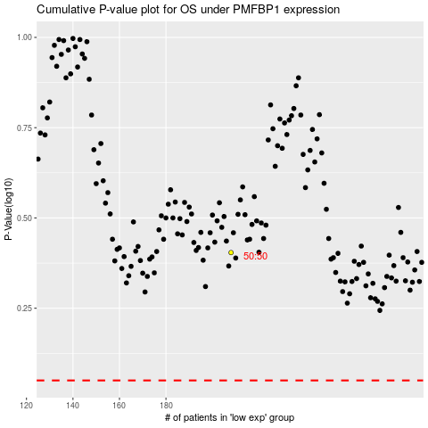

 |  |  |  |  |  | cases_OS | p_OS | rank | exp
 |  |  |  |  |  |  | cases_RFS | p_RFS | rank | exp

