PMS2L1 _multivariate
Reported by Tex Li-Hsing Chi. tex@gate.sinica.edu.tw 2019-08-16

Table 2. The clinicopathological features of HNSCC cohort and PMS2L1 expression. (Chi square test)
Cutoff at -0.293 (49.8%)
 |  | PMS2L1 expression |  | PMS2L1 expression |  | (Optimised)
 | Features | Low | (%) | High | (%) | Case no | P-value | Remark | Matthews
Gender | Female | 148 | 35.7 | 158 | 38.1 | 415 | 0.3567 | 0 | 0
2 | Male | 59 | 14.2 | 50 | 12
Age at diagnosis | <=65y | 136 | 32.8 | 138 | 33.3 | 415 | 0.9719 | 0 | 0
4 | >65y | 71 | 17.1 | 70 | 16.9
Clinical T Status | T1+T2 | 83 | 20 | 66 | 15.9 | 415 | 0.0941 | 0 | 0
6 | T3+T4 | 124 | 29.9 | 142 | 34.2
Clinical N Status | N0 | 110 | 26.5 | 106 | 25.5 | 415 | 0.7294 | 0 | 0
8 | N1-3 | 97 | 23.4 | 102 | 24.6
Clinical M Status | M0 | 207 | 49.9 | 205 | 49.4 | 415 | 0.2482 | 0 | 0
10 | M1 | 0 | 0 | 3 | 0.7
Clinical Stage | Stage I+II | 60 | 14.5 | 42 | 10.1 | 415 | 0.0493 | 1 | 0
12 | Stage III+IV | 147 | 35.4 | 166 | 40
Surgical Margin status | Negative | 164 | 39.5 | 154 | 37.1 | 415 | 0.2462 | 0 | 0
14 | Positive | 43 | 10.4 | 54 | 13
Tobacco Exposure | Low | 90 | 21.7 | 71 | 17.1 | 415 | 0.0559 | 0 | 0
16 | High | 117 | 28.2 | 137 | 33

Table 3. Univariate/Multivariate Cox's proportional hazards regression analyses on OS time of PMS2L1 gene expression in HNSCC

 |  | Univariate |  |  |  | Multivariate
 | Features | HR | CI95%(L) | CI95%(H) | P-value | HR | CI95%(L) | CI95%(H) | P-value
1 | Female | 1 |  |  |  | 1
Gender | Male | 1.157 | 0.843 | 1.587 | 0.367 | 1.21 | 0.866 | 1.691 | 0.264
11 | <=65y | 1 |  |  |  | 1
Age at diagnosis | >65y | 1.329 | 0.99 | 1.784 | 0.058 | 1.391 | 1.023 | 1.892 | 0.035
12 | T1+T2 | 1 |  |  |  | 1
Clinical T Status | T3+T4 | 1.409 | 1.028 | 1.931 | 0.033 | 2.246 | 1.186 | 4.252 | 0.013
13 | N0 | 1 |  |  |  | 1
Clinical N Status | N1-3 | 1.185 | 0.89 | 1.577 | 0.246 | 1.231 | 0.863 | 1.757 | 0.251
14 | M0 | 1 |  |  |  | 1
Clinical M Status | M1 | 4.097 | 1.009 | 16.644 | 0.049 | 10.374 | 2.233 | 48.196 | 0.003
15 | Stage I+II | 1 |  |  |  | 1
Clinical Stage | Stage III+IV | 1.245 | 0.882 | 1.759 | 0.213 | 0.502 | 0.234 | 1.078 | 0.077
16 | Negative | 1 |  |  |  | 1
Surgical Margin status | Positive | 1.591 | 1.155 | 2.191 | 0.004 | 1.714 | 1.235 | 2.378 | 0.001
17 | Low | 1 |  |  |  | 1
Tobacco Exposure | High | 1.364 | 1.008 | 1.844 | 0.044 | 1.481 | 1.072 | 2.046 | 0.017
18 | Low | 1 |  |  |  | 1
RNAseq(z-score) | High | 0.994 | 0.747 | 1.324 | 0.969 | 0.863 | 0.643 | 1.159 | 0.328

Table 4. Univariate/Multivariate Cox's proportional hazards regression analyses on RFS time of PMS2L1 gene expression in HNSCC

 |  | Univariate |  |  |  | Multivariate
 | Features | HR | CI95%(L) | CI95%(H) | P-value | HR | CI95%(L) | CI95%(H) | P-value
1 | Female | 1 |  |  |  | 1
Gender | Male | 1.157 | 0.843 | 1.587 | 0.367 | 1.21 | 0.866 | 1.691 | 0.264
11 | <=65y | 1 |  |  |  | 1
Age at diagnosis | >65y | 1.329 | 0.99 | 1.784 | 0.058 | 1.391 | 1.023 | 1.892 | 0.035
12 | T1+T2 | 1 |  |  |  | 1
Clinical T Status | T3+T4 | 1.409 | 1.028 | 1.931 | 0.033 | 2.246 | 1.186 | 4.252 | 0.013
13 | N0 | 1 |  |  |  | 1
Clinical N Status | N1-3 | 1.185 | 0.89 | 1.577 | 0.246 | 1.231 | 0.863 | 1.757 | 0.251
14 | M0 | 1 |  |  |  | 1
Clinical M Status | M1 | 4.097 | 1.009 | 16.644 | 0.049 | 10.374 | 2.233 | 48.196 | 0.003
15 | Stage I+II | 1 |  |  |  | 1
Clinical Stage | Stage III+IV | 1.245 | 0.882 | 1.759 | 0.213 | 0.502 | 0.234 | 1.078 | 0.077
16 | Negative | 1 |  |  |  | 1
Surgical Margin status | Positive | 1.591 | 1.155 | 2.191 | 0.004 | 1.714 | 1.235 | 2.378 | 0.001
17 | Low | 1 |  |  |  | 1
Tobacco Exposure | High | 1.364 | 1.008 | 1.844 | 0.044 | 1.481 | 1.072 | 2.046 | 0.017
18 | Low | 1 |  |  |  | 1
RNAseq(z-score) | High | 0.994 | 0.747 | 1.324 | 0.969 | 0.863 | 0.643 | 1.159 | 0.328

Kaplan-Meier survival estimate: Cutoff at -0.293 (49.8%)



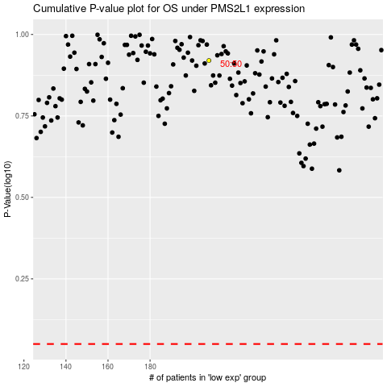

 |  |  |  |  |  | cases_OS | p_OS | rank | exp
 |  |  |  |  |  |  | cases_RFS | p_RFS | rank | exp

