PMS2L2 _multivariate
Reported by Tex Li-Hsing Chi. tex@gate.sinica.edu.tw 2019-08-16

Table 2. The clinicopathological features of HNSCC cohort and PMS2L2 expression. (Chi square test)
Cutoff at -0.273 (49.8%)
 |  | PMS2L2 expression |  | PMS2L2 expression |  | (Optimised)
 | Features | Low | (%) | High | (%) | Case no | P-value | Remark | Matthews
Gender | Female | 151 | 36.4 | 155 | 37.3 | 415 | 0.8007 | 0 | 0
2 | Male | 56 | 13.5 | 53 | 12.8
Age at diagnosis | <=65y | 137 | 33 | 137 | 33 | 415 | 1 | 0 | 0
4 | >65y | 70 | 16.9 | 71 | 17.1
Clinical T Status | T1+T2 | 81 | 19.5 | 68 | 16.4 | 415 | 0.206 | 0 | 0
6 | T3+T4 | 126 | 30.4 | 140 | 33.7
Clinical N Status | N0 | 102 | 24.6 | 114 | 27.5 | 415 | 0.3031 | 0 | 0
8 | N1-3 | 105 | 25.3 | 94 | 22.7
Clinical M Status | M0 | 207 | 49.9 | 205 | 49.4 | 415 | 0.2482 | 0 | 0
10 | M1 | 0 | 0 | 3 | 0.7
Clinical Stage | Stage I+II | 57 | 13.7 | 45 | 10.8 | 415 | 0.1998 | 0 | 0
12 | Stage III+IV | 150 | 36.1 | 163 | 39.3
Surgical Margin status | Negative | 162 | 39 | 156 | 37.6 | 415 | 0.4867 | 0 | 0
14 | Positive | 45 | 10.8 | 52 | 12.5
Tobacco Exposure | Low | 85 | 20.5 | 76 | 18.3 | 415 | 0.3655 | 0 | 0
16 | High | 122 | 29.4 | 132 | 31.8

Table 3. Univariate/Multivariate Cox's proportional hazards regression analyses on OS time of PMS2L2 gene expression in HNSCC

 |  | Univariate |  |  |  | Multivariate
 | Features | HR | CI95%(L) | CI95%(H) | P-value | HR | CI95%(L) | CI95%(H) | P-value
1 | Female | 1 |  |  |  | 1
Gender | Male | 1.157 | 0.843 | 1.587 | 0.367 | 1.214 | 0.868 | 1.697 | 0.258
11 | <=65y | 1 |  |  |  | 1
Age at diagnosis | >65y | 1.329 | 0.99 | 1.784 | 0.058 | 1.388 | 1.02 | 1.888 | 0.037
12 | T1+T2 | 1 |  |  |  | 1
Clinical T Status | T3+T4 | 1.409 | 1.028 | 1.931 | 0.033 | 2.205 | 1.166 | 4.169 | 0.015
13 | N0 | 1 |  |  |  | 1
Clinical N Status | N1-3 | 1.185 | 0.89 | 1.577 | 0.246 | 1.213 | 0.849 | 1.733 | 0.288
14 | M0 | 1 |  |  |  | 1
Clinical M Status | M1 | 4.097 | 1.009 | 16.644 | 0.049 | 10.616 | 2.294 | 49.135 | 0.003
15 | Stage I+II | 1 |  |  |  | 1
Clinical Stage | Stage III+IV | 1.245 | 0.882 | 1.759 | 0.213 | 0.513 | 0.239 | 1.102 | 0.087
16 | Negative | 1 |  |  |  | 1
Surgical Margin status | Positive | 1.591 | 1.155 | 2.191 | 0.004 | 1.703 | 1.231 | 2.355 | 0.001
17 | Low | 1 |  |  |  | 1
Tobacco Exposure | High | 1.364 | 1.008 | 1.844 | 0.044 | 1.47 | 1.066 | 2.028 | 0.019
18 | Low | 1 |  |  |  | 1
RNAseq(z-score) | High | 0.86 | 0.646 | 1.146 | 0.304 | 0.809 | 0.604 | 1.082 | 0.153

Table 4. Univariate/Multivariate Cox's proportional hazards regression analyses on RFS time of PMS2L2 gene expression in HNSCC

 |  | Univariate |  |  |  | Multivariate
 | Features | HR | CI95%(L) | CI95%(H) | P-value | HR | CI95%(L) | CI95%(H) | P-value
1 | Female | 1 |  |  |  | 1
Gender | Male | 1.157 | 0.843 | 1.587 | 0.367 | 1.214 | 0.868 | 1.697 | 0.258
11 | <=65y | 1 |  |  |  | 1
Age at diagnosis | >65y | 1.329 | 0.99 | 1.784 | 0.058 | 1.388 | 1.02 | 1.888 | 0.037
12 | T1+T2 | 1 |  |  |  | 1
Clinical T Status | T3+T4 | 1.409 | 1.028 | 1.931 | 0.033 | 2.205 | 1.166 | 4.169 | 0.015
13 | N0 | 1 |  |  |  | 1
Clinical N Status | N1-3 | 1.185 | 0.89 | 1.577 | 0.246 | 1.213 | 0.849 | 1.733 | 0.288
14 | M0 | 1 |  |  |  | 1
Clinical M Status | M1 | 4.097 | 1.009 | 16.644 | 0.049 | 10.616 | 2.294 | 49.135 | 0.003
15 | Stage I+II | 1 |  |  |  | 1
Clinical Stage | Stage III+IV | 1.245 | 0.882 | 1.759 | 0.213 | 0.513 | 0.239 | 1.102 | 0.087
16 | Negative | 1 |  |  |  | 1
Surgical Margin status | Positive | 1.591 | 1.155 | 2.191 | 0.004 | 1.703 | 1.231 | 2.355 | 0.001
17 | Low | 1 |  |  |  | 1
Tobacco Exposure | High | 1.364 | 1.008 | 1.844 | 0.044 | 1.47 | 1.066 | 2.028 | 0.019
18 | Low | 1 |  |  |  | 1
RNAseq(z-score) | High | 0.86 | 0.646 | 1.146 | 0.304 | 0.809 | 0.604 | 1.082 | 0.153

Kaplan-Meier survival estimate: Cutoff at -0.273 (49.8%)



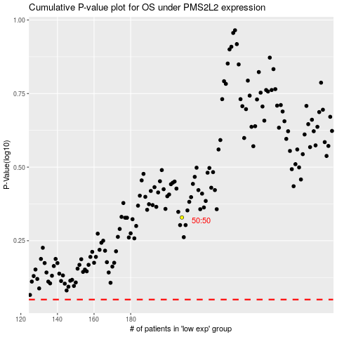

 |  |  |  |  |  | cases_OS | p_OS | rank | exp
 |  |  |  |  |  |  | cases_RFS | p_RFS | rank | exp

