PMS2L3 _multivariate
Reported by Tex Li-Hsing Chi. tex@gate.sinica.edu.tw 2019-08-16

Table 2. The clinicopathological features of HNSCC cohort and PMS2L3 expression. (Chi square test)
Cutoff at -0.217 (48.3%)
 |  | PMS2L3 expression |  | PMS2L3 expression |  | (Optimised)
 | Features | Low | (%) | High | (%) | Case no | P-value | Remark | Matthews
Gender | Female | 141 | 34 | 165 | 39.8 | 415 | 0.1344 | 0 | 0
2 | Male | 60 | 14.5 | 49 | 11.8
Age at diagnosis | <=65y | 133 | 32 | 141 | 34 | 415 | 1 | 0 | 0
4 | >65y | 68 | 16.4 | 73 | 17.6
Clinical T Status | T1+T2 | 73 | 17.6 | 76 | 18.3 | 415 | 0.9455 | 0 | 0
6 | T3+T4 | 128 | 30.8 | 138 | 33.3
Clinical N Status | N0 | 101 | 24.3 | 115 | 27.7 | 415 | 0.54 | 0 | 0
8 | N1-3 | 100 | 24.1 | 99 | 23.9
Clinical M Status | M0 | 199 | 48 | 213 | 51.3 | 415 | 0.6126 | 0 | 0
10 | M1 | 2 | 0.5 | 1 | 0.2
Clinical Stage | Stage I+II | 50 | 12 | 52 | 12.5 | 415 | 0.9822 | 0 | 0
12 | Stage III+IV | 151 | 36.4 | 162 | 39
Surgical Margin status | Negative | 156 | 37.6 | 162 | 39 | 415 | 0.7279 | 0 | 0
14 | Positive | 45 | 10.8 | 52 | 12.5
Tobacco Exposure | Low | 79 | 19 | 82 | 19.8 | 415 | 0.841 | 0 | 0
16 | High | 122 | 29.4 | 132 | 31.8

Table 3. Univariate/Multivariate Cox's proportional hazards regression analyses on OS time of PMS2L3 gene expression in HNSCC

 |  | Univariate |  |  |  | Multivariate
 | Features | HR | CI95%(L) | CI95%(H) | P-value | HR | CI95%(L) | CI95%(H) | P-value
1 | Female | 1 |  |  |  | 1
Gender | Male | 1.157 | 0.843 | 1.587 | 0.367 | 1.155 | 0.824 | 1.619 | 0.402
11 | <=65y | 1 |  |  |  | 1
Age at diagnosis | >65y | 1.329 | 0.99 | 1.784 | 0.058 | 1.414 | 1.039 | 1.924 | 0.028
12 | T1+T2 | 1 |  |  |  | 1
Clinical T Status | T3+T4 | 1.409 | 1.028 | 1.931 | 0.033 | 2.217 | 1.173 | 4.193 | 0.014
13 | N0 | 1 |  |  |  | 1
Clinical N Status | N1-3 | 1.185 | 0.89 | 1.577 | 0.246 | 1.23 | 0.863 | 1.755 | 0.252
14 | M0 | 1 |  |  |  | 1
Clinical M Status | M1 | 4.097 | 1.009 | 16.644 | 0.049 | 8.611 | 1.875 | 39.555 | 0.006
15 | Stage I+II | 1 |  |  |  | 1
Clinical Stage | Stage III+IV | 1.245 | 0.882 | 1.759 | 0.213 | 0.504 | 0.234 | 1.082 | 0.079
16 | Negative | 1 |  |  |  | 1
Surgical Margin status | Positive | 1.591 | 1.155 | 2.191 | 0.004 | 1.725 | 1.246 | 2.386 | 0.001
17 | Low | 1 |  |  |  | 1
Tobacco Exposure | High | 1.364 | 1.008 | 1.844 | 0.044 | 1.473 | 1.066 | 2.034 | 0.019
18 | Low | 1 |  |  |  | 1
RNAseq(z-score) | High | 0.749 | 0.561 | 0.998 | 0.049 | 0.727 | 0.543 | 0.973 | 0.032

Table 4. Univariate/Multivariate Cox's proportional hazards regression analyses on RFS time of PMS2L3 gene expression in HNSCC

 |  | Univariate |  |  |  | Multivariate
 | Features | HR | CI95%(L) | CI95%(H) | P-value | HR | CI95%(L) | CI95%(H) | P-value
1 | Female | 1 |  |  |  | 1
Gender | Male | 1.157 | 0.843 | 1.587 | 0.367 | 1.155 | 0.824 | 1.619 | 0.402
11 | <=65y | 1 |  |  |  | 1
Age at diagnosis | >65y | 1.329 | 0.99 | 1.784 | 0.058 | 1.414 | 1.039 | 1.924 | 0.028
12 | T1+T2 | 1 |  |  |  | 1
Clinical T Status | T3+T4 | 1.409 | 1.028 | 1.931 | 0.033 | 2.217 | 1.173 | 4.193 | 0.014
13 | N0 | 1 |  |  |  | 1
Clinical N Status | N1-3 | 1.185 | 0.89 | 1.577 | 0.246 | 1.23 | 0.863 | 1.755 | 0.252
14 | M0 | 1 |  |  |  | 1
Clinical M Status | M1 | 4.097 | 1.009 | 16.644 | 0.049 | 8.611 | 1.875 | 39.555 | 0.006
15 | Stage I+II | 1 |  |  |  | 1
Clinical Stage | Stage III+IV | 1.245 | 0.882 | 1.759 | 0.213 | 0.504 | 0.234 | 1.082 | 0.079
16 | Negative | 1 |  |  |  | 1
Surgical Margin status | Positive | 1.591 | 1.155 | 2.191 | 0.004 | 1.725 | 1.246 | 2.386 | 0.001
17 | Low | 1 |  |  |  | 1
Tobacco Exposure | High | 1.364 | 1.008 | 1.844 | 0.044 | 1.473 | 1.066 | 2.034 | 0.019
18 | Low | 1 |  |  |  | 1
RNAseq(z-score) | High | 0.749 | 0.561 | 0.998 | 0.049 | 0.727 | 0.543 | 0.973 | 0.032

Kaplan-Meier survival estimate: Cutoff at -0.217 (48.3%)



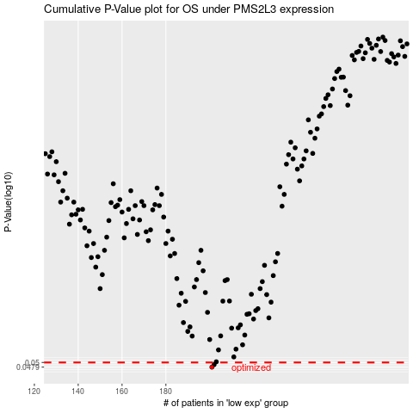

 |  |  |  |  |  | cases_OS | p_OS | rank | exp
 |  |  |  |  |  | 201 | 0.0479 | 172 | -0.21683317785
 |  |  |  |  |  | 202 | 0.049 | 25 | -0.21161952418
 |  |  |  |  |  |  | cases_RFS | p_RFS | rank | exp
 |  |  |  |  |  |  | 200 | 0.0479 | 137 | -0.22095694211
 |  |  |  |  |  |  | 201 | 0.049 | 172 | -0.21683317785

