PMVK _multivariate
Reported by Tex Li-Hsing Chi. tex@gate.sinica.edu.tw 2019-08-16

Table 2. The clinicopathological features of HNSCC cohort and PMVK expression. (Chi square test)
Cutoff at -0.318 (48.1%)
 |  | PMVK expression |  | PMVK expression |  | (Optimised)
 | Features | Low | (%) | High | (%) | Case no | P-value | Remark | Matthews
Gender | Female | 150 | 36.1 | 156 | 37.6 | 415 | 0.5366 | 0 | 0
2 | Male | 49 | 11.8 | 60 | 14.5
Age at diagnosis | <=65y | 128 | 30.8 | 146 | 35.2 | 415 | 0.5491 | 0 | 0
4 | >65y | 71 | 17.1 | 70 | 16.9
Clinical T Status | T1+T2 | 65 | 15.7 | 84 | 20.2 | 415 | 0.2231 | 0 | 0
6 | T3+T4 | 134 | 32.3 | 132 | 31.8
Clinical N Status | N0 | 93 | 22.4 | 123 | 29.6 | 415 | 0.0475 | 1 | 0
8 | N1-3 | 106 | 25.5 | 93 | 22.4
Clinical M Status | M0 | 198 | 47.7 | 214 | 51.6 | 415 | 1 | 0 | 0
10 | M1 | 1 | 0.2 | 2 | 0.5
Clinical Stage | Stage I+II | 46 | 11.1 | 56 | 13.5 | 415 | 0.5822 | 0 | 0
12 | Stage III+IV | 153 | 36.9 | 160 | 38.6
Surgical Margin status | Negative | 155 | 37.3 | 163 | 39.3 | 415 | 0.5643 | 0 | 0
14 | Positive | 44 | 10.6 | 53 | 12.8
Tobacco Exposure | Low | 66 | 15.9 | 95 | 22.9 | 415 | 0.0267 | 1 | 0
16 | High | 133 | 32 | 121 | 29.2

Table 3. Univariate/Multivariate Cox's proportional hazards regression analyses on OS time of PMVK gene expression in HNSCC

 |  | Univariate |  |  |  | Multivariate
 | Features | HR | CI95%(L) | CI95%(H) | P-value | HR | CI95%(L) | CI95%(H) | P-value
1 | Female | 1 |  |  |  | 1
Gender | Male | 1.157 | 0.843 | 1.587 | 0.367 | 1.253 | 0.894 | 1.756 | 0.191
11 | <=65y | 1 |  |  |  | 1
Age at diagnosis | >65y | 1.329 | 0.99 | 1.784 | 0.058 | 1.361 | 1.001 | 1.851 | 0.049
12 | T1+T2 | 1 |  |  |  | 1
Clinical T Status | T3+T4 | 1.409 | 1.028 | 1.931 | 0.033 | 2.147 | 1.135 | 4.063 | 0.019
13 | N0 | 1 |  |  |  | 1
Clinical N Status | N1-3 | 1.185 | 0.89 | 1.577 | 0.246 | 1.182 | 0.827 | 1.689 | 0.36
14 | M0 | 1 |  |  |  | 1
Clinical M Status | M1 | 4.097 | 1.009 | 16.644 | 0.049 | 10.434 | 2.269 | 47.987 | 0.003
15 | Stage I+II | 1 |  |  |  | 1
Clinical Stage | Stage III+IV | 1.245 | 0.882 | 1.759 | 0.213 | 0.533 | 0.247 | 1.147 | 0.107
16 | Negative | 1 |  |  |  | 1
Surgical Margin status | Positive | 1.591 | 1.155 | 2.191 | 0.004 | 1.747 | 1.261 | 2.42 | 0.001
17 | Low | 1 |  |  |  | 1
Tobacco Exposure | High | 1.364 | 1.008 | 1.844 | 0.044 | 1.45 | 1.051 | 2.001 | 0.024
18 | Low | 1 |  |  |  | 1
RNAseq(z-score) | High | 0.747 | 0.56 | 0.997 | 0.047 | 0.717 | 0.533 | 0.964 | 0.027

Table 4. Univariate/Multivariate Cox's proportional hazards regression analyses on RFS time of PMVK gene expression in HNSCC

 |  | Univariate |  |  |  | Multivariate
 | Features | HR | CI95%(L) | CI95%(H) | P-value | HR | CI95%(L) | CI95%(H) | P-value
1 | Female | 1 |  |  |  | 1
Gender | Male | 1.157 | 0.843 | 1.587 | 0.367 | 1.253 | 0.894 | 1.756 | 0.191
11 | <=65y | 1 |  |  |  | 1
Age at diagnosis | >65y | 1.329 | 0.99 | 1.784 | 0.058 | 1.361 | 1.001 | 1.851 | 0.049
12 | T1+T2 | 1 |  |  |  | 1
Clinical T Status | T3+T4 | 1.409 | 1.028 | 1.931 | 0.033 | 2.147 | 1.135 | 4.063 | 0.019
13 | N0 | 1 |  |  |  | 1
Clinical N Status | N1-3 | 1.185 | 0.89 | 1.577 | 0.246 | 1.182 | 0.827 | 1.689 | 0.36
14 | M0 | 1 |  |  |  | 1
Clinical M Status | M1 | 4.097 | 1.009 | 16.644 | 0.049 | 10.434 | 2.269 | 47.987 | 0.003
15 | Stage I+II | 1 |  |  |  | 1
Clinical Stage | Stage III+IV | 1.245 | 0.882 | 1.759 | 0.213 | 0.533 | 0.247 | 1.147 | 0.107
16 | Negative | 1 |  |  |  | 1
Surgical Margin status | Positive | 1.591 | 1.155 | 2.191 | 0.004 | 1.747 | 1.261 | 2.42 | 0.001
17 | Low | 1 |  |  |  | 1
Tobacco Exposure | High | 1.364 | 1.008 | 1.844 | 0.044 | 1.45 | 1.051 | 2.001 | 0.024
18 | Low | 1 |  |  |  | 1
RNAseq(z-score) | High | 0.747 | 0.56 | 0.997 | 0.047 | 0.717 | 0.533 | 0.964 | 0.027

Kaplan-Meier survival estimate: Cutoff at -0.318 (48.1%)



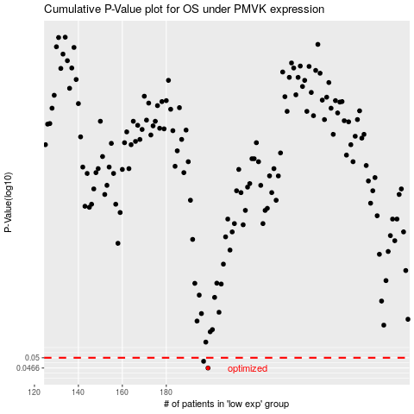

 |  |  |  |  |  | cases_OS | p_OS | rank | exp
 |  |  |  |  |  | 199 | 0.0466 | 50 | -0.31827278105
 |  |  |  |  |  | 197 | 0.0488 | 36 | -0.32306963158
 |  |  |  |  |  |  | cases_RFS | p_RFS | rank | exp
 |  |  |  |  |  |  | 198 | 0.0466 | 215 | -0.32006716415
 |  |  |  |  |  |  | 196 | 0.0488 | 216 | -0.32341462041

