PNCK _multivariate
Reported by Tex Li-Hsing Chi. tex@gate.sinica.edu.tw 2019-08-16

Table 2. The clinicopathological features of HNSCC cohort and PNCK expression. (Chi square test)
Cutoff at -0.395 (49.8%)
 |  | PNCK expression |  | PNCK expression |  | (Optimised)
 | Features | Low | (%) | High | (%) | Case no | P-value | Remark | Matthews
Gender | Female | 145 | 34.9 | 161 | 38.8 | 415 | 0.1116 | 0 | 0
2 | Male | 62 | 14.9 | 47 | 11.3
Age at diagnosis | <=65y | 136 | 32.8 | 138 | 33.3 | 415 | 0.9719 | 0 | 0
4 | >65y | 71 | 17.1 | 70 | 16.9
Clinical T Status | T1+T2 | 86 | 20.7 | 63 | 15.2 | 415 | 0.0221 | 1 | 0
6 | T3+T4 | 121 | 29.2 | 145 | 34.9
Clinical N Status | N0 | 111 | 26.7 | 105 | 25.3 | 415 | 0.5875 | 0 | 0
8 | N1-3 | 96 | 23.1 | 103 | 24.8
Clinical M Status | M0 | 206 | 49.6 | 206 | 49.6 | 415 | 1 | 0 | 0
10 | M1 | 1 | 0.2 | 2 | 0.5
Clinical Stage | Stage I+II | 66 | 15.9 | 36 | 8.7 | 415 | 9e-04 | 1 | 0
12 | Stage III+IV | 141 | 34 | 172 | 41.4
Surgical Margin status | Negative | 163 | 39.3 | 155 | 37.3 | 415 | 0.3537 | 0 | 0
14 | Positive | 44 | 10.6 | 53 | 12.8
Tobacco Exposure | Low | 100 | 24.1 | 61 | 14.7 | 415 | 1e-04 | 1 | 0
16 | High | 107 | 25.8 | 147 | 35.4

Table 3. Univariate/Multivariate Cox's proportional hazards regression analyses on OS time of PNCK gene expression in HNSCC

 |  | Univariate |  |  |  | Multivariate
 | Features | HR | CI95%(L) | CI95%(H) | P-value | HR | CI95%(L) | CI95%(H) | P-value
1 | Female | 1 |  |  |  | 1
Gender | Male | 1.157 | 0.843 | 1.587 | 0.367 | 1.195 | 0.855 | 1.671 | 0.298
11 | <=65y | 1 |  |  |  | 1
Age at diagnosis | >65y | 1.329 | 0.99 | 1.784 | 0.058 | 1.389 | 1.021 | 1.888 | 0.036
12 | T1+T2 | 1 |  |  |  | 1
Clinical T Status | T3+T4 | 1.409 | 1.028 | 1.931 | 0.033 | 2.193 | 1.16 | 4.149 | 0.016
13 | N0 | 1 |  |  |  | 1
Clinical N Status | N1-3 | 1.185 | 0.89 | 1.577 | 0.246 | 1.236 | 0.866 | 1.764 | 0.243
14 | M0 | 1 |  |  |  | 1
Clinical M Status | M1 | 4.097 | 1.009 | 16.644 | 0.049 | 9.413 | 2.054 | 43.146 | 0.004
15 | Stage I+II | 1 |  |  |  | 1
Clinical Stage | Stage III+IV | 1.245 | 0.882 | 1.759 | 0.213 | 0.514 | 0.238 | 1.109 | 0.09
16 | Negative | 1 |  |  |  | 1
Surgical Margin status | Positive | 1.591 | 1.155 | 2.191 | 0.004 | 1.679 | 1.214 | 2.322 | 0.002
17 | Low | 1 |  |  |  | 1
Tobacco Exposure | High | 1.364 | 1.008 | 1.844 | 0.044 | 1.469 | 1.062 | 2.034 | 0.02
18 | Low | 1 |  |  |  | 1
RNAseq(z-score) | High | 1.012 | 0.759 | 1.348 | 0.936 | 0.939 | 0.694 | 1.271 | 0.686

Table 4. Univariate/Multivariate Cox's proportional hazards regression analyses on RFS time of PNCK gene expression in HNSCC

 |  | Univariate |  |  |  | Multivariate
 | Features | HR | CI95%(L) | CI95%(H) | P-value | HR | CI95%(L) | CI95%(H) | P-value
1 | Female | 1 |  |  |  | 1
Gender | Male | 1.157 | 0.843 | 1.587 | 0.367 | 1.195 | 0.855 | 1.671 | 0.298
11 | <=65y | 1 |  |  |  | 1
Age at diagnosis | >65y | 1.329 | 0.99 | 1.784 | 0.058 | 1.389 | 1.021 | 1.888 | 0.036
12 | T1+T2 | 1 |  |  |  | 1
Clinical T Status | T3+T4 | 1.409 | 1.028 | 1.931 | 0.033 | 2.193 | 1.16 | 4.149 | 0.016
13 | N0 | 1 |  |  |  | 1
Clinical N Status | N1-3 | 1.185 | 0.89 | 1.577 | 0.246 | 1.236 | 0.866 | 1.764 | 0.243
14 | M0 | 1 |  |  |  | 1
Clinical M Status | M1 | 4.097 | 1.009 | 16.644 | 0.049 | 9.413 | 2.054 | 43.146 | 0.004
15 | Stage I+II | 1 |  |  |  | 1
Clinical Stage | Stage III+IV | 1.245 | 0.882 | 1.759 | 0.213 | 0.514 | 0.238 | 1.109 | 0.09
16 | Negative | 1 |  |  |  | 1
Surgical Margin status | Positive | 1.591 | 1.155 | 2.191 | 0.004 | 1.679 | 1.214 | 2.322 | 0.002
17 | Low | 1 |  |  |  | 1
Tobacco Exposure | High | 1.364 | 1.008 | 1.844 | 0.044 | 1.469 | 1.062 | 2.034 | 0.02
18 | Low | 1 |  |  |  | 1
RNAseq(z-score) | High | 1.012 | 0.759 | 1.348 | 0.936 | 0.939 | 0.694 | 1.271 | 0.686

Kaplan-Meier survival estimate: Cutoff at -0.395 (49.8%)



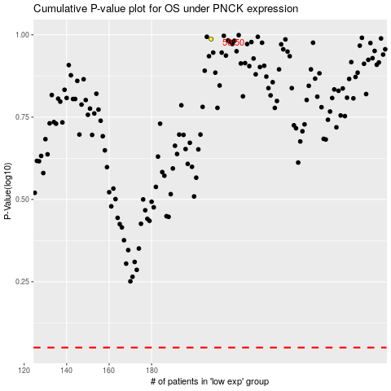

 |  |  |  |  |  | cases_OS | p_OS | rank | exp
 |  |  |  |  |  |  | cases_RFS | p_RFS | rank | exp

