PNLIPRP3 _multivariate
Reported by Tex Li-Hsing Chi. tex@gate.sinica.edu.tw 2019-08-16

Table 2. The clinicopathological features of HNSCC cohort and PNLIPRP3 expression. (Chi square test)
Cutoff at -0.428 (50.0%)
 |  | PNLIPRP3 expression |  | PNLIPRP3 expression |  | (Optimised)
 | Features | Low | (%) | High | (%) | Case no | P-value | Remark | Matthews
Gender | Female | 162 | 39 | 144 | 34.7 | 415 | 0.0479 | 1 | 0
2 | Male | 45 | 10.8 | 64 | 15.4
Age at diagnosis | <=65y | 141 | 34 | 133 | 32 | 415 | 0.4272 | 0 | 0
4 | >65y | 66 | 15.9 | 75 | 18.1
Clinical T Status | T1+T2 | 75 | 18.1 | 74 | 17.8 | 415 | 0.9707 | 0 | 0
6 | T3+T4 | 132 | 31.8 | 134 | 32.3
Clinical N Status | N0 | 98 | 23.6 | 118 | 28.4 | 415 | 0.0694 | 0 | 0
8 | N1-3 | 109 | 26.3 | 90 | 21.7
Clinical M Status | M0 | 206 | 49.6 | 206 | 49.6 | 415 | 1 | 0 | 0
10 | M1 | 1 | 0.2 | 2 | 0.5
Clinical Stage | Stage I+II | 44 | 10.6 | 58 | 14 | 415 | 0.1459 | 0 | 0
12 | Stage III+IV | 163 | 39.3 | 150 | 36.1
Surgical Margin status | Negative | 155 | 37.3 | 163 | 39.3 | 415 | 0.4187 | 0 | 0
14 | Positive | 52 | 12.5 | 45 | 10.8
Tobacco Exposure | Low | 64 | 15.4 | 97 | 23.4 | 415 | 0.0012 | 1 | 0
16 | High | 143 | 34.5 | 111 | 26.7

Table 3. Univariate/Multivariate Cox's proportional hazards regression analyses on OS time of PNLIPRP3 gene expression in HNSCC

 |  | Univariate |  |  |  | Multivariate
 | Features | HR | CI95%(L) | CI95%(H) | P-value | HR | CI95%(L) | CI95%(H) | P-value
1 | Female | 1 |  |  |  | 1
Gender | Male | 1.157 | 0.843 | 1.587 | 0.367 | 1.194 | 0.853 | 1.67 | 0.301
11 | <=65y | 1 |  |  |  | 1
Age at diagnosis | >65y | 1.329 | 0.99 | 1.784 | 0.058 | 1.386 | 1.019 | 1.885 | 0.037
12 | T1+T2 | 1 |  |  |  | 1
Clinical T Status | T3+T4 | 1.409 | 1.028 | 1.931 | 0.033 | 2.19 | 1.157 | 4.142 | 0.016
13 | N0 | 1 |  |  |  | 1
Clinical N Status | N1-3 | 1.185 | 0.89 | 1.577 | 0.246 | 1.246 | 0.873 | 1.778 | 0.226
14 | M0 | 1 |  |  |  | 1
Clinical M Status | M1 | 4.097 | 1.009 | 16.644 | 0.049 | 9.136 | 1.98 | 42.151 | 0.005
15 | Stage I+II | 1 |  |  |  | 1
Clinical Stage | Stage III+IV | 1.245 | 0.882 | 1.759 | 0.213 | 0.511 | 0.237 | 1.1 | 0.086
16 | Negative | 1 |  |  |  | 1
Surgical Margin status | Positive | 1.591 | 1.155 | 2.191 | 0.004 | 1.675 | 1.212 | 2.315 | 0.002
17 | Low | 1 |  |  |  | 1
Tobacco Exposure | High | 1.364 | 1.008 | 1.844 | 0.044 | 1.47 | 1.062 | 2.036 | 0.02
18 | Low | 1 |  |  |  | 1
RNAseq(z-score) | High | 1.016 | 0.763 | 1.353 | 0.914 | 1.065 | 0.787 | 1.44 | 0.685

Table 4. Univariate/Multivariate Cox's proportional hazards regression analyses on RFS time of PNLIPRP3 gene expression in HNSCC

 |  | Univariate |  |  |  | Multivariate
 | Features | HR | CI95%(L) | CI95%(H) | P-value | HR | CI95%(L) | CI95%(H) | P-value
1 | Female | 1 |  |  |  | 1
Gender | Male | 1.157 | 0.843 | 1.587 | 0.367 | 1.194 | 0.853 | 1.67 | 0.301
11 | <=65y | 1 |  |  |  | 1
Age at diagnosis | >65y | 1.329 | 0.99 | 1.784 | 0.058 | 1.386 | 1.019 | 1.885 | 0.037
12 | T1+T2 | 1 |  |  |  | 1
Clinical T Status | T3+T4 | 1.409 | 1.028 | 1.931 | 0.033 | 2.19 | 1.157 | 4.142 | 0.016
13 | N0 | 1 |  |  |  | 1
Clinical N Status | N1-3 | 1.185 | 0.89 | 1.577 | 0.246 | 1.246 | 0.873 | 1.778 | 0.226
14 | M0 | 1 |  |  |  | 1
Clinical M Status | M1 | 4.097 | 1.009 | 16.644 | 0.049 | 9.136 | 1.98 | 42.151 | 0.005
15 | Stage I+II | 1 |  |  |  | 1
Clinical Stage | Stage III+IV | 1.245 | 0.882 | 1.759 | 0.213 | 0.511 | 0.237 | 1.1 | 0.086
16 | Negative | 1 |  |  |  | 1
Surgical Margin status | Positive | 1.591 | 1.155 | 2.191 | 0.004 | 1.675 | 1.212 | 2.315 | 0.002
17 | Low | 1 |  |  |  | 1
Tobacco Exposure | High | 1.364 | 1.008 | 1.844 | 0.044 | 1.47 | 1.062 | 2.036 | 0.02
18 | Low | 1 |  |  |  | 1
RNAseq(z-score) | High | 1.016 | 0.763 | 1.353 | 0.914 | 1.065 | 0.787 | 1.44 | 0.685

Kaplan-Meier survival estimate: Cutoff at -0.428 (50.0%)



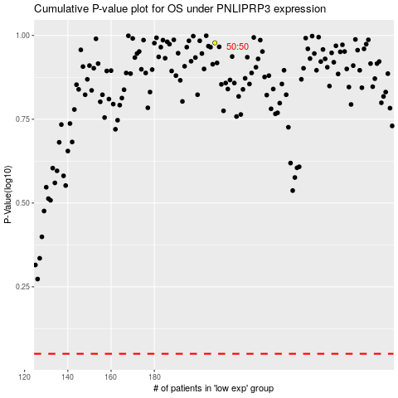

 |  |  |  |  |  | cases_OS | p_OS | rank | exp
 |  |  |  |  |  |  | cases_RFS | p_RFS | rank | exp

