PNMA2 _multivariate
Reported by Tex Li-Hsing Chi. tex@gate.sinica.edu.tw 2019-08-16

Table 2. The clinicopathological features of HNSCC cohort and PNMA2 expression. (Chi square test)
Cutoff at -0.245 (49.8%)
 |  | PNMA2 expression |  | PNMA2 expression |  | (Optimised)
 | Features | Low | (%) | High | (%) | Case no | P-value | Remark | Matthews
Gender | Female | 155 | 37.3 | 151 | 36.4 | 415 | 0.6768 | 0 | 0
2 | Male | 52 | 12.5 | 57 | 13.7
Age at diagnosis | <=65y | 136 | 32.8 | 138 | 33.3 | 415 | 0.9719 | 0 | 0
4 | >65y | 71 | 17.1 | 70 | 16.9
Clinical T Status | T1+T2 | 75 | 18.1 | 74 | 17.8 | 415 | 0.9707 | 0 | 0
6 | T3+T4 | 132 | 31.8 | 134 | 32.3
Clinical N Status | N0 | 116 | 28 | 100 | 24.1 | 415 | 0.1273 | 1 | 0
8 | N1-3 | 91 | 21.9 | 108 | 26
Clinical M Status | M0 | 204 | 49.2 | 208 | 50.1 | 415 | 0.1232 | 0 | 0
10 | M1 | 3 | 0.7 | 0 | 0
Clinical Stage | Stage I+II | 50 | 12 | 52 | 12.5 | 415 | 0.9315 | 0 | 0
12 | Stage III+IV | 157 | 37.8 | 156 | 37.6
Surgical Margin status | Negative | 159 | 38.3 | 159 | 38.3 | 415 | 1 | 0 | 0
14 | Positive | 48 | 11.6 | 49 | 11.8
Tobacco Exposure | Low | 88 | 21.2 | 73 | 17.6 | 415 | 0.1314 | 0 | 0
16 | High | 119 | 28.7 | 135 | 32.5

Table 3. Univariate/Multivariate Cox's proportional hazards regression analyses on OS time of PNMA2 gene expression in HNSCC

 |  | Univariate |  |  |  | Multivariate
 | Features | HR | CI95%(L) | CI95%(H) | P-value | HR | CI95%(L) | CI95%(H) | P-value
1 | Female | 1 |  |  |  | 1
Gender | Male | 1.157 | 0.843 | 1.587 | 0.367 | 1.193 | 0.854 | 1.667 | 0.301
11 | <=65y | 1 |  |  |  | 1
Age at diagnosis | >65y | 1.329 | 0.99 | 1.784 | 0.058 | 1.4 | 1.029 | 1.905 | 0.032
12 | T1+T2 | 1 |  |  |  | 1
Clinical T Status | T3+T4 | 1.409 | 1.028 | 1.931 | 0.033 | 2.188 | 1.157 | 4.139 | 0.016
13 | N0 | 1 |  |  |  | 1
Clinical N Status | N1-3 | 1.185 | 0.89 | 1.577 | 0.246 | 1.229 | 0.861 | 1.756 | 0.256
14 | M0 | 1 |  |  |  | 1
Clinical M Status | M1 | 4.097 | 1.009 | 16.644 | 0.049 | 9.865 | 2.138 | 45.523 | 0.003
15 | Stage I+II | 1 |  |  |  | 1
Clinical Stage | Stage III+IV | 1.245 | 0.882 | 1.759 | 0.213 | 0.51 | 0.237 | 1.096 | 0.085
16 | Negative | 1 |  |  |  | 1
Surgical Margin status | Positive | 1.591 | 1.155 | 2.191 | 0.004 | 1.664 | 1.204 | 2.299 | 0.002
17 | Low | 1 |  |  |  | 1
Tobacco Exposure | High | 1.364 | 1.008 | 1.844 | 0.044 | 1.44 | 1.044 | 1.985 | 0.026
18 | Low | 1 |  |  |  | 1
RNAseq(z-score) | High | 1.144 | 0.858 | 1.525 | 0.361 | 1.104 | 0.823 | 1.48 | 0.508

Table 4. Univariate/Multivariate Cox's proportional hazards regression analyses on RFS time of PNMA2 gene expression in HNSCC

 |  | Univariate |  |  |  | Multivariate
 | Features | HR | CI95%(L) | CI95%(H) | P-value | HR | CI95%(L) | CI95%(H) | P-value
1 | Female | 1 |  |  |  | 1
Gender | Male | 1.157 | 0.843 | 1.587 | 0.367 | 1.193 | 0.854 | 1.667 | 0.301
11 | <=65y | 1 |  |  |  | 1
Age at diagnosis | >65y | 1.329 | 0.99 | 1.784 | 0.058 | 1.4 | 1.029 | 1.905 | 0.032
12 | T1+T2 | 1 |  |  |  | 1
Clinical T Status | T3+T4 | 1.409 | 1.028 | 1.931 | 0.033 | 2.188 | 1.157 | 4.139 | 0.016
13 | N0 | 1 |  |  |  | 1
Clinical N Status | N1-3 | 1.185 | 0.89 | 1.577 | 0.246 | 1.229 | 0.861 | 1.756 | 0.256
14 | M0 | 1 |  |  |  | 1
Clinical M Status | M1 | 4.097 | 1.009 | 16.644 | 0.049 | 9.865 | 2.138 | 45.523 | 0.003
15 | Stage I+II | 1 |  |  |  | 1
Clinical Stage | Stage III+IV | 1.245 | 0.882 | 1.759 | 0.213 | 0.51 | 0.237 | 1.096 | 0.085
16 | Negative | 1 |  |  |  | 1
Surgical Margin status | Positive | 1.591 | 1.155 | 2.191 | 0.004 | 1.664 | 1.204 | 2.299 | 0.002
17 | Low | 1 |  |  |  | 1
Tobacco Exposure | High | 1.364 | 1.008 | 1.844 | 0.044 | 1.44 | 1.044 | 1.985 | 0.026
18 | Low | 1 |  |  |  | 1
RNAseq(z-score) | High | 1.144 | 0.858 | 1.525 | 0.361 | 1.104 | 0.823 | 1.48 | 0.508

Kaplan-Meier survival estimate: Cutoff at -0.245 (49.8%)



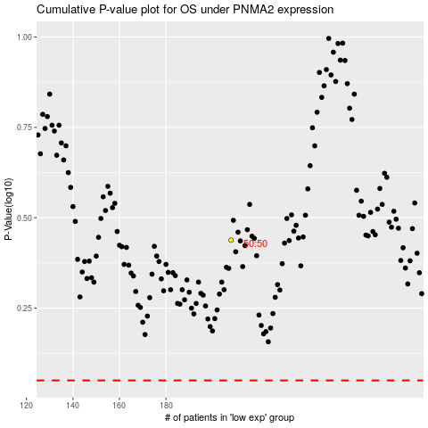

 |  |  |  |  |  | cases_OS | p_OS | rank | exp
 |  |  |  |  |  |  | cases_RFS | p_RFS | rank | exp

