PNN _multivariate
Reported by Tex Li-Hsing Chi. tex@gate.sinica.edu.tw 2019-08-16

Table 2. The clinicopathological features of HNSCC cohort and PNN expression. (Chi square test)
Cutoff at -0.215 (50.0%)
 |  | PNN expression |  | PNN expression |  | (Optimised)
 | Features | Low | (%) | High | (%) | Case no | P-value | Remark | Matthews
Gender | Female | 142 | 34.2 | 164 | 39.5 | 415 | 0.0238 | 1 | 0
2 | Male | 65 | 15.7 | 44 | 10.6
Age at diagnosis | <=65y | 135 | 32.5 | 139 | 33.5 | 415 | 0.8084 | 0 | 0
4 | >65y | 72 | 17.3 | 69 | 16.6
Clinical T Status | T1+T2 | 79 | 19 | 70 | 16.9 | 415 | 0.3924 | 0 | 0
6 | T3+T4 | 128 | 30.8 | 138 | 33.3
Clinical N Status | N0 | 106 | 25.5 | 110 | 26.5 | 415 | 0.8075 | 0 | 0
8 | N1-3 | 101 | 24.3 | 98 | 23.6
Clinical M Status | M0 | 205 | 49.4 | 207 | 49.9 | 415 | 0.6232 | 0 | 0
10 | M1 | 2 | 0.5 | 1 | 0.2
Clinical Stage | Stage I+II | 55 | 13.3 | 47 | 11.3 | 415 | 0.4087 | 0 | 0
12 | Stage III+IV | 152 | 36.6 | 161 | 38.8
Surgical Margin status | Negative | 167 | 40.2 | 151 | 36.4 | 415 | 0.0632 | 0 | 0
14 | Positive | 40 | 9.6 | 57 | 13.7
Tobacco Exposure | Low | 95 | 22.9 | 66 | 15.9 | 415 | 0.0035 | 1 | 0
16 | High | 112 | 27 | 142 | 34.2

Table 3. Univariate/Multivariate Cox's proportional hazards regression analyses on OS time of PNN gene expression in HNSCC

 |  | Univariate |  |  |  | Multivariate
 | Features | HR | CI95%(L) | CI95%(H) | P-value | HR | CI95%(L) | CI95%(H) | P-value
1 | Female | 1 |  |  |  | 1
Gender | Male | 1.157 | 0.843 | 1.587 | 0.367 | 1.177 | 0.839 | 1.651 | 0.345
11 | <=65y | 1 |  |  |  | 1
Age at diagnosis | >65y | 1.329 | 0.99 | 1.784 | 0.058 | 1.408 | 1.034 | 1.916 | 0.03
12 | T1+T2 | 1 |  |  |  | 1
Clinical T Status | T3+T4 | 1.409 | 1.028 | 1.931 | 0.033 | 2.203 | 1.165 | 4.165 | 0.015
13 | N0 | 1 |  |  |  | 1
Clinical N Status | N1-3 | 1.185 | 0.89 | 1.577 | 0.246 | 1.225 | 0.858 | 1.751 | 0.264
14 | M0 | 1 |  |  |  | 1
Clinical M Status | M1 | 4.097 | 1.009 | 16.644 | 0.049 | 9.083 | 1.977 | 41.736 | 0.005
15 | Stage I+II | 1 |  |  |  | 1
Clinical Stage | Stage III+IV | 1.245 | 0.882 | 1.759 | 0.213 | 0.513 | 0.239 | 1.102 | 0.087
16 | Negative | 1 |  |  |  | 1
Surgical Margin status | Positive | 1.591 | 1.155 | 2.191 | 0.004 | 1.689 | 1.221 | 2.335 | 0.002
17 | Low | 1 |  |  |  | 1
Tobacco Exposure | High | 1.364 | 1.008 | 1.844 | 0.044 | 1.468 | 1.064 | 2.026 | 0.019
18 | Low | 1 |  |  |  | 1
RNAseq(z-score) | High | 0.933 | 0.7 | 1.243 | 0.635 | 0.89 | 0.66 | 1.201 | 0.446

Table 4. Univariate/Multivariate Cox's proportional hazards regression analyses on RFS time of PNN gene expression in HNSCC

 |  | Univariate |  |  |  | Multivariate
 | Features | HR | CI95%(L) | CI95%(H) | P-value | HR | CI95%(L) | CI95%(H) | P-value
1 | Female | 1 |  |  |  | 1
Gender | Male | 1.157 | 0.843 | 1.587 | 0.367 | 1.177 | 0.839 | 1.651 | 0.345
11 | <=65y | 1 |  |  |  | 1
Age at diagnosis | >65y | 1.329 | 0.99 | 1.784 | 0.058 | 1.408 | 1.034 | 1.916 | 0.03
12 | T1+T2 | 1 |  |  |  | 1
Clinical T Status | T3+T4 | 1.409 | 1.028 | 1.931 | 0.033 | 2.203 | 1.165 | 4.165 | 0.015
13 | N0 | 1 |  |  |  | 1
Clinical N Status | N1-3 | 1.185 | 0.89 | 1.577 | 0.246 | 1.225 | 0.858 | 1.751 | 0.264
14 | M0 | 1 |  |  |  | 1
Clinical M Status | M1 | 4.097 | 1.009 | 16.644 | 0.049 | 9.083 | 1.977 | 41.736 | 0.005
15 | Stage I+II | 1 |  |  |  | 1
Clinical Stage | Stage III+IV | 1.245 | 0.882 | 1.759 | 0.213 | 0.513 | 0.239 | 1.102 | 0.087
16 | Negative | 1 |  |  |  | 1
Surgical Margin status | Positive | 1.591 | 1.155 | 2.191 | 0.004 | 1.689 | 1.221 | 2.335 | 0.002
17 | Low | 1 |  |  |  | 1
Tobacco Exposure | High | 1.364 | 1.008 | 1.844 | 0.044 | 1.468 | 1.064 | 2.026 | 0.019
18 | Low | 1 |  |  |  | 1
RNAseq(z-score) | High | 0.933 | 0.7 | 1.243 | 0.635 | 0.89 | 0.66 | 1.201 | 0.446

Kaplan-Meier survival estimate: Cutoff at -0.215 (50.0%)

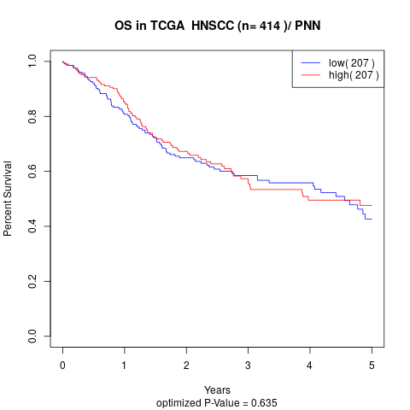

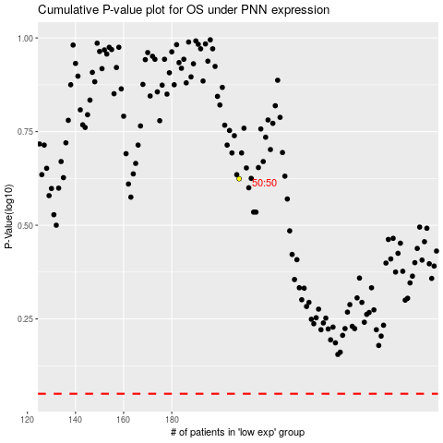

 |  |  |  |  |  | cases_OS | p_OS | rank | exp
 |  |  |  |  |  |  | cases_RFS | p_RFS | rank | exp

