PNP _multivariate
Reported by Tex Li-Hsing Chi. tex@gate.sinica.edu.tw 2019-08-16

Table 2. The clinicopathological features of HNSCC cohort and PNP expression. (Chi square test)
Cutoff at -0.177 (50.0%)
 |  | PNP expression |  | PNP expression |  | (Optimised)
 | Features | Low | (%) | High | (%) | Case no | P-value | Remark | Matthews
Gender | Female | 161 | 38.8 | 145 | 34.9 | 415 | 0.0792 | 0 | 0
2 | Male | 46 | 11.1 | 63 | 15.2
Age at diagnosis | <=65y | 139 | 33.5 | 135 | 32.5 | 415 | 0.7044 | 0 | 0
4 | >65y | 68 | 16.4 | 73 | 17.6
Clinical T Status | T1+T2 | 85 | 20.5 | 64 | 15.4 | 415 | 0.0372 | 1 | 0
6 | T3+T4 | 122 | 29.4 | 144 | 34.7
Clinical N Status | N0 | 105 | 25.3 | 111 | 26.7 | 415 | 0.6598 | 0 | 0
8 | N1-3 | 102 | 24.6 | 97 | 23.4
Clinical M Status | M0 | 207 | 49.9 | 205 | 49.4 | 415 | 0.2482 | 0 | 0
10 | M1 | 0 | 0 | 3 | 0.7
Clinical Stage | Stage I+II | 54 | 13 | 48 | 11.6 | 415 | 0.5498 | 0 | 0
12 | Stage III+IV | 153 | 36.9 | 160 | 38.6
Surgical Margin status | Negative | 162 | 39 | 156 | 37.6 | 415 | 0.4867 | 0 | 0
14 | Positive | 45 | 10.8 | 52 | 12.5
Tobacco Exposure | Low | 73 | 17.6 | 88 | 21.2 | 415 | 0.1587 | 0 | 0
16 | High | 134 | 32.3 | 120 | 28.9

Table 3. Univariate/Multivariate Cox's proportional hazards regression analyses on OS time of PNP gene expression in HNSCC

 |  | Univariate |  |  |  | Multivariate
 | Features | HR | CI95%(L) | CI95%(H) | P-value | HR | CI95%(L) | CI95%(H) | P-value
1 | Female | 1 |  |  |  | 1
Gender | Male | 1.157 | 0.843 | 1.587 | 0.367 | 1.204 | 0.86 | 1.684 | 0.28
11 | <=65y | 1 |  |  |  | 1
Age at diagnosis | >65y | 1.329 | 0.99 | 1.784 | 0.058 | 1.393 | 1.024 | 1.894 | 0.035
12 | T1+T2 | 1 |  |  |  | 1
Clinical T Status | T3+T4 | 1.409 | 1.028 | 1.931 | 0.033 | 2.209 | 1.165 | 4.188 | 0.015
13 | N0 | 1 |  |  |  | 1
Clinical N Status | N1-3 | 1.185 | 0.89 | 1.577 | 0.246 | 1.24 | 0.868 | 1.77 | 0.237
14 | M0 | 1 |  |  |  | 1
Clinical M Status | M1 | 4.097 | 1.009 | 16.644 | 0.049 | 9.503 | 2.041 | 44.249 | 0.004
15 | Stage I+II | 1 |  |  |  | 1
Clinical Stage | Stage III+IV | 1.245 | 0.882 | 1.759 | 0.213 | 0.504 | 0.234 | 1.082 | 0.079
16 | Negative | 1 |  |  |  | 1
Surgical Margin status | Positive | 1.591 | 1.155 | 2.191 | 0.004 | 1.672 | 1.21 | 2.31 | 0.002
17 | Low | 1 |  |  |  | 1
Tobacco Exposure | High | 1.364 | 1.008 | 1.844 | 0.044 | 1.452 | 1.054 | 2.001 | 0.023
18 | Low | 1 |  |  |  | 1
RNAseq(z-score) | High | 1.063 | 0.797 | 1.416 | 0.679 | 0.986 | 0.734 | 1.325 | 0.927

Table 4. Univariate/Multivariate Cox's proportional hazards regression analyses on RFS time of PNP gene expression in HNSCC

 |  | Univariate |  |  |  | Multivariate
 | Features | HR | CI95%(L) | CI95%(H) | P-value | HR | CI95%(L) | CI95%(H) | P-value
1 | Female | 1 |  |  |  | 1
Gender | Male | 1.157 | 0.843 | 1.587 | 0.367 | 1.204 | 0.86 | 1.684 | 0.28
11 | <=65y | 1 |  |  |  | 1
Age at diagnosis | >65y | 1.329 | 0.99 | 1.784 | 0.058 | 1.393 | 1.024 | 1.894 | 0.035
12 | T1+T2 | 1 |  |  |  | 1
Clinical T Status | T3+T4 | 1.409 | 1.028 | 1.931 | 0.033 | 2.209 | 1.165 | 4.188 | 0.015
13 | N0 | 1 |  |  |  | 1
Clinical N Status | N1-3 | 1.185 | 0.89 | 1.577 | 0.246 | 1.24 | 0.868 | 1.77 | 0.237
14 | M0 | 1 |  |  |  | 1
Clinical M Status | M1 | 4.097 | 1.009 | 16.644 | 0.049 | 9.503 | 2.041 | 44.249 | 0.004
15 | Stage I+II | 1 |  |  |  | 1
Clinical Stage | Stage III+IV | 1.245 | 0.882 | 1.759 | 0.213 | 0.504 | 0.234 | 1.082 | 0.079
16 | Negative | 1 |  |  |  | 1
Surgical Margin status | Positive | 1.591 | 1.155 | 2.191 | 0.004 | 1.672 | 1.21 | 2.31 | 0.002
17 | Low | 1 |  |  |  | 1
Tobacco Exposure | High | 1.364 | 1.008 | 1.844 | 0.044 | 1.452 | 1.054 | 2.001 | 0.023
18 | Low | 1 |  |  |  | 1
RNAseq(z-score) | High | 1.063 | 0.797 | 1.416 | 0.679 | 0.986 | 0.734 | 1.325 | 0.927

Kaplan-Meier survival estimate: Cutoff at -0.177 (50.0%)



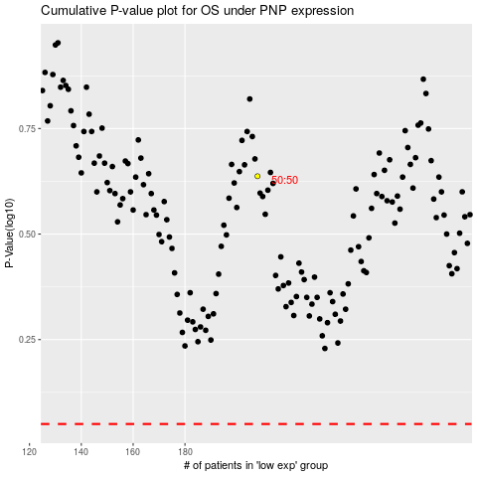

 |  |  |  |  |  | cases_OS | p_OS | rank | exp
 |  |  |  |  |  |  | cases_RFS | p_RFS | rank | exp

