PNPLA2 _multivariate
Reported by Tex Li-Hsing Chi. tex@gate.sinica.edu.tw 2019-08-16

Table 2. The clinicopathological features of HNSCC cohort and PNPLA2 expression. (Chi square test)
Cutoff at -0.359 (41.8%)
 |  | PNPLA2 expression |  | PNPLA2 expression |  | (Optimised)
 | Features | Low | (%) | High | (%) | Case no | P-value | Remark | Matthews
Gender | Female | 122 | 29.4 | 184 | 44.3 | 415 | 0.2522 | 0 | 0
2 | Male | 51 | 12.3 | 58 | 14
Age at diagnosis | <=65y | 108 | 26 | 166 | 40 | 415 | 0.2291 | 0 | 0
4 | >65y | 65 | 15.7 | 76 | 18.3
Clinical T Status | T1+T2 | 67 | 16.1 | 82 | 19.8 | 415 | 0.3626 | 0 | 0
6 | T3+T4 | 106 | 25.5 | 160 | 38.6
Clinical N Status | N0 | 89 | 21.4 | 127 | 30.6 | 415 | 0.9138 | 0 | 0
8 | N1-3 | 84 | 20.2 | 115 | 27.7
Clinical M Status | M0 | 171 | 41.2 | 241 | 58.1 | 415 | 0.5734 | 0 | 0
10 | M1 | 2 | 0.5 | 1 | 0.2
Clinical Stage | Stage I+II | 47 | 11.3 | 55 | 13.3 | 415 | 0.3574 | 0 | 0
12 | Stage III+IV | 126 | 30.4 | 187 | 45.1
Surgical Margin status | Negative | 131 | 31.6 | 187 | 45.1 | 415 | 0.7254 | 0 | 0
14 | Positive | 42 | 10.1 | 55 | 13.3
Tobacco Exposure | Low | 64 | 15.4 | 97 | 23.4 | 415 | 0.5413 | 0 | 0
16 | High | 109 | 26.3 | 145 | 34.9

Table 3. Univariate/Multivariate Cox's proportional hazards regression analyses on OS time of PNPLA2 gene expression in HNSCC

 |  | Univariate |  |  |  | Multivariate
 | Features | HR | CI95%(L) | CI95%(H) | P-value | HR | CI95%(L) | CI95%(H) | P-value
1 | Female | 1 |  |  |  | 1
Gender | Male | 1.157 | 0.843 | 1.587 | 0.367 | 1.155 | 0.825 | 1.616 | 0.401
11 | <=65y | 1 |  |  |  | 1
Age at diagnosis | >65y | 1.329 | 0.99 | 1.784 | 0.058 | 1.377 | 1.012 | 1.872 | 0.042
12 | T1+T2 | 1 |  |  |  | 1
Clinical T Status | T3+T4 | 1.409 | 1.028 | 1.931 | 0.033 | 2.295 | 1.211 | 4.348 | 0.011
13 | N0 | 1 |  |  |  | 1
Clinical N Status | N1-3 | 1.185 | 0.89 | 1.577 | 0.246 | 1.241 | 0.87 | 1.771 | 0.233
14 | M0 | 1 |  |  |  | 1
Clinical M Status | M1 | 4.097 | 1.009 | 16.644 | 0.049 | 9.136 | 1.991 | 41.914 | 0.004
15 | Stage I+II | 1 |  |  |  | 1
Clinical Stage | Stage III+IV | 1.245 | 0.882 | 1.759 | 0.213 | 0.493 | 0.23 | 1.059 | 0.07
16 | Negative | 1 |  |  |  | 1
Surgical Margin status | Positive | 1.591 | 1.155 | 2.191 | 0.004 | 1.729 | 1.248 | 2.395 | 0.001
17 | Low | 1 |  |  |  | 1
Tobacco Exposure | High | 1.364 | 1.008 | 1.844 | 0.044 | 1.426 | 1.033 | 1.968 | 0.031
18 | Low | 1 |  |  |  | 1
RNAseq(z-score) | High | 0.75 | 0.562 | 1 | 0.05 | 0.724 | 0.54 | 0.971 | 0.031

Table 4. Univariate/Multivariate Cox's proportional hazards regression analyses on RFS time of PNPLA2 gene expression in HNSCC

 |  | Univariate |  |  |  | Multivariate
 | Features | HR | CI95%(L) | CI95%(H) | P-value | HR | CI95%(L) | CI95%(H) | P-value
1 | Female | 1 |  |  |  | 1
Gender | Male | 1.157 | 0.843 | 1.587 | 0.367 | 1.155 | 0.825 | 1.616 | 0.401
11 | <=65y | 1 |  |  |  | 1
Age at diagnosis | >65y | 1.329 | 0.99 | 1.784 | 0.058 | 1.377 | 1.012 | 1.872 | 0.042
12 | T1+T2 | 1 |  |  |  | 1
Clinical T Status | T3+T4 | 1.409 | 1.028 | 1.931 | 0.033 | 2.295 | 1.211 | 4.348 | 0.011
13 | N0 | 1 |  |  |  | 1
Clinical N Status | N1-3 | 1.185 | 0.89 | 1.577 | 0.246 | 1.241 | 0.87 | 1.771 | 0.233
14 | M0 | 1 |  |  |  | 1
Clinical M Status | M1 | 4.097 | 1.009 | 16.644 | 0.049 | 9.136 | 1.991 | 41.914 | 0.004
15 | Stage I+II | 1 |  |  |  | 1
Clinical Stage | Stage III+IV | 1.245 | 0.882 | 1.759 | 0.213 | 0.493 | 0.23 | 1.059 | 0.07
16 | Negative | 1 |  |  |  | 1
Surgical Margin status | Positive | 1.591 | 1.155 | 2.191 | 0.004 | 1.729 | 1.248 | 2.395 | 0.001
17 | Low | 1 |  |  |  | 1
Tobacco Exposure | High | 1.364 | 1.008 | 1.844 | 0.044 | 1.426 | 1.033 | 1.968 | 0.031
18 | Low | 1 |  |  |  | 1
RNAseq(z-score) | High | 0.75 | 0.562 | 1 | 0.05 | 0.724 | 0.54 | 0.971 | 0.031

Kaplan-Meier survival estimate: Cutoff at -0.359 (41.8%)



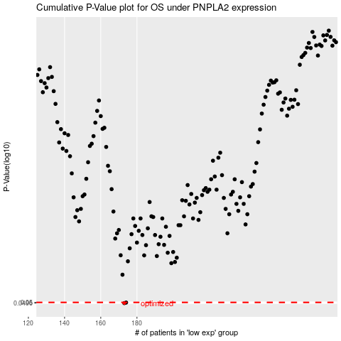

 |  |  |  |  |  | cases_OS | p_OS | rank | exp
 |  |  |  |  |  | 173 | 0.0496 | 358 | -0.35880972209
 |  |  |  |  |  | 174 | 0.0499 | 26 | -0.35866186492
 |  |  |  |  |  |  | cases_RFS | p_RFS | rank | exp
 |  |  |  |  |  |  | 172 | 0.0496 | 289 | -0.36103928632
 |  |  |  |  |  |  | 173 | 0.0499 | 358 | -0.35880972209

