PNPLA8 _multivariate
Reported by Tex Li-Hsing Chi. tex@gate.sinica.edu.tw 2019-08-16

Table 2. The clinicopathological features of HNSCC cohort and PNPLA8 expression. (Chi square test)
Cutoff at -0.144 (50.0%)
 |  | PNPLA8 expression |  | PNPLA8 expression |  | (Optimised)
 | Features | Low | (%) | High | (%) | Case no | P-value | Remark | Matthews
Gender | Female | 157 | 37.8 | 149 | 35.9 | 415 | 0.3881 | 0 | 0
2 | Male | 50 | 12 | 59 | 14.2
Age at diagnosis | <=65y | 129 | 31.1 | 145 | 34.9 | 415 | 0.1372 | 0 | 0
4 | >65y | 78 | 18.8 | 63 | 15.2
Clinical T Status | T1+T2 | 86 | 20.7 | 63 | 15.2 | 415 | 0.0221 | 1 | 0
6 | T3+T4 | 121 | 29.2 | 145 | 34.9
Clinical N Status | N0 | 104 | 25.1 | 112 | 27 | 415 | 0.5243 | 0 | 0
8 | N1-3 | 103 | 24.8 | 96 | 23.1
Clinical M Status | M0 | 205 | 49.4 | 207 | 49.9 | 415 | 0.6232 | 0 | 0
10 | M1 | 2 | 0.5 | 1 | 0.2
Clinical Stage | Stage I+II | 54 | 13 | 48 | 11.6 | 415 | 0.5498 | 0 | 0
12 | Stage III+IV | 153 | 36.9 | 160 | 38.6
Surgical Margin status | Negative | 154 | 37.1 | 164 | 39.5 | 415 | 0.2984 | 0 | 0
14 | Positive | 53 | 12.8 | 44 | 10.6
Tobacco Exposure | Low | 82 | 19.8 | 79 | 19 | 415 | 0.763 | 0 | 0
16 | High | 125 | 30.1 | 129 | 31.1

Table 3. Univariate/Multivariate Cox's proportional hazards regression analyses on OS time of PNPLA8 gene expression in HNSCC

 |  | Univariate |  |  |  | Multivariate
 | Features | HR | CI95%(L) | CI95%(H) | P-value | HR | CI95%(L) | CI95%(H) | P-value
1 | Female | 1 |  |  |  | 1
Gender | Male | 1.157 | 0.843 | 1.587 | 0.367 | 1.185 | 0.85 | 1.653 | 0.317
11 | <=65y | 1 |  |  |  | 1
Age at diagnosis | >65y | 1.329 | 0.99 | 1.784 | 0.058 | 1.426 | 1.047 | 1.942 | 0.024
12 | T1+T2 | 1 |  |  |  | 1
Clinical T Status | T3+T4 | 1.409 | 1.028 | 1.931 | 0.033 | 2.104 | 1.109 | 3.992 | 0.023
13 | N0 | 1 |  |  |  | 1
Clinical N Status | N1-3 | 1.185 | 0.89 | 1.577 | 0.246 | 1.262 | 0.884 | 1.802 | 0.201
14 | M0 | 1 |  |  |  | 1
Clinical M Status | M1 | 4.097 | 1.009 | 16.644 | 0.049 | 9.244 | 2.016 | 42.379 | 0.004
15 | Stage I+II | 1 |  |  |  | 1
Clinical Stage | Stage III+IV | 1.245 | 0.882 | 1.759 | 0.213 | 0.517 | 0.24 | 1.11 | 0.091
16 | Negative | 1 |  |  |  | 1
Surgical Margin status | Positive | 1.591 | 1.155 | 2.191 | 0.004 | 1.695 | 1.225 | 2.344 | 0.001
17 | Low | 1 |  |  |  | 1
Tobacco Exposure | High | 1.364 | 1.008 | 1.844 | 0.044 | 1.449 | 1.053 | 1.996 | 0.023
18 | Low | 1 |  |  |  | 1
RNAseq(z-score) | High | 1.192 | 0.895 | 1.589 | 0.229 | 1.231 | 0.918 | 1.649 | 0.165

Table 4. Univariate/Multivariate Cox's proportional hazards regression analyses on RFS time of PNPLA8 gene expression in HNSCC

 |  | Univariate |  |  |  | Multivariate
 | Features | HR | CI95%(L) | CI95%(H) | P-value | HR | CI95%(L) | CI95%(H) | P-value
1 | Female | 1 |  |  |  | 1
Gender | Male | 1.157 | 0.843 | 1.587 | 0.367 | 1.185 | 0.85 | 1.653 | 0.317
11 | <=65y | 1 |  |  |  | 1
Age at diagnosis | >65y | 1.329 | 0.99 | 1.784 | 0.058 | 1.426 | 1.047 | 1.942 | 0.024
12 | T1+T2 | 1 |  |  |  | 1
Clinical T Status | T3+T4 | 1.409 | 1.028 | 1.931 | 0.033 | 2.104 | 1.109 | 3.992 | 0.023
13 | N0 | 1 |  |  |  | 1
Clinical N Status | N1-3 | 1.185 | 0.89 | 1.577 | 0.246 | 1.262 | 0.884 | 1.802 | 0.201
14 | M0 | 1 |  |  |  | 1
Clinical M Status | M1 | 4.097 | 1.009 | 16.644 | 0.049 | 9.244 | 2.016 | 42.379 | 0.004
15 | Stage I+II | 1 |  |  |  | 1
Clinical Stage | Stage III+IV | 1.245 | 0.882 | 1.759 | 0.213 | 0.517 | 0.24 | 1.11 | 0.091
16 | Negative | 1 |  |  |  | 1
Surgical Margin status | Positive | 1.591 | 1.155 | 2.191 | 0.004 | 1.695 | 1.225 | 2.344 | 0.001
17 | Low | 1 |  |  |  | 1
Tobacco Exposure | High | 1.364 | 1.008 | 1.844 | 0.044 | 1.449 | 1.053 | 1.996 | 0.023
18 | Low | 1 |  |  |  | 1
RNAseq(z-score) | High | 1.192 | 0.895 | 1.589 | 0.229 | 1.231 | 0.918 | 1.649 | 0.165

Kaplan-Meier survival estimate: Cutoff at -0.144 (50.0%)



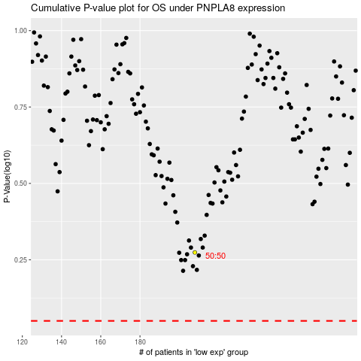

 |  |  |  |  |  | cases_OS | p_OS | rank | exp
 |  |  |  |  |  |  | cases_RFS | p_RFS | rank | exp

