PNPO _multivariate
Reported by Tex Li-Hsing Chi. tex@gate.sinica.edu.tw 2019-08-16

Table 2. The clinicopathological features of HNSCC cohort and PNPO expression. (Chi square test)
Cutoff at 0.208 (62.3%)
 |  | PNPO expression |  | PNPO expression |  | (Optimised)
 | Features | Low | (%) | High | (%) | Case no | P-value | Remark | Matthews
Gender | Female | 191 | 46 | 115 | 27.7 | 415 | 1 | 0 | 0
2 | Male | 68 | 16.4 | 41 | 9.9
Age at diagnosis | <=65y | 179 | 43.1 | 95 | 22.9 | 415 | 0.1086 | 0 | 0
4 | >65y | 80 | 19.3 | 61 | 14.7
Clinical T Status | T1+T2 | 92 | 22.2 | 57 | 13.7 | 415 | 0.9175 | 0 | 0
6 | T3+T4 | 167 | 40.2 | 99 | 23.9
Clinical N Status | N0 | 137 | 33 | 79 | 19 | 415 | 0.7309 | 0 | 0
8 | N1-3 | 122 | 29.4 | 77 | 18.6
Clinical M Status | M0 | 259 | 62.4 | 153 | 36.9 | 415 | 0.0525 | 0 | 0
10 | M1 | 0 | 0 | 3 | 0.7
Clinical Stage | Stage I+II | 68 | 16.4 | 34 | 8.2 | 415 | 0.3658 | 0 | 0
12 | Stage III+IV | 191 | 46 | 122 | 29.4
Surgical Margin status | Negative | 197 | 47.5 | 121 | 29.2 | 415 | 0.8109 | 0 | 0
14 | Positive | 62 | 14.9 | 35 | 8.4
Tobacco Exposure | Low | 95 | 22.9 | 66 | 15.9 | 415 | 0.2984 | 0 | 0
16 | High | 164 | 39.5 | 90 | 21.7

Table 3. Univariate/Multivariate Cox's proportional hazards regression analyses on OS time of PNPO gene expression in HNSCC

 |  | Univariate |  |  |  | Multivariate
 | Features | HR | CI95%(L) | CI95%(H) | P-value | HR | CI95%(L) | CI95%(H) | P-value
1 | Female | 1 |  |  |  | 1
Gender | Male | 1.157 | 0.843 | 1.587 | 0.367 | 1.217 | 0.87 | 1.701 | 0.251
11 | <=65y | 1 |  |  |  | 1
Age at diagnosis | >65y | 1.329 | 0.99 | 1.784 | 0.058 | 1.365 | 1.005 | 1.856 | 0.047
12 | T1+T2 | 1 |  |  |  | 1
Clinical T Status | T3+T4 | 1.409 | 1.028 | 1.931 | 0.033 | 2.289 | 1.21 | 4.328 | 0.011
13 | N0 | 1 |  |  |  | 1
Clinical N Status | N1-3 | 1.185 | 0.89 | 1.577 | 0.246 | 1.236 | 0.867 | 1.764 | 0.242
14 | M0 | 1 |  |  |  | 1
Clinical M Status | M1 | 4.097 | 1.009 | 16.644 | 0.049 | 8.16 | 1.771 | 37.6 | 0.007
15 | Stage I+II | 1 |  |  |  | 1
Clinical Stage | Stage III+IV | 1.245 | 0.882 | 1.759 | 0.213 | 0.47 | 0.218 | 1.012 | 0.054
16 | Negative | 1 |  |  |  | 1
Surgical Margin status | Positive | 1.591 | 1.155 | 2.191 | 0.004 | 1.671 | 1.209 | 2.308 | 0.002
17 | Low | 1 |  |  |  | 1
Tobacco Exposure | High | 1.364 | 1.008 | 1.844 | 0.044 | 1.49 | 1.08 | 2.057 | 0.015
18 | Low | 1 |  |  |  | 1
RNAseq(z-score) | High | 1.353 | 1.01 | 1.814 | 0.043 | 1.368 | 1.014 | 1.844 | 0.04

Table 4. Univariate/Multivariate Cox's proportional hazards regression analyses on RFS time of PNPO gene expression in HNSCC

 |  | Univariate |  |  |  | Multivariate
 | Features | HR | CI95%(L) | CI95%(H) | P-value | HR | CI95%(L) | CI95%(H) | P-value
1 | Female | 1 |  |  |  | 1
Gender | Male | 1.157 | 0.843 | 1.587 | 0.367 | 1.217 | 0.87 | 1.701 | 0.251
11 | <=65y | 1 |  |  |  | 1
Age at diagnosis | >65y | 1.329 | 0.99 | 1.784 | 0.058 | 1.365 | 1.005 | 1.856 | 0.047
12 | T1+T2 | 1 |  |  |  | 1
Clinical T Status | T3+T4 | 1.409 | 1.028 | 1.931 | 0.033 | 2.289 | 1.21 | 4.328 | 0.011
13 | N0 | 1 |  |  |  | 1
Clinical N Status | N1-3 | 1.185 | 0.89 | 1.577 | 0.246 | 1.236 | 0.867 | 1.764 | 0.242
14 | M0 | 1 |  |  |  | 1
Clinical M Status | M1 | 4.097 | 1.009 | 16.644 | 0.049 | 8.16 | 1.771 | 37.6 | 0.007
15 | Stage I+II | 1 |  |  |  | 1
Clinical Stage | Stage III+IV | 1.245 | 0.882 | 1.759 | 0.213 | 0.47 | 0.218 | 1.012 | 0.054
16 | Negative | 1 |  |  |  | 1
Surgical Margin status | Positive | 1.591 | 1.155 | 2.191 | 0.004 | 1.671 | 1.209 | 2.308 | 0.002
17 | Low | 1 |  |  |  | 1
Tobacco Exposure | High | 1.364 | 1.008 | 1.844 | 0.044 | 1.49 | 1.08 | 2.057 | 0.015
18 | Low | 1 |  |  |  | 1
RNAseq(z-score) | High | 1.353 | 1.01 | 1.814 | 0.043 | 1.368 | 1.014 | 1.844 | 0.04

Kaplan-Meier survival estimate: Cutoff at 0.208 (62.3%)



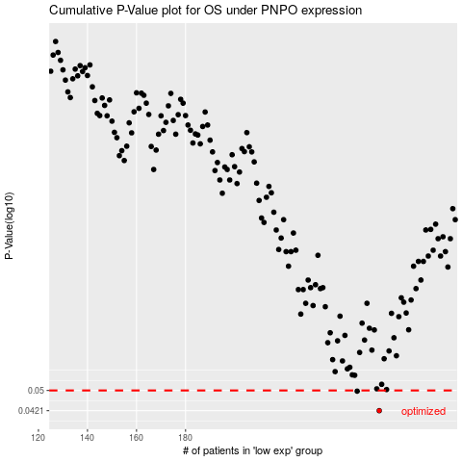

 |  |  |  |  |  | cases_OS | p_OS | rank | exp
 |  |  |  |  |  | 259 | 0.0421 | 206 | 0.20756438707
 |  |  |  |  |  | 250 | 0.0497 | 217 | 0.14097161797
 |  |  |  |  |  |  | cases_RFS | p_RFS | rank | exp
 |  |  |  |  |  |  | 258 | 0.0421 | 136 | 0.20399671429
 |  |  |  |  |  |  | 249 | 0.0497 | 101 | 0.1300255164

