PODXL2 _multivariate
Reported by Tex Li-Hsing Chi. tex@gate.sinica.edu.tw 2019-08-16

Table 2. The clinicopathological features of HNSCC cohort and PODXL2 expression. (Chi square test)
Cutoff at -0.401 (49.8%)
 |  | PODXL2 expression |  | PODXL2 expression |  | (Optimised)
 | Features | Low | (%) | High | (%) | Case no | P-value | Remark | Matthews
Gender | Female | 143 | 34.5 | 163 | 39.3 | 415 | 0.0416 | 1 | 0
2 | Male | 64 | 15.4 | 45 | 10.8
Age at diagnosis | <=65y | 122 | 29.4 | 152 | 36.6 | 415 | 0.0033 | 1 | 0
4 | >65y | 85 | 20.5 | 56 | 13.5
Clinical T Status | T1+T2 | 75 | 18.1 | 74 | 17.8 | 415 | 0.9707 | 0 | 0
6 | T3+T4 | 132 | 31.8 | 134 | 32.3
Clinical N Status | N0 | 106 | 25.5 | 110 | 26.5 | 415 | 0.8075 | 0 | 0
8 | N1-3 | 101 | 24.3 | 98 | 23.6
Clinical M Status | M0 | 206 | 49.6 | 206 | 49.6 | 415 | 1 | 0 | 0
10 | M1 | 1 | 0.2 | 2 | 0.5
Clinical Stage | Stage I+II | 57 | 13.7 | 45 | 10.8 | 415 | 0.1998 | 0 | 0
12 | Stage III+IV | 150 | 36.1 | 163 | 39.3
Surgical Margin status | Negative | 167 | 40.2 | 151 | 36.4 | 415 | 0.0632 | 0 | 0
14 | Positive | 40 | 9.6 | 57 | 13.7
Tobacco Exposure | Low | 101 | 24.3 | 60 | 14.5 | 415 | 0 | 1 | 0
16 | High | 106 | 25.5 | 148 | 35.7

Table 3. Univariate/Multivariate Cox's proportional hazards regression analyses on OS time of PODXL2 gene expression in HNSCC

 |  | Univariate |  |  |  | Multivariate
 | Features | HR | CI95%(L) | CI95%(H) | P-value | HR | CI95%(L) | CI95%(H) | P-value
1 | Female | 1 |  |  |  | 1
Gender | Male | 1.157 | 0.843 | 1.587 | 0.367 | 1.199 | 0.858 | 1.675 | 0.288
11 | <=65y | 1 |  |  |  | 1
Age at diagnosis | >65y | 1.329 | 0.99 | 1.784 | 0.058 | 1.387 | 1.019 | 1.887 | 0.037
12 | T1+T2 | 1 |  |  |  | 1
Clinical T Status | T3+T4 | 1.409 | 1.028 | 1.931 | 0.033 | 2.191 | 1.157 | 4.147 | 0.016
13 | N0 | 1 |  |  |  | 1
Clinical N Status | N1-3 | 1.185 | 0.89 | 1.577 | 0.246 | 1.234 | 0.863 | 1.764 | 0.249
14 | M0 | 1 |  |  |  | 1
Clinical M Status | M1 | 4.097 | 1.009 | 16.644 | 0.049 | 9.417 | 2.054 | 43.169 | 0.004
15 | Stage I+II | 1 |  |  |  | 1
Clinical Stage | Stage III+IV | 1.245 | 0.882 | 1.759 | 0.213 | 0.511 | 0.237 | 1.103 | 0.087
16 | Negative | 1 |  |  |  | 1
Surgical Margin status | Positive | 1.591 | 1.155 | 2.191 | 0.004 | 1.684 | 1.214 | 2.336 | 0.002
17 | Low | 1 |  |  |  | 1
Tobacco Exposure | High | 1.364 | 1.008 | 1.844 | 0.044 | 1.464 | 1.058 | 2.027 | 0.022
18 | Low | 1 |  |  |  | 1
RNAseq(z-score) | High | 1.017 | 0.762 | 1.358 | 0.909 | 0.958 | 0.707 | 1.298 | 0.78

Table 4. Univariate/Multivariate Cox's proportional hazards regression analyses on RFS time of PODXL2 gene expression in HNSCC

 |  | Univariate |  |  |  | Multivariate
 | Features | HR | CI95%(L) | CI95%(H) | P-value | HR | CI95%(L) | CI95%(H) | P-value
1 | Female | 1 |  |  |  | 1
Gender | Male | 1.157 | 0.843 | 1.587 | 0.367 | 1.199 | 0.858 | 1.675 | 0.288
11 | <=65y | 1 |  |  |  | 1
Age at diagnosis | >65y | 1.329 | 0.99 | 1.784 | 0.058 | 1.387 | 1.019 | 1.887 | 0.037
12 | T1+T2 | 1 |  |  |  | 1
Clinical T Status | T3+T4 | 1.409 | 1.028 | 1.931 | 0.033 | 2.191 | 1.157 | 4.147 | 0.016
13 | N0 | 1 |  |  |  | 1
Clinical N Status | N1-3 | 1.185 | 0.89 | 1.577 | 0.246 | 1.234 | 0.863 | 1.764 | 0.249
14 | M0 | 1 |  |  |  | 1
Clinical M Status | M1 | 4.097 | 1.009 | 16.644 | 0.049 | 9.417 | 2.054 | 43.169 | 0.004
15 | Stage I+II | 1 |  |  |  | 1
Clinical Stage | Stage III+IV | 1.245 | 0.882 | 1.759 | 0.213 | 0.511 | 0.237 | 1.103 | 0.087
16 | Negative | 1 |  |  |  | 1
Surgical Margin status | Positive | 1.591 | 1.155 | 2.191 | 0.004 | 1.684 | 1.214 | 2.336 | 0.002
17 | Low | 1 |  |  |  | 1
Tobacco Exposure | High | 1.364 | 1.008 | 1.844 | 0.044 | 1.464 | 1.058 | 2.027 | 0.022
18 | Low | 1 |  |  |  | 1
RNAseq(z-score) | High | 1.017 | 0.762 | 1.358 | 0.909 | 0.958 | 0.707 | 1.298 | 0.78

Kaplan-Meier survival estimate: Cutoff at -0.401 (49.8%)



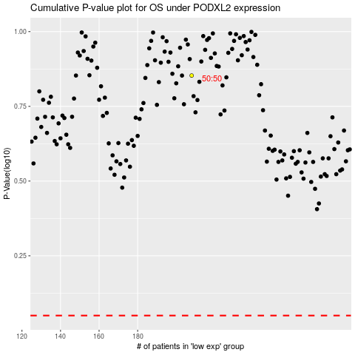

 |  |  |  |  |  | cases_OS | p_OS | rank | exp
 |  |  |  |  |  |  | cases_RFS | p_RFS | rank | exp

