POFUT1 _multivariate
Reported by Tex Li-Hsing Chi. tex@gate.sinica.edu.tw 2019-08-16

Table 2. The clinicopathological features of HNSCC cohort and POFUT1 expression. (Chi square test)
Cutoff at -0.245 (44.2%)
 |  | POFUT1 expression |  | POFUT1 expression |  | (Optimised)
 | Features | Low | (%) | High | (%) | Case no | P-value | Remark | Matthews
Gender | Female | 125 | 30.1 | 181 | 43.6 | 415 | 0.0224 | 1 | 0
2 | Male | 59 | 14.2 | 50 | 12
Age at diagnosis | <=65y | 116 | 28 | 158 | 38.1 | 415 | 0.2984 | 0 | 0
4 | >65y | 68 | 16.4 | 73 | 17.6
Clinical T Status | T1+T2 | 67 | 16.1 | 82 | 19.8 | 415 | 0.9282 | 0 | 0
6 | T3+T4 | 117 | 28.2 | 149 | 35.9
Clinical N Status | N0 | 98 | 23.6 | 118 | 28.4 | 415 | 0.732 | 0 | 0
8 | N1-3 | 86 | 20.7 | 113 | 27.2
Clinical M Status | M0 | 182 | 43.9 | 230 | 55.4 | 415 | 0.5867 | 0 | 0
10 | M1 | 2 | 0.5 | 1 | 0.2
Clinical Stage | Stage I+II | 42 | 10.1 | 60 | 14.5 | 415 | 0.5319 | 0 | 0
12 | Stage III+IV | 142 | 34.2 | 171 | 41.2
Surgical Margin status | Negative | 136 | 32.8 | 182 | 43.9 | 415 | 0.246 | 0 | 0
14 | Positive | 48 | 11.6 | 49 | 11.8
Tobacco Exposure | Low | 90 | 21.7 | 71 | 17.1 | 415 | 2e-04 | 1 | 0
16 | High | 94 | 22.7 | 160 | 38.6

Table 3. Univariate/Multivariate Cox's proportional hazards regression analyses on OS time of POFUT1 gene expression in HNSCC

 |  | Univariate |  |  |  | Multivariate
 | Features | HR | CI95%(L) | CI95%(H) | P-value | HR | CI95%(L) | CI95%(H) | P-value
1 | Female | 1 |  |  |  | 1
Gender | Male | 1.157 | 0.843 | 1.587 | 0.367 | 1.248 | 0.892 | 1.745 | 0.196
11 | <=65y | 1 |  |  |  | 1
Age at diagnosis | >65y | 1.329 | 0.99 | 1.784 | 0.058 | 1.377 | 1.013 | 1.872 | 0.041
12 | T1+T2 | 1 |  |  |  | 1
Clinical T Status | T3+T4 | 1.409 | 1.028 | 1.931 | 0.033 | 2.131 | 1.126 | 4.033 | 0.02
13 | N0 | 1 |  |  |  | 1
Clinical N Status | N1-3 | 1.185 | 0.89 | 1.577 | 0.246 | 1.2 | 0.839 | 1.716 | 0.319
14 | M0 | 1 |  |  |  | 1
Clinical M Status | M1 | 4.097 | 1.009 | 16.644 | 0.049 | 9.685 | 2.11 | 44.45 | 0.003
15 | Stage I+II | 1 |  |  |  | 1
Clinical Stage | Stage III+IV | 1.245 | 0.882 | 1.759 | 0.213 | 0.533 | 0.248 | 1.147 | 0.108
16 | Negative | 1 |  |  |  | 1
Surgical Margin status | Positive | 1.591 | 1.155 | 2.191 | 0.004 | 1.706 | 1.233 | 2.36 | 0.001
17 | Low | 1 |  |  |  | 1
Tobacco Exposure | High | 1.364 | 1.008 | 1.844 | 0.044 | 1.408 | 1.021 | 1.94 | 0.037
18 | Low | 1 |  |  |  | 1
RNAseq(z-score) | High | 1.353 | 1.005 | 1.821 | 0.046 | 1.328 | 0.98 | 1.801 | 0.067

Table 4. Univariate/Multivariate Cox's proportional hazards regression analyses on RFS time of POFUT1 gene expression in HNSCC

 |  | Univariate |  |  |  | Multivariate
 | Features | HR | CI95%(L) | CI95%(H) | P-value | HR | CI95%(L) | CI95%(H) | P-value
1 | Female | 1 |  |  |  | 1
Gender | Male | 1.157 | 0.843 | 1.587 | 0.367 | 1.248 | 0.892 | 1.745 | 0.196
11 | <=65y | 1 |  |  |  | 1
Age at diagnosis | >65y | 1.329 | 0.99 | 1.784 | 0.058 | 1.377 | 1.013 | 1.872 | 0.041
12 | T1+T2 | 1 |  |  |  | 1
Clinical T Status | T3+T4 | 1.409 | 1.028 | 1.931 | 0.033 | 2.131 | 1.126 | 4.033 | 0.02
13 | N0 | 1 |  |  |  | 1
Clinical N Status | N1-3 | 1.185 | 0.89 | 1.577 | 0.246 | 1.2 | 0.839 | 1.716 | 0.319
14 | M0 | 1 |  |  |  | 1
Clinical M Status | M1 | 4.097 | 1.009 | 16.644 | 0.049 | 9.685 | 2.11 | 44.45 | 0.003
15 | Stage I+II | 1 |  |  |  | 1
Clinical Stage | Stage III+IV | 1.245 | 0.882 | 1.759 | 0.213 | 0.533 | 0.248 | 1.147 | 0.108
16 | Negative | 1 |  |  |  | 1
Surgical Margin status | Positive | 1.591 | 1.155 | 2.191 | 0.004 | 1.706 | 1.233 | 2.36 | 0.001
17 | Low | 1 |  |  |  | 1
Tobacco Exposure | High | 1.364 | 1.008 | 1.844 | 0.044 | 1.408 | 1.021 | 1.94 | 0.037
18 | Low | 1 |  |  |  | 1
RNAseq(z-score) | High | 1.353 | 1.005 | 1.821 | 0.046 | 1.328 | 0.98 | 1.801 | 0.067

Kaplan-Meier survival estimate: Cutoff at -0.245 (44.2%)



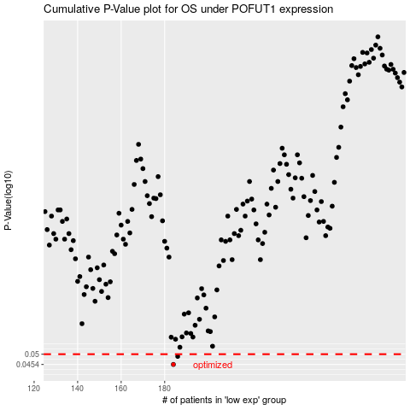

 |  |  |  |  |  | cases_OS | p_OS | rank | exp
 |  |  |  |  |  | 184 | 0.0454 | 176 | -0.24519124838
 |  |  |  |  |  | 186 | 0.049 | 72 | -0.236617662
 |  |  |  |  |  |  | cases_RFS | p_RFS | rank | exp
 |  |  |  |  |  |  | 183 | 0.0454 | 51 | -0.24774362968
 |  |  |  |  |  |  | 185 | 0.049 | 357 | -0.23907535763

