POGK _multivariate
Reported by Tex Li-Hsing Chi. tex@gate.sinica.edu.tw 2019-08-16

Table 2. The clinicopathological features of HNSCC cohort and POGK expression. (Chi square test)
Cutoff at -0.113 (49.8%)
 |  | POGK expression |  | POGK expression |  | (Optimised)
 | Features | Low | (%) | High | (%) | Case no | P-value | Remark | Matthews
Gender | Female | 143 | 34.5 | 163 | 39.3 | 415 | 0.0416 | 1 | 0
2 | Male | 64 | 15.4 | 45 | 10.8
Age at diagnosis | <=65y | 132 | 31.8 | 142 | 34.2 | 415 | 0.3874 | 0 | 0
4 | >65y | 75 | 18.1 | 66 | 15.9
Clinical T Status | T1+T2 | 86 | 20.7 | 63 | 15.2 | 415 | 0.0221 | 1 | 0
6 | T3+T4 | 121 | 29.2 | 145 | 34.9
Clinical N Status | N0 | 109 | 26.3 | 107 | 25.8 | 415 | 0.8812 | 0 | 0
8 | N1-3 | 98 | 23.6 | 101 | 24.3
Clinical M Status | M0 | 205 | 49.4 | 207 | 49.9 | 415 | 0.6232 | 0 | 0
10 | M1 | 2 | 0.5 | 1 | 0.2
Clinical Stage | Stage I+II | 61 | 14.7 | 41 | 9.9 | 415 | 0.0282 | 1 | 0
12 | Stage III+IV | 146 | 35.2 | 167 | 40.2
Surgical Margin status | Negative | 157 | 37.8 | 161 | 38.8 | 415 | 0.729 | 0 | 0
14 | Positive | 50 | 12 | 47 | 11.3
Tobacco Exposure | Low | 84 | 20.2 | 77 | 18.6 | 415 | 0.4816 | 0 | 0
16 | High | 123 | 29.6 | 131 | 31.6

Table 3. Univariate/Multivariate Cox's proportional hazards regression analyses on OS time of POGK gene expression in HNSCC

 |  | Univariate |  |  |  | Multivariate
 | Features | HR | CI95%(L) | CI95%(H) | P-value | HR | CI95%(L) | CI95%(H) | P-value
1 | Female | 1 |  |  |  | 1
Gender | Male | 1.157 | 0.843 | 1.587 | 0.367 | 1.192 | 0.852 | 1.668 | 0.304
11 | <=65y | 1 |  |  |  | 1
Age at diagnosis | >65y | 1.329 | 0.99 | 1.784 | 0.058 | 1.386 | 1.019 | 1.884 | 0.037
12 | T1+T2 | 1 |  |  |  | 1
Clinical T Status | T3+T4 | 1.409 | 1.028 | 1.931 | 0.033 | 2.211 | 1.169 | 4.18 | 0.015
13 | N0 | 1 |  |  |  | 1
Clinical N Status | N1-3 | 1.185 | 0.89 | 1.577 | 0.246 | 1.238 | 0.868 | 1.767 | 0.238
14 | M0 | 1 |  |  |  | 1
Clinical M Status | M1 | 4.097 | 1.009 | 16.644 | 0.049 | 9.272 | 2.021 | 42.528 | 0.004
15 | Stage I+II | 1 |  |  |  | 1
Clinical Stage | Stage III+IV | 1.245 | 0.882 | 1.759 | 0.213 | 0.513 | 0.238 | 1.102 | 0.087
16 | Negative | 1 |  |  |  | 1
Surgical Margin status | Positive | 1.591 | 1.155 | 2.191 | 0.004 | 1.667 | 1.206 | 2.303 | 0.002
17 | Low | 1 |  |  |  | 1
Tobacco Exposure | High | 1.364 | 1.008 | 1.844 | 0.044 | 1.454 | 1.055 | 2.003 | 0.022
18 | Low | 1 |  |  |  | 1
RNAseq(z-score) | High | 0.921 | 0.69 | 1.231 | 0.58 | 0.912 | 0.678 | 1.227 | 0.544

Table 4. Univariate/Multivariate Cox's proportional hazards regression analyses on RFS time of POGK gene expression in HNSCC

 |  | Univariate |  |  |  | Multivariate
 | Features | HR | CI95%(L) | CI95%(H) | P-value | HR | CI95%(L) | CI95%(H) | P-value
1 | Female | 1 |  |  |  | 1
Gender | Male | 1.157 | 0.843 | 1.587 | 0.367 | 1.192 | 0.852 | 1.668 | 0.304
11 | <=65y | 1 |  |  |  | 1
Age at diagnosis | >65y | 1.329 | 0.99 | 1.784 | 0.058 | 1.386 | 1.019 | 1.884 | 0.037
12 | T1+T2 | 1 |  |  |  | 1
Clinical T Status | T3+T4 | 1.409 | 1.028 | 1.931 | 0.033 | 2.211 | 1.169 | 4.18 | 0.015
13 | N0 | 1 |  |  |  | 1
Clinical N Status | N1-3 | 1.185 | 0.89 | 1.577 | 0.246 | 1.238 | 0.868 | 1.767 | 0.238
14 | M0 | 1 |  |  |  | 1
Clinical M Status | M1 | 4.097 | 1.009 | 16.644 | 0.049 | 9.272 | 2.021 | 42.528 | 0.004
15 | Stage I+II | 1 |  |  |  | 1
Clinical Stage | Stage III+IV | 1.245 | 0.882 | 1.759 | 0.213 | 0.513 | 0.238 | 1.102 | 0.087
16 | Negative | 1 |  |  |  | 1
Surgical Margin status | Positive | 1.591 | 1.155 | 2.191 | 0.004 | 1.667 | 1.206 | 2.303 | 0.002
17 | Low | 1 |  |  |  | 1
Tobacco Exposure | High | 1.364 | 1.008 | 1.844 | 0.044 | 1.454 | 1.055 | 2.003 | 0.022
18 | Low | 1 |  |  |  | 1
RNAseq(z-score) | High | 0.921 | 0.69 | 1.231 | 0.58 | 0.912 | 0.678 | 1.227 | 0.544

Kaplan-Meier survival estimate: Cutoff at -0.113 (49.8%)



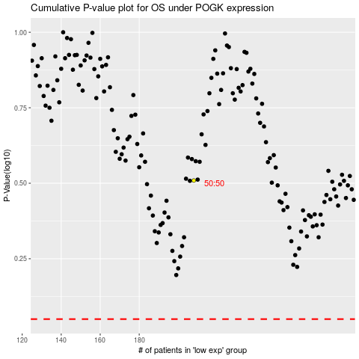

 |  |  |  |  |  | cases_OS | p_OS | rank | exp
 |  |  |  |  |  |  | cases_RFS | p_RFS | rank | exp

