POLA1 _multivariate
Reported by Tex Li-Hsing Chi. tex@gate.sinica.edu.tw 2019-08-16

Table 2. The clinicopathological features of HNSCC cohort and POLA1 expression. (Chi square test)
Cutoff at -0.263 (49.8%)
 |  | POLA1 expression |  | POLA1 expression |  | (Optimised)
 | Features | Low | (%) | High | (%) | Case no | P-value | Remark | Matthews
Gender | Female | 142 | 34.2 | 164 | 39.5 | 415 | 0.0238 | 1 | 0
2 | Male | 65 | 15.7 | 44 | 10.6
Age at diagnosis | <=65y | 126 | 30.4 | 148 | 35.7 | 415 | 0.035 | 1 | 0
4 | >65y | 81 | 19.5 | 60 | 14.5
Clinical T Status | T1+T2 | 61 | 14.7 | 88 | 21.2 | 415 | 0.0087 | 1 | 0
6 | T3+T4 | 146 | 35.2 | 120 | 28.9
Clinical N Status | N0 | 114 | 27.5 | 102 | 24.6 | 415 | 0.2576 | 1 | 0
8 | N1-3 | 93 | 22.4 | 106 | 25.5
Clinical M Status | M0 | 206 | 49.6 | 206 | 49.6 | 415 | 1 | 0 | 0
10 | M1 | 1 | 0.2 | 2 | 0.5
Clinical Stage | Stage I+II | 47 | 11.3 | 55 | 13.3 | 415 | 0.4413 | 0 | 0
12 | Stage III+IV | 160 | 38.6 | 153 | 36.9
Surgical Margin status | Negative | 162 | 39 | 156 | 37.6 | 415 | 0.4867 | 0 | 0
14 | Positive | 45 | 10.8 | 52 | 12.5
Tobacco Exposure | Low | 83 | 20 | 78 | 18.8 | 415 | 0.6152 | 0 | 0
16 | High | 124 | 29.9 | 130 | 31.3

Table 3. Univariate/Multivariate Cox's proportional hazards regression analyses on OS time of POLA1 gene expression in HNSCC

 |  | Univariate |  |  |  | Multivariate
 | Features | HR | CI95%(L) | CI95%(H) | P-value | HR | CI95%(L) | CI95%(H) | P-value
1 | Female | 1 |  |  |  | 1
Gender | Male | 1.157 | 0.843 | 1.587 | 0.367 | 1.222 | 0.872 | 1.711 | 0.244
11 | <=65y | 1 |  |  |  | 1
Age at diagnosis | >65y | 1.329 | 0.99 | 1.784 | 0.058 | 1.396 | 1.027 | 1.898 | 0.033
12 | T1+T2 | 1 |  |  |  | 1
Clinical T Status | T3+T4 | 1.409 | 1.028 | 1.931 | 0.033 | 2.243 | 1.184 | 4.249 | 0.013
13 | N0 | 1 |  |  |  | 1
Clinical N Status | N1-3 | 1.185 | 0.89 | 1.577 | 0.246 | 1.222 | 0.854 | 1.748 | 0.273
14 | M0 | 1 |  |  |  | 1
Clinical M Status | M1 | 4.097 | 1.009 | 16.644 | 0.049 | 9.561 | 2.084 | 43.855 | 0.004
15 | Stage I+II | 1 |  |  |  | 1
Clinical Stage | Stage III+IV | 1.245 | 0.882 | 1.759 | 0.213 | 0.503 | 0.234 | 1.079 | 0.078
16 | Negative | 1 |  |  |  | 1
Surgical Margin status | Positive | 1.591 | 1.155 | 2.191 | 0.004 | 1.675 | 1.212 | 2.315 | 0.002
17 | Low | 1 |  |  |  | 1
Tobacco Exposure | High | 1.364 | 1.008 | 1.844 | 0.044 | 1.467 | 1.063 | 2.023 | 0.02
18 | Low | 1 |  |  |  | 1
RNAseq(z-score) | High | 1.015 | 0.761 | 1.352 | 0.92 | 1.111 | 0.827 | 1.494 | 0.485

Table 4. Univariate/Multivariate Cox's proportional hazards regression analyses on RFS time of POLA1 gene expression in HNSCC

 |  | Univariate |  |  |  | Multivariate
 | Features | HR | CI95%(L) | CI95%(H) | P-value | HR | CI95%(L) | CI95%(H) | P-value
1 | Female | 1 |  |  |  | 1
Gender | Male | 1.157 | 0.843 | 1.587 | 0.367 | 1.222 | 0.872 | 1.711 | 0.244
11 | <=65y | 1 |  |  |  | 1
Age at diagnosis | >65y | 1.329 | 0.99 | 1.784 | 0.058 | 1.396 | 1.027 | 1.898 | 0.033
12 | T1+T2 | 1 |  |  |  | 1
Clinical T Status | T3+T4 | 1.409 | 1.028 | 1.931 | 0.033 | 2.243 | 1.184 | 4.249 | 0.013
13 | N0 | 1 |  |  |  | 1
Clinical N Status | N1-3 | 1.185 | 0.89 | 1.577 | 0.246 | 1.222 | 0.854 | 1.748 | 0.273
14 | M0 | 1 |  |  |  | 1
Clinical M Status | M1 | 4.097 | 1.009 | 16.644 | 0.049 | 9.561 | 2.084 | 43.855 | 0.004
15 | Stage I+II | 1 |  |  |  | 1
Clinical Stage | Stage III+IV | 1.245 | 0.882 | 1.759 | 0.213 | 0.503 | 0.234 | 1.079 | 0.078
16 | Negative | 1 |  |  |  | 1
Surgical Margin status | Positive | 1.591 | 1.155 | 2.191 | 0.004 | 1.675 | 1.212 | 2.315 | 0.002
17 | Low | 1 |  |  |  | 1
Tobacco Exposure | High | 1.364 | 1.008 | 1.844 | 0.044 | 1.467 | 1.063 | 2.023 | 0.02
18 | Low | 1 |  |  |  | 1
RNAseq(z-score) | High | 1.015 | 0.761 | 1.352 | 0.92 | 1.111 | 0.827 | 1.494 | 0.485

Kaplan-Meier survival estimate: Cutoff at -0.263 (49.8%)



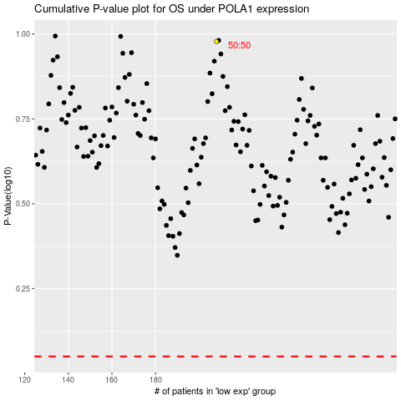

 |  |  |  |  |  | cases_OS | p_OS | rank | exp
 |  |  |  |  |  |  | cases_RFS | p_RFS | rank | exp

