POLD1 _multivariate
Reported by Tex Li-Hsing Chi. tex@gate.sinica.edu.tw 2019-08-16

Table 2. The clinicopathological features of HNSCC cohort and POLD1 expression. (Chi square test)
Cutoff at -0.228 (49.8%)
 |  | POLD1 expression |  | POLD1 expression |  | (Optimised)
 | Features | Low | (%) | High | (%) | Case no | P-value | Remark | Matthews
Gender | Female | 146 | 35.2 | 160 | 38.6 | 415 | 0.1714 | 0 | 0
2 | Male | 61 | 14.7 | 48 | 11.6
Age at diagnosis | <=65y | 143 | 34.5 | 131 | 31.6 | 415 | 0.2269 | 0 | 0
4 | >65y | 64 | 15.4 | 77 | 18.6
Clinical T Status | T1+T2 | 75 | 18.1 | 74 | 17.8 | 415 | 0.9707 | 0 | 0
6 | T3+T4 | 132 | 31.8 | 134 | 32.3
Clinical N Status | N0 | 112 | 27 | 104 | 25.1 | 415 | 0.4599 | 0 | 0
8 | N1-3 | 95 | 22.9 | 104 | 25.1
Clinical M Status | M0 | 205 | 49.4 | 207 | 49.9 | 415 | 0.6232 | 0 | 0
10 | M1 | 2 | 0.5 | 1 | 0.2
Clinical Stage | Stage I+II | 57 | 13.7 | 45 | 10.8 | 415 | 0.1998 | 0 | 0
12 | Stage III+IV | 150 | 36.1 | 163 | 39.3
Surgical Margin status | Negative | 167 | 40.2 | 151 | 36.4 | 415 | 0.0632 | 0 | 0
14 | Positive | 40 | 9.6 | 57 | 13.7
Tobacco Exposure | Low | 85 | 20.5 | 76 | 18.3 | 415 | 0.3655 | 0 | 0
16 | High | 122 | 29.4 | 132 | 31.8

Table 3. Univariate/Multivariate Cox's proportional hazards regression analyses on OS time of POLD1 gene expression in HNSCC

 |  | Univariate |  |  |  | Multivariate
 | Features | HR | CI95%(L) | CI95%(H) | P-value | HR | CI95%(L) | CI95%(H) | P-value
1 | Female | 1 |  |  |  | 1
Gender | Male | 1.157 | 0.843 | 1.587 | 0.367 | 1.193 | 0.855 | 1.665 | 0.299
11 | <=65y | 1 |  |  |  | 1
Age at diagnosis | >65y | 1.329 | 0.99 | 1.784 | 0.058 | 1.413 | 1.038 | 1.924 | 0.028
12 | T1+T2 | 1 |  |  |  | 1
Clinical T Status | T3+T4 | 1.409 | 1.028 | 1.931 | 0.033 | 2.162 | 1.142 | 4.093 | 0.018
13 | N0 | 1 |  |  |  | 1
Clinical N Status | N1-3 | 1.185 | 0.89 | 1.577 | 0.246 | 1.242 | 0.871 | 1.771 | 0.232
14 | M0 | 1 |  |  |  | 1
Clinical M Status | M1 | 4.097 | 1.009 | 16.644 | 0.049 | 9.086 | 1.978 | 41.731 | 0.005
15 | Stage I+II | 1 |  |  |  | 1
Clinical Stage | Stage III+IV | 1.245 | 0.882 | 1.759 | 0.213 | 0.52 | 0.242 | 1.119 | 0.095
16 | Negative | 1 |  |  |  | 1
Surgical Margin status | Positive | 1.591 | 1.155 | 2.191 | 0.004 | 1.694 | 1.224 | 2.344 | 0.001
17 | Low | 1 |  |  |  | 1
Tobacco Exposure | High | 1.364 | 1.008 | 1.844 | 0.044 | 1.461 | 1.061 | 2.012 | 0.02
18 | Low | 1 |  |  |  | 1
RNAseq(z-score) | High | 0.967 | 0.726 | 1.287 | 0.817 | 0.881 | 0.658 | 1.181 | 0.398

Table 4. Univariate/Multivariate Cox's proportional hazards regression analyses on RFS time of POLD1 gene expression in HNSCC

 |  | Univariate |  |  |  | Multivariate
 | Features | HR | CI95%(L) | CI95%(H) | P-value | HR | CI95%(L) | CI95%(H) | P-value
1 | Female | 1 |  |  |  | 1
Gender | Male | 1.157 | 0.843 | 1.587 | 0.367 | 1.193 | 0.855 | 1.665 | 0.299
11 | <=65y | 1 |  |  |  | 1
Age at diagnosis | >65y | 1.329 | 0.99 | 1.784 | 0.058 | 1.413 | 1.038 | 1.924 | 0.028
12 | T1+T2 | 1 |  |  |  | 1
Clinical T Status | T3+T4 | 1.409 | 1.028 | 1.931 | 0.033 | 2.162 | 1.142 | 4.093 | 0.018
13 | N0 | 1 |  |  |  | 1
Clinical N Status | N1-3 | 1.185 | 0.89 | 1.577 | 0.246 | 1.242 | 0.871 | 1.771 | 0.232
14 | M0 | 1 |  |  |  | 1
Clinical M Status | M1 | 4.097 | 1.009 | 16.644 | 0.049 | 9.086 | 1.978 | 41.731 | 0.005
15 | Stage I+II | 1 |  |  |  | 1
Clinical Stage | Stage III+IV | 1.245 | 0.882 | 1.759 | 0.213 | 0.52 | 0.242 | 1.119 | 0.095
16 | Negative | 1 |  |  |  | 1
Surgical Margin status | Positive | 1.591 | 1.155 | 2.191 | 0.004 | 1.694 | 1.224 | 2.344 | 0.001
17 | Low | 1 |  |  |  | 1
Tobacco Exposure | High | 1.364 | 1.008 | 1.844 | 0.044 | 1.461 | 1.061 | 2.012 | 0.02
18 | Low | 1 |  |  |  | 1
RNAseq(z-score) | High | 0.967 | 0.726 | 1.287 | 0.817 | 0.881 | 0.658 | 1.181 | 0.398

Kaplan-Meier survival estimate: Cutoff at -0.228 (49.8%)



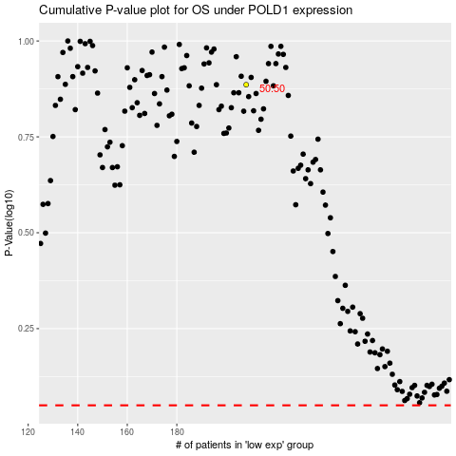

 |  |  |  |  |  | cases_OS | p_OS | rank | exp
 |  |  |  |  |  |  | cases_RFS | p_RFS | rank | exp

