POLD3 _multivariate
Reported by Tex Li-Hsing Chi. tex@gate.sinica.edu.tw 2019-08-16

Table 2. The clinicopathological features of HNSCC cohort and POLD3 expression. (Chi square test)
Cutoff at -0.204 (49.8%)
 |  | POLD3 expression |  | POLD3 expression |  | (Optimised)
 | Features | Low | (%) | High | (%) | Case no | P-value | Remark | Matthews
Gender | Female | 151 | 36.4 | 155 | 37.3 | 415 | 0.8007 | 0 | 0
2 | Male | 56 | 13.5 | 53 | 12.8
Age at diagnosis | <=65y | 127 | 30.6 | 147 | 35.4 | 415 | 0.0573 | 0 | 0
4 | >65y | 80 | 19.3 | 61 | 14.7
Clinical T Status | T1+T2 | 65 | 15.7 | 84 | 20.2 | 415 | 0.0711 | 0 | 0
6 | T3+T4 | 142 | 34.2 | 124 | 29.9
Clinical N Status | N0 | 108 | 26 | 108 | 26 | 415 | 1 | 0 | 0
8 | N1-3 | 99 | 23.9 | 100 | 24.1
Clinical M Status | M0 | 204 | 49.2 | 208 | 50.1 | 415 | 0.1232 | 0 | 0
10 | M1 | 3 | 0.7 | 0 | 0
Clinical Stage | Stage I+II | 48 | 11.6 | 54 | 13 | 415 | 0.5878 | 0 | 0
12 | Stage III+IV | 159 | 38.3 | 154 | 37.1
Surgical Margin status | Negative | 162 | 39 | 156 | 37.6 | 415 | 0.4867 | 0 | 0
14 | Positive | 45 | 10.8 | 52 | 12.5
Tobacco Exposure | Low | 81 | 19.5 | 80 | 19.3 | 415 | 0.9199 | 0 | 0
16 | High | 126 | 30.4 | 128 | 30.8

Table 3. Univariate/Multivariate Cox's proportional hazards regression analyses on OS time of POLD3 gene expression in HNSCC

 |  | Univariate |  |  |  | Multivariate
 | Features | HR | CI95%(L) | CI95%(H) | P-value | HR | CI95%(L) | CI95%(H) | P-value
1 | Female | 1 |  |  |  | 1
Gender | Male | 1.157 | 0.843 | 1.587 | 0.367 | 1.227 | 0.878 | 1.713 | 0.231
11 | <=65y | 1 |  |  |  | 1
Age at diagnosis | >65y | 1.329 | 0.99 | 1.784 | 0.058 | 1.458 | 1.07 | 1.988 | 0.017
12 | T1+T2 | 1 |  |  |  | 1
Clinical T Status | T3+T4 | 1.409 | 1.028 | 1.931 | 0.033 | 2.391 | 1.26 | 4.535 | 0.008
13 | N0 | 1 |  |  |  | 1
Clinical N Status | N1-3 | 1.185 | 0.89 | 1.577 | 0.246 | 1.258 | 0.881 | 1.797 | 0.206
14 | M0 | 1 |  |  |  | 1
Clinical M Status | M1 | 4.097 | 1.009 | 16.644 | 0.049 | 12.261 | 2.624 | 57.298 | 0.001
15 | Stage I+II | 1 |  |  |  | 1
Clinical Stage | Stage III+IV | 1.245 | 0.882 | 1.759 | 0.213 | 0.471 | 0.219 | 1.014 | 0.054
16 | Negative | 1 |  |  |  | 1
Surgical Margin status | Positive | 1.591 | 1.155 | 2.191 | 0.004 | 1.661 | 1.202 | 2.296 | 0.002
17 | Low | 1 |  |  |  | 1
Tobacco Exposure | High | 1.364 | 1.008 | 1.844 | 0.044 | 1.486 | 1.077 | 2.05 | 0.016
18 | Low | 1 |  |  |  | 1
RNAseq(z-score) | High | 1.237 | 0.928 | 1.649 | 0.147 | 1.409 | 1.047 | 1.895 | 0.023

Table 4. Univariate/Multivariate Cox's proportional hazards regression analyses on RFS time of POLD3 gene expression in HNSCC

 |  | Univariate |  |  |  | Multivariate
 | Features | HR | CI95%(L) | CI95%(H) | P-value | HR | CI95%(L) | CI95%(H) | P-value
1 | Female | 1 |  |  |  | 1
Gender | Male | 1.157 | 0.843 | 1.587 | 0.367 | 1.227 | 0.878 | 1.713 | 0.231
11 | <=65y | 1 |  |  |  | 1
Age at diagnosis | >65y | 1.329 | 0.99 | 1.784 | 0.058 | 1.458 | 1.07 | 1.988 | 0.017
12 | T1+T2 | 1 |  |  |  | 1
Clinical T Status | T3+T4 | 1.409 | 1.028 | 1.931 | 0.033 | 2.391 | 1.26 | 4.535 | 0.008
13 | N0 | 1 |  |  |  | 1
Clinical N Status | N1-3 | 1.185 | 0.89 | 1.577 | 0.246 | 1.258 | 0.881 | 1.797 | 0.206
14 | M0 | 1 |  |  |  | 1
Clinical M Status | M1 | 4.097 | 1.009 | 16.644 | 0.049 | 12.261 | 2.624 | 57.298 | 0.001
15 | Stage I+II | 1 |  |  |  | 1
Clinical Stage | Stage III+IV | 1.245 | 0.882 | 1.759 | 0.213 | 0.471 | 0.219 | 1.014 | 0.054
16 | Negative | 1 |  |  |  | 1
Surgical Margin status | Positive | 1.591 | 1.155 | 2.191 | 0.004 | 1.661 | 1.202 | 2.296 | 0.002
17 | Low | 1 |  |  |  | 1
Tobacco Exposure | High | 1.364 | 1.008 | 1.844 | 0.044 | 1.486 | 1.077 | 2.05 | 0.016
18 | Low | 1 |  |  |  | 1
RNAseq(z-score) | High | 1.237 | 0.928 | 1.649 | 0.147 | 1.409 | 1.047 | 1.895 | 0.023

Kaplan-Meier survival estimate: Cutoff at -0.204 (49.8%)



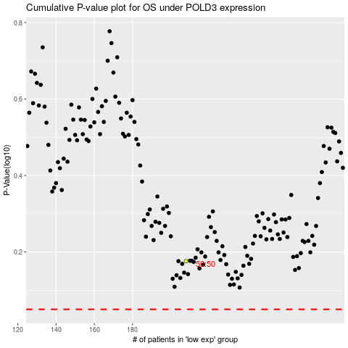

 |  |  |  |  |  | cases_OS | p_OS | rank | exp
 |  |  |  |  |  |  | cases_RFS | p_RFS | rank | exp

