POLDIP3 _multivariate
Reported by Tex Li-Hsing Chi. tex@gate.sinica.edu.tw 2019-08-16

Table 2. The clinicopathological features of HNSCC cohort and POLDIP3 expression. (Chi square test)
Cutoff at -0.148 (49.8%)
 |  | POLDIP3 expression |  | POLDIP3 expression |  | (Optimised)
 | Features | Low | (%) | High | (%) | Case no | P-value | Remark | Matthews
Gender | Female | 144 | 34.7 | 162 | 39 | 415 | 0.0697 | 0 | 0
2 | Male | 63 | 15.2 | 46 | 11.1
Age at diagnosis | <=65y | 134 | 32.3 | 140 | 33.7 | 415 | 0.6529 | 0 | 0
4 | >65y | 73 | 17.6 | 68 | 16.4
Clinical T Status | T1+T2 | 65 | 15.7 | 84 | 20.2 | 415 | 0.0711 | 0 | 0
6 | T3+T4 | 142 | 34.2 | 124 | 29.9
Clinical N Status | N0 | 102 | 24.6 | 114 | 27.5 | 415 | 0.3031 | 0 | 0
8 | N1-3 | 105 | 25.3 | 94 | 22.7
Clinical M Status | M0 | 206 | 49.6 | 206 | 49.6 | 415 | 1 | 0 | 0
10 | M1 | 1 | 0.2 | 2 | 0.5
Clinical Stage | Stage I+II | 46 | 11.1 | 56 | 13.5 | 415 | 0.3182 | 0 | 0
12 | Stage III+IV | 161 | 38.8 | 152 | 36.6
Surgical Margin status | Negative | 166 | 40 | 152 | 36.6 | 415 | 0.1042 | 0 | 0
14 | Positive | 41 | 9.9 | 56 | 13.5
Tobacco Exposure | Low | 90 | 21.7 | 71 | 17.1 | 415 | 0.0559 | 0 | 0
16 | High | 117 | 28.2 | 137 | 33

Table 3. Univariate/Multivariate Cox's proportional hazards regression analyses on OS time of POLDIP3 gene expression in HNSCC

 |  | Univariate |  |  |  | Multivariate
 | Features | HR | CI95%(L) | CI95%(H) | P-value | HR | CI95%(L) | CI95%(H) | P-value
1 | Female | 1 |  |  |  | 1
Gender | Male | 1.157 | 0.843 | 1.587 | 0.367 | 1.229 | 0.877 | 1.722 | 0.231
11 | <=65y | 1 |  |  |  | 1
Age at diagnosis | >65y | 1.329 | 0.99 | 1.784 | 0.058 | 1.394 | 1.025 | 1.895 | 0.034
12 | T1+T2 | 1 |  |  |  | 1
Clinical T Status | T3+T4 | 1.409 | 1.028 | 1.931 | 0.033 | 2.262 | 1.194 | 4.284 | 0.012
13 | N0 | 1 |  |  |  | 1
Clinical N Status | N1-3 | 1.185 | 0.89 | 1.577 | 0.246 | 1.262 | 0.883 | 1.804 | 0.201
14 | M0 | 1 |  |  |  | 1
Clinical M Status | M1 | 4.097 | 1.009 | 16.644 | 0.049 | 9.424 | 2.055 | 43.214 | 0.004
15 | Stage I+II | 1 |  |  |  | 1
Clinical Stage | Stage III+IV | 1.245 | 0.882 | 1.759 | 0.213 | 0.491 | 0.228 | 1.056 | 0.069
16 | Negative | 1 |  |  |  | 1
Surgical Margin status | Positive | 1.591 | 1.155 | 2.191 | 0.004 | 1.643 | 1.187 | 2.274 | 0.003
17 | Low | 1 |  |  |  | 1
Tobacco Exposure | High | 1.364 | 1.008 | 1.844 | 0.044 | 1.438 | 1.043 | 1.984 | 0.027
18 | Low | 1 |  |  |  | 1
RNAseq(z-score) | High | 1.179 | 0.883 | 1.575 | 0.263 | 1.179 | 0.876 | 1.586 | 0.277

Table 4. Univariate/Multivariate Cox's proportional hazards regression analyses on RFS time of POLDIP3 gene expression in HNSCC

 |  | Univariate |  |  |  | Multivariate
 | Features | HR | CI95%(L) | CI95%(H) | P-value | HR | CI95%(L) | CI95%(H) | P-value
1 | Female | 1 |  |  |  | 1
Gender | Male | 1.157 | 0.843 | 1.587 | 0.367 | 1.229 | 0.877 | 1.722 | 0.231
11 | <=65y | 1 |  |  |  | 1
Age at diagnosis | >65y | 1.329 | 0.99 | 1.784 | 0.058 | 1.394 | 1.025 | 1.895 | 0.034
12 | T1+T2 | 1 |  |  |  | 1
Clinical T Status | T3+T4 | 1.409 | 1.028 | 1.931 | 0.033 | 2.262 | 1.194 | 4.284 | 0.012
13 | N0 | 1 |  |  |  | 1
Clinical N Status | N1-3 | 1.185 | 0.89 | 1.577 | 0.246 | 1.262 | 0.883 | 1.804 | 0.201
14 | M0 | 1 |  |  |  | 1
Clinical M Status | M1 | 4.097 | 1.009 | 16.644 | 0.049 | 9.424 | 2.055 | 43.214 | 0.004
15 | Stage I+II | 1 |  |  |  | 1
Clinical Stage | Stage III+IV | 1.245 | 0.882 | 1.759 | 0.213 | 0.491 | 0.228 | 1.056 | 0.069
16 | Negative | 1 |  |  |  | 1
Surgical Margin status | Positive | 1.591 | 1.155 | 2.191 | 0.004 | 1.643 | 1.187 | 2.274 | 0.003
17 | Low | 1 |  |  |  | 1
Tobacco Exposure | High | 1.364 | 1.008 | 1.844 | 0.044 | 1.438 | 1.043 | 1.984 | 0.027
18 | Low | 1 |  |  |  | 1
RNAseq(z-score) | High | 1.179 | 0.883 | 1.575 | 0.263 | 1.179 | 0.876 | 1.586 | 0.277

Kaplan-Meier survival estimate: Cutoff at -0.148 (49.8%)



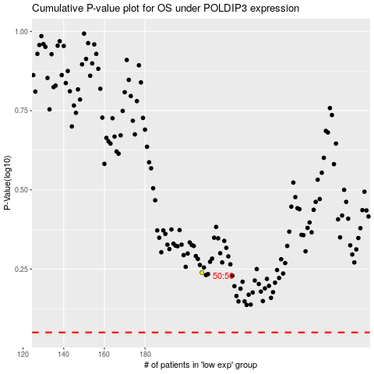

 |  |  |  |  |  | cases_OS | p_OS | rank | exp
 |  |  |  |  |  |  | cases_RFS | p_RFS | rank | exp

