POLE2 _multivariate
Reported by Tex Li-Hsing Chi. tex@gate.sinica.edu.tw 2019-08-16

Table 2. The clinicopathological features of HNSCC cohort and POLE2 expression. (Chi square test)
Cutoff at -0.266 (49.8%)
 |  | POLE2 expression |  | POLE2 expression |  | (Optimised)
 | Features | Low | (%) | High | (%) | Case no | P-value | Remark | Matthews
Gender | Female | 148 | 35.7 | 158 | 38.1 | 415 | 0.3567 | 0 | 0
2 | Male | 59 | 14.2 | 50 | 12
Age at diagnosis | <=65y | 134 | 32.3 | 140 | 33.7 | 415 | 0.6529 | 0 | 0
4 | >65y | 73 | 17.6 | 68 | 16.4
Clinical T Status | T1+T2 | 70 | 16.9 | 79 | 19 | 415 | 0.4343 | 0 | 0
6 | T3+T4 | 137 | 33 | 129 | 31.1
Clinical N Status | N0 | 107 | 25.8 | 109 | 26.3 | 415 | 0.9624 | 0 | 0
8 | N1-3 | 100 | 24.1 | 99 | 23.9
Clinical M Status | M0 | 207 | 49.9 | 205 | 49.4 | 415 | 0.2482 | 0 | 0
10 | M1 | 0 | 0 | 3 | 0.7
Clinical Stage | Stage I+II | 53 | 12.8 | 49 | 11.8 | 415 | 0.7113 | 0 | 0
12 | Stage III+IV | 154 | 37.1 | 159 | 38.3
Surgical Margin status | Negative | 172 | 41.4 | 146 | 35.2 | 415 | 0.0025 | 1 | 0
14 | Positive | 35 | 8.4 | 62 | 14.9
Tobacco Exposure | Low | 87 | 21 | 74 | 17.8 | 415 | 0.1911 | 0 | 0
16 | High | 120 | 28.9 | 134 | 32.3

Table 3. Univariate/Multivariate Cox's proportional hazards regression analyses on OS time of POLE2 gene expression in HNSCC

 |  | Univariate |  |  |  | Multivariate
 | Features | HR | CI95%(L) | CI95%(H) | P-value | HR | CI95%(L) | CI95%(H) | P-value
1 | Female | 1 |  |  |  | 1
Gender | Male | 1.157 | 0.843 | 1.587 | 0.367 | 1.205 | 0.863 | 1.682 | 0.274
11 | <=65y | 1 |  |  |  | 1
Age at diagnosis | >65y | 1.329 | 0.99 | 1.784 | 0.058 | 1.396 | 1.027 | 1.898 | 0.033
12 | T1+T2 | 1 |  |  |  | 1
Clinical T Status | T3+T4 | 1.409 | 1.028 | 1.931 | 0.033 | 2.143 | 1.131 | 4.06 | 0.019
13 | N0 | 1 |  |  |  | 1
Clinical N Status | N1-3 | 1.185 | 0.89 | 1.577 | 0.246 | 1.219 | 0.854 | 1.742 | 0.276
14 | M0 | 1 |  |  |  | 1
Clinical M Status | M1 | 4.097 | 1.009 | 16.644 | 0.049 | 10.088 | 2.188 | 46.503 | 0.003
15 | Stage I+II | 1 |  |  |  | 1
Clinical Stage | Stage III+IV | 1.245 | 0.882 | 1.759 | 0.213 | 0.525 | 0.244 | 1.131 | 0.1
16 | Negative | 1 |  |  |  | 1
Surgical Margin status | Positive | 1.591 | 1.155 | 2.191 | 0.004 | 1.733 | 1.246 | 2.411 | 0.001
17 | Low | 1 |  |  |  | 1
Tobacco Exposure | High | 1.364 | 1.008 | 1.844 | 0.044 | 1.473 | 1.067 | 2.032 | 0.018
18 | Low | 1 |  |  |  | 1
RNAseq(z-score) | High | 0.946 | 0.71 | 1.26 | 0.705 | 0.85 | 0.631 | 1.143 | 0.282

Table 4. Univariate/Multivariate Cox's proportional hazards regression analyses on RFS time of POLE2 gene expression in HNSCC

 |  | Univariate |  |  |  | Multivariate
 | Features | HR | CI95%(L) | CI95%(H) | P-value | HR | CI95%(L) | CI95%(H) | P-value
1 | Female | 1 |  |  |  | 1
Gender | Male | 1.157 | 0.843 | 1.587 | 0.367 | 1.205 | 0.863 | 1.682 | 0.274
11 | <=65y | 1 |  |  |  | 1
Age at diagnosis | >65y | 1.329 | 0.99 | 1.784 | 0.058 | 1.396 | 1.027 | 1.898 | 0.033
12 | T1+T2 | 1 |  |  |  | 1
Clinical T Status | T3+T4 | 1.409 | 1.028 | 1.931 | 0.033 | 2.143 | 1.131 | 4.06 | 0.019
13 | N0 | 1 |  |  |  | 1
Clinical N Status | N1-3 | 1.185 | 0.89 | 1.577 | 0.246 | 1.219 | 0.854 | 1.742 | 0.276
14 | M0 | 1 |  |  |  | 1
Clinical M Status | M1 | 4.097 | 1.009 | 16.644 | 0.049 | 10.088 | 2.188 | 46.503 | 0.003
15 | Stage I+II | 1 |  |  |  | 1
Clinical Stage | Stage III+IV | 1.245 | 0.882 | 1.759 | 0.213 | 0.525 | 0.244 | 1.131 | 0.1
16 | Negative | 1 |  |  |  | 1
Surgical Margin status | Positive | 1.591 | 1.155 | 2.191 | 0.004 | 1.733 | 1.246 | 2.411 | 0.001
17 | Low | 1 |  |  |  | 1
Tobacco Exposure | High | 1.364 | 1.008 | 1.844 | 0.044 | 1.473 | 1.067 | 2.032 | 0.018
18 | Low | 1 |  |  |  | 1
RNAseq(z-score) | High | 0.946 | 0.71 | 1.26 | 0.705 | 0.85 | 0.631 | 1.143 | 0.282

Kaplan-Meier survival estimate: Cutoff at -0.266 (49.8%)



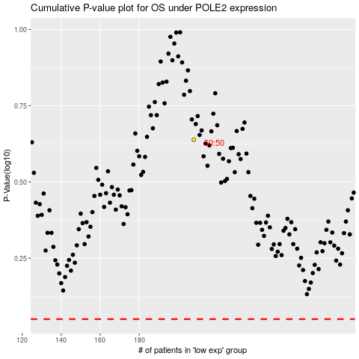

 |  |  |  |  |  | cases_OS | p_OS | rank | exp
 |  |  |  |  |  |  | cases_RFS | p_RFS | rank | exp

