POLE3 _multivariate
Reported by Tex Li-Hsing Chi. tex@gate.sinica.edu.tw 2019-08-16

Table 2. The clinicopathological features of HNSCC cohort and POLE3 expression. (Chi square test)
Cutoff at -0.166 (49.8%)
 |  | POLE3 expression |  | POLE3 expression |  | (Optimised)
 | Features | Low | (%) | High | (%) | Case no | P-value | Remark | Matthews
Gender | Female | 146 | 35.2 | 160 | 38.6 | 415 | 0.1714 | 0 | 0
2 | Male | 61 | 14.7 | 48 | 11.6
Age at diagnosis | <=65y | 134 | 32.3 | 140 | 33.7 | 415 | 0.6529 | 0 | 0
4 | >65y | 73 | 17.6 | 68 | 16.4
Clinical T Status | T1+T2 | 76 | 18.3 | 73 | 17.6 | 415 | 0.8092 | 0 | 0
6 | T3+T4 | 131 | 31.6 | 135 | 32.5
Clinical N Status | N0 | 117 | 28.2 | 99 | 23.9 | 415 | 0.0852 | 1 | 0
8 | N1-3 | 90 | 21.7 | 109 | 26.3
Clinical M Status | M0 | 205 | 49.4 | 207 | 49.9 | 415 | 0.6232 | 0 | 0
10 | M1 | 2 | 0.5 | 1 | 0.2
Clinical Stage | Stage I+II | 56 | 13.5 | 46 | 11.1 | 415 | 0.2918 | 0 | 0
12 | Stage III+IV | 151 | 36.4 | 162 | 39
Surgical Margin status | Negative | 163 | 39.3 | 155 | 37.3 | 415 | 0.3537 | 0 | 0
14 | Positive | 44 | 10.6 | 53 | 12.8
Tobacco Exposure | Low | 87 | 21 | 74 | 17.8 | 415 | 0.1911 | 0 | 0
16 | High | 120 | 28.9 | 134 | 32.3

Table 3. Univariate/Multivariate Cox's proportional hazards regression analyses on OS time of POLE3 gene expression in HNSCC

 |  | Univariate |  |  |  | Multivariate
 | Features | HR | CI95%(L) | CI95%(H) | P-value | HR | CI95%(L) | CI95%(H) | P-value
1 | Female | 1 |  |  |  | 1
Gender | Male | 1.157 | 0.843 | 1.587 | 0.367 | 1.232 | 0.88 | 1.726 | 0.224
11 | <=65y | 1 |  |  |  | 1
Age at diagnosis | >65y | 1.329 | 0.99 | 1.784 | 0.058 | 1.365 | 1.003 | 1.858 | 0.048
12 | T1+T2 | 1 |  |  |  | 1
Clinical T Status | T3+T4 | 1.409 | 1.028 | 1.931 | 0.033 | 2.224 | 1.176 | 4.206 | 0.014
13 | N0 | 1 |  |  |  | 1
Clinical N Status | N1-3 | 1.185 | 0.89 | 1.577 | 0.246 | 1.211 | 0.848 | 1.732 | 0.293
14 | M0 | 1 |  |  |  | 1
Clinical M Status | M1 | 4.097 | 1.009 | 16.644 | 0.049 | 10.388 | 2.252 | 47.929 | 0.003
15 | Stage I+II | 1 |  |  |  | 1
Clinical Stage | Stage III+IV | 1.245 | 0.882 | 1.759 | 0.213 | 0.49 | 0.228 | 1.054 | 0.068
16 | Negative | 1 |  |  |  | 1
Surgical Margin status | Positive | 1.591 | 1.155 | 2.191 | 0.004 | 1.638 | 1.184 | 2.266 | 0.003
17 | Low | 1 |  |  |  | 1
Tobacco Exposure | High | 1.364 | 1.008 | 1.844 | 0.044 | 1.479 | 1.072 | 2.042 | 0.017
18 | Low | 1 |  |  |  | 1
RNAseq(z-score) | High | 1.269 | 0.952 | 1.692 | 0.105 | 1.245 | 0.926 | 1.675 | 0.147

Table 4. Univariate/Multivariate Cox's proportional hazards regression analyses on RFS time of POLE3 gene expression in HNSCC

 |  | Univariate |  |  |  | Multivariate
 | Features | HR | CI95%(L) | CI95%(H) | P-value | HR | CI95%(L) | CI95%(H) | P-value
1 | Female | 1 |  |  |  | 1
Gender | Male | 1.157 | 0.843 | 1.587 | 0.367 | 1.232 | 0.88 | 1.726 | 0.224
11 | <=65y | 1 |  |  |  | 1
Age at diagnosis | >65y | 1.329 | 0.99 | 1.784 | 0.058 | 1.365 | 1.003 | 1.858 | 0.048
12 | T1+T2 | 1 |  |  |  | 1
Clinical T Status | T3+T4 | 1.409 | 1.028 | 1.931 | 0.033 | 2.224 | 1.176 | 4.206 | 0.014
13 | N0 | 1 |  |  |  | 1
Clinical N Status | N1-3 | 1.185 | 0.89 | 1.577 | 0.246 | 1.211 | 0.848 | 1.732 | 0.293
14 | M0 | 1 |  |  |  | 1
Clinical M Status | M1 | 4.097 | 1.009 | 16.644 | 0.049 | 10.388 | 2.252 | 47.929 | 0.003
15 | Stage I+II | 1 |  |  |  | 1
Clinical Stage | Stage III+IV | 1.245 | 0.882 | 1.759 | 0.213 | 0.49 | 0.228 | 1.054 | 0.068
16 | Negative | 1 |  |  |  | 1
Surgical Margin status | Positive | 1.591 | 1.155 | 2.191 | 0.004 | 1.638 | 1.184 | 2.266 | 0.003
17 | Low | 1 |  |  |  | 1
Tobacco Exposure | High | 1.364 | 1.008 | 1.844 | 0.044 | 1.479 | 1.072 | 2.042 | 0.017
18 | Low | 1 |  |  |  | 1
RNAseq(z-score) | High | 1.269 | 0.952 | 1.692 | 0.105 | 1.245 | 0.926 | 1.675 | 0.147

Kaplan-Meier survival estimate: Cutoff at -0.166 (49.8%)



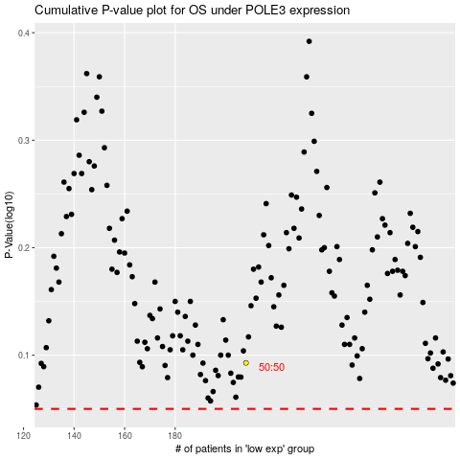

 |  |  |  |  |  | cases_OS | p_OS | rank | exp
 |  |  |  |  |  |  | cases_RFS | p_RFS | rank | exp

