POLI _multivariate
Reported by Tex Li-Hsing Chi. tex@gate.sinica.edu.tw 2019-08-16

Table 2. The clinicopathological features of HNSCC cohort and POLI expression. (Chi square test)
Cutoff at -0.252 (49.8%)
 |  | POLI expression |  | POLI expression |  | (Optimised)
 | Features | Low | (%) | High | (%) | Case no | P-value | Remark | Matthews
Gender | Female | 155 | 37.3 | 151 | 36.4 | 415 | 0.6768 | 0 | 0
2 | Male | 52 | 12.5 | 57 | 13.7
Age at diagnosis | <=65y | 141 | 34 | 133 | 32 | 415 | 0.4272 | 0 | 0
4 | >65y | 66 | 15.9 | 75 | 18.1
Clinical T Status | T1+T2 | 61 | 14.7 | 88 | 21.2 | 415 | 0.0087 | 1 | 0
6 | T3+T4 | 146 | 35.2 | 120 | 28.9
Clinical N Status | N0 | 105 | 25.3 | 111 | 26.7 | 415 | 0.6598 | 0 | 0
8 | N1-3 | 102 | 24.6 | 97 | 23.4
Clinical M Status | M0 | 206 | 49.6 | 206 | 49.6 | 415 | 1 | 0 | 0
10 | M1 | 1 | 0.2 | 2 | 0.5
Clinical Stage | Stage I+II | 43 | 10.4 | 59 | 14.2 | 415 | 0.0925 | 0 | 0
12 | Stage III+IV | 164 | 39.5 | 149 | 35.9
Surgical Margin status | Negative | 166 | 40 | 152 | 36.6 | 415 | 0.1042 | 0 | 0
14 | Positive | 41 | 9.9 | 56 | 13.5
Tobacco Exposure | Low | 71 | 17.1 | 90 | 21.7 | 415 | 0.0698 | 0 | 0
16 | High | 136 | 32.8 | 118 | 28.4

Table 3. Univariate/Multivariate Cox's proportional hazards regression analyses on OS time of POLI gene expression in HNSCC

 |  | Univariate |  |  |  | Multivariate
 | Features | HR | CI95%(L) | CI95%(H) | P-value | HR | CI95%(L) | CI95%(H) | P-value
1 | Female | 1 |  |  |  | 1
Gender | Male | 1.157 | 0.843 | 1.587 | 0.367 | 1.203 | 0.861 | 1.682 | 0.278
11 | <=65y | 1 |  |  |  | 1
Age at diagnosis | >65y | 1.329 | 0.99 | 1.784 | 0.058 | 1.392 | 1.024 | 1.892 | 0.035
12 | T1+T2 | 1 |  |  |  | 1
Clinical T Status | T3+T4 | 1.409 | 1.028 | 1.931 | 0.033 | 2.169 | 1.146 | 4.105 | 0.017
13 | N0 | 1 |  |  |  | 1
Clinical N Status | N1-3 | 1.185 | 0.89 | 1.577 | 0.246 | 1.244 | 0.872 | 1.774 | 0.229
14 | M0 | 1 |  |  |  | 1
Clinical M Status | M1 | 4.097 | 1.009 | 16.644 | 0.049 | 9.443 | 2.059 | 43.295 | 0.004
15 | Stage I+II | 1 |  |  |  | 1
Clinical Stage | Stage III+IV | 1.245 | 0.882 | 1.759 | 0.213 | 0.501 | 0.233 | 1.075 | 0.076
16 | Negative | 1 |  |  |  | 1
Surgical Margin status | Positive | 1.591 | 1.155 | 2.191 | 0.004 | 1.706 | 1.231 | 2.365 | 0.001
17 | Low | 1 |  |  |  | 1
Tobacco Exposure | High | 1.364 | 1.008 | 1.844 | 0.044 | 1.448 | 1.05 | 1.996 | 0.024
18 | Low | 1 |  |  |  | 1
RNAseq(z-score) | High | 0.875 | 0.657 | 1.166 | 0.363 | 0.872 | 0.65 | 1.168 | 0.358

Table 4. Univariate/Multivariate Cox's proportional hazards regression analyses on RFS time of POLI gene expression in HNSCC

 |  | Univariate |  |  |  | Multivariate
 | Features | HR | CI95%(L) | CI95%(H) | P-value | HR | CI95%(L) | CI95%(H) | P-value
1 | Female | 1 |  |  |  | 1
Gender | Male | 1.157 | 0.843 | 1.587 | 0.367 | 1.203 | 0.861 | 1.682 | 0.278
11 | <=65y | 1 |  |  |  | 1
Age at diagnosis | >65y | 1.329 | 0.99 | 1.784 | 0.058 | 1.392 | 1.024 | 1.892 | 0.035
12 | T1+T2 | 1 |  |  |  | 1
Clinical T Status | T3+T4 | 1.409 | 1.028 | 1.931 | 0.033 | 2.169 | 1.146 | 4.105 | 0.017
13 | N0 | 1 |  |  |  | 1
Clinical N Status | N1-3 | 1.185 | 0.89 | 1.577 | 0.246 | 1.244 | 0.872 | 1.774 | 0.229
14 | M0 | 1 |  |  |  | 1
Clinical M Status | M1 | 4.097 | 1.009 | 16.644 | 0.049 | 9.443 | 2.059 | 43.295 | 0.004
15 | Stage I+II | 1 |  |  |  | 1
Clinical Stage | Stage III+IV | 1.245 | 0.882 | 1.759 | 0.213 | 0.501 | 0.233 | 1.075 | 0.076
16 | Negative | 1 |  |  |  | 1
Surgical Margin status | Positive | 1.591 | 1.155 | 2.191 | 0.004 | 1.706 | 1.231 | 2.365 | 0.001
17 | Low | 1 |  |  |  | 1
Tobacco Exposure | High | 1.364 | 1.008 | 1.844 | 0.044 | 1.448 | 1.05 | 1.996 | 0.024
18 | Low | 1 |  |  |  | 1
RNAseq(z-score) | High | 0.875 | 0.657 | 1.166 | 0.363 | 0.872 | 0.65 | 1.168 | 0.358

Kaplan-Meier survival estimate: Cutoff at -0.252 (49.8%)



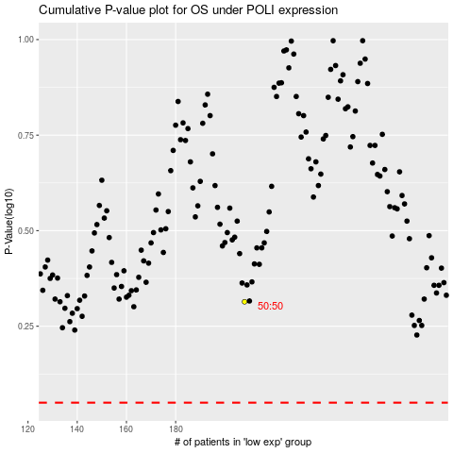

 |  |  |  |  |  | cases_OS | p_OS | rank | exp
 |  |  |  |  |  |  | cases_RFS | p_RFS | rank | exp

