POLR1A _multivariate
Reported by Tex Li-Hsing Chi. tex@gate.sinica.edu.tw 2019-08-16

Table 2. The clinicopathological features of HNSCC cohort and POLR1A expression. (Chi square test)
Cutoff at -0.077 (49.8%)
 |  | POLR1A expression |  | POLR1A expression |  | (Optimised)
 | Features | Low | (%) | High | (%) | Case no | P-value | Remark | Matthews
Gender | Female | 155 | 37.3 | 151 | 36.4 | 415 | 0.6768 | 0 | 0
2 | Male | 52 | 12.5 | 57 | 13.7
Age at diagnosis | <=65y | 130 | 31.3 | 144 | 34.7 | 415 | 0.2009 | 0 | 0
4 | >65y | 77 | 18.6 | 64 | 15.4
Clinical T Status | T1+T2 | 83 | 20 | 66 | 15.9 | 415 | 0.0941 | 0 | 0
6 | T3+T4 | 124 | 29.9 | 142 | 34.2
Clinical N Status | N0 | 111 | 26.7 | 105 | 25.3 | 415 | 0.5875 | 0 | 0
8 | N1-3 | 96 | 23.1 | 103 | 24.8
Clinical M Status | M0 | 206 | 49.6 | 206 | 49.6 | 415 | 1 | 0 | 0
10 | M1 | 1 | 0.2 | 2 | 0.5
Clinical Stage | Stage I+II | 55 | 13.3 | 47 | 11.3 | 415 | 0.4087 | 0 | 0
12 | Stage III+IV | 152 | 36.6 | 161 | 38.8
Surgical Margin status | Negative | 150 | 36.1 | 168 | 40.5 | 415 | 0.0492 | 1 | 0
14 | Positive | 57 | 13.7 | 40 | 9.6
Tobacco Exposure | Low | 83 | 20 | 78 | 18.8 | 415 | 0.6152 | 0 | 0
16 | High | 124 | 29.9 | 130 | 31.3

Table 3. Univariate/Multivariate Cox's proportional hazards regression analyses on OS time of POLR1A gene expression in HNSCC

 |  | Univariate |  |  |  | Multivariate
 | Features | HR | CI95%(L) | CI95%(H) | P-value | HR | CI95%(L) | CI95%(H) | P-value
1 | Female | 1 |  |  |  | 1
Gender | Male | 1.157 | 0.843 | 1.587 | 0.367 | 1.206 | 0.864 | 1.684 | 0.271
11 | <=65y | 1 |  |  |  | 1
Age at diagnosis | >65y | 1.329 | 0.99 | 1.784 | 0.058 | 1.402 | 1.03 | 1.908 | 0.032
12 | T1+T2 | 1 |  |  |  | 1
Clinical T Status | T3+T4 | 1.409 | 1.028 | 1.931 | 0.033 | 2.184 | 1.155 | 4.131 | 0.016
13 | N0 | 1 |  |  |  | 1
Clinical N Status | N1-3 | 1.185 | 0.89 | 1.577 | 0.246 | 1.248 | 0.874 | 1.783 | 0.222
14 | M0 | 1 |  |  |  | 1
Clinical M Status | M1 | 4.097 | 1.009 | 16.644 | 0.049 | 9.082 | 1.975 | 41.764 | 0.005
15 | Stage I+II | 1 |  |  |  | 1
Clinical Stage | Stage III+IV | 1.245 | 0.882 | 1.759 | 0.213 | 0.501 | 0.234 | 1.076 | 0.077
16 | Negative | 1 |  |  |  | 1
Surgical Margin status | Positive | 1.591 | 1.155 | 2.191 | 0.004 | 1.699 | 1.225 | 2.355 | 0.001
17 | Low | 1 |  |  |  | 1
Tobacco Exposure | High | 1.364 | 1.008 | 1.844 | 0.044 | 1.466 | 1.063 | 2.021 | 0.02
18 | Low | 1 |  |  |  | 1
RNAseq(z-score) | High | 1.061 | 0.797 | 1.414 | 0.683 | 1.115 | 0.832 | 1.494 | 0.468

Table 4. Univariate/Multivariate Cox's proportional hazards regression analyses on RFS time of POLR1A gene expression in HNSCC

 |  | Univariate |  |  |  | Multivariate
 | Features | HR | CI95%(L) | CI95%(H) | P-value | HR | CI95%(L) | CI95%(H) | P-value
1 | Female | 1 |  |  |  | 1
Gender | Male | 1.157 | 0.843 | 1.587 | 0.367 | 1.206 | 0.864 | 1.684 | 0.271
11 | <=65y | 1 |  |  |  | 1
Age at diagnosis | >65y | 1.329 | 0.99 | 1.784 | 0.058 | 1.402 | 1.03 | 1.908 | 0.032
12 | T1+T2 | 1 |  |  |  | 1
Clinical T Status | T3+T4 | 1.409 | 1.028 | 1.931 | 0.033 | 2.184 | 1.155 | 4.131 | 0.016
13 | N0 | 1 |  |  |  | 1
Clinical N Status | N1-3 | 1.185 | 0.89 | 1.577 | 0.246 | 1.248 | 0.874 | 1.783 | 0.222
14 | M0 | 1 |  |  |  | 1
Clinical M Status | M1 | 4.097 | 1.009 | 16.644 | 0.049 | 9.082 | 1.975 | 41.764 | 0.005
15 | Stage I+II | 1 |  |  |  | 1
Clinical Stage | Stage III+IV | 1.245 | 0.882 | 1.759 | 0.213 | 0.501 | 0.234 | 1.076 | 0.077
16 | Negative | 1 |  |  |  | 1
Surgical Margin status | Positive | 1.591 | 1.155 | 2.191 | 0.004 | 1.699 | 1.225 | 2.355 | 0.001
17 | Low | 1 |  |  |  | 1
Tobacco Exposure | High | 1.364 | 1.008 | 1.844 | 0.044 | 1.466 | 1.063 | 2.021 | 0.02
18 | Low | 1 |  |  |  | 1
RNAseq(z-score) | High | 1.061 | 0.797 | 1.414 | 0.683 | 1.115 | 0.832 | 1.494 | 0.468

Kaplan-Meier survival estimate: Cutoff at -0.077 (49.8%)



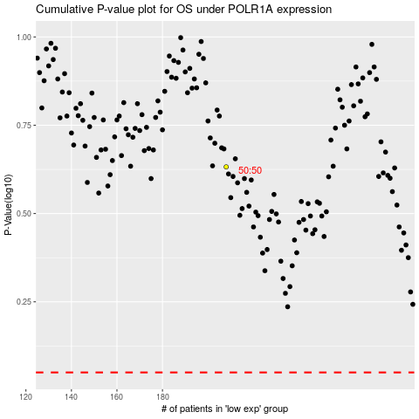

 |  |  |  |  |  | cases_OS | p_OS | rank | exp
 |  |  |  |  |  |  | cases_RFS | p_RFS | rank | exp

