POLR1B _multivariate
Reported by Tex Li-Hsing Chi. tex@gate.sinica.edu.tw 2019-08-16

Table 2. The clinicopathological features of HNSCC cohort and POLR1B expression. (Chi square test)
Cutoff at -0.096 (49.8%)
 |  | POLR1B expression |  | POLR1B expression |  | (Optimised)
 | Features | Low | (%) | High | (%) | Case no | P-value | Remark | Matthews
Gender | Female | 144 | 34.7 | 162 | 39 | 415 | 0.0697 | 0 | 0
2 | Male | 63 | 15.2 | 46 | 11.1
Age at diagnosis | <=65y | 133 | 32 | 141 | 34 | 415 | 0.5111 | 0 | 0
4 | >65y | 74 | 17.8 | 67 | 16.1
Clinical T Status | T1+T2 | 88 | 21.2 | 61 | 14.7 | 415 | 0.007 | 1 | 0
6 | T3+T4 | 119 | 28.7 | 147 | 35.4
Clinical N Status | N0 | 108 | 26 | 108 | 26 | 415 | 1 | 0 | 0
8 | N1-3 | 99 | 23.9 | 100 | 24.1
Clinical M Status | M0 | 205 | 49.4 | 207 | 49.9 | 415 | 0.6232 | 0 | 0
10 | M1 | 2 | 0.5 | 1 | 0.2
Clinical Stage | Stage I+II | 58 | 14 | 44 | 10.6 | 415 | 0.131 | 0 | 0
12 | Stage III+IV | 149 | 35.9 | 164 | 39.5
Surgical Margin status | Negative | 153 | 36.9 | 165 | 39.8 | 415 | 0.2036 | 0 | 0
14 | Positive | 54 | 13 | 43 | 10.4
Tobacco Exposure | Low | 101 | 24.3 | 60 | 14.5 | 415 | 0 | 1 | 0
16 | High | 106 | 25.5 | 148 | 35.7

Table 3. Univariate/Multivariate Cox's proportional hazards regression analyses on OS time of POLR1B gene expression in HNSCC

 |  | Univariate |  |  |  | Multivariate
 | Features | HR | CI95%(L) | CI95%(H) | P-value | HR | CI95%(L) | CI95%(H) | P-value
1 | Female | 1 |  |  |  | 1
Gender | Male | 1.157 | 0.843 | 1.587 | 0.367 | 1.216 | 0.87 | 1.702 | 0.253
11 | <=65y | 1 |  |  |  | 1
Age at diagnosis | >65y | 1.329 | 0.99 | 1.784 | 0.058 | 1.395 | 1.027 | 1.896 | 0.033
12 | T1+T2 | 1 |  |  |  | 1
Clinical T Status | T3+T4 | 1.409 | 1.028 | 1.931 | 0.033 | 2.141 | 1.13 | 4.056 | 0.02
13 | N0 | 1 |  |  |  | 1
Clinical N Status | N1-3 | 1.185 | 0.89 | 1.577 | 0.246 | 1.243 | 0.87 | 1.774 | 0.232
14 | M0 | 1 |  |  |  | 1
Clinical M Status | M1 | 4.097 | 1.009 | 16.644 | 0.049 | 9.682 | 2.11 | 44.417 | 0.003
15 | Stage I+II | 1 |  |  |  | 1
Clinical Stage | Stage III+IV | 1.245 | 0.882 | 1.759 | 0.213 | 0.51 | 0.237 | 1.094 | 0.084
16 | Negative | 1 |  |  |  | 1
Surgical Margin status | Positive | 1.591 | 1.155 | 2.191 | 0.004 | 1.697 | 1.227 | 2.348 | 0.001
17 | Low | 1 |  |  |  | 1
Tobacco Exposure | High | 1.364 | 1.008 | 1.844 | 0.044 | 1.413 | 1.021 | 1.955 | 0.037
18 | Low | 1 |  |  |  | 1
RNAseq(z-score) | High | 1.204 | 0.901 | 1.608 | 0.209 | 1.167 | 0.863 | 1.578 | 0.315

Table 4. Univariate/Multivariate Cox's proportional hazards regression analyses on RFS time of POLR1B gene expression in HNSCC

 |  | Univariate |  |  |  | Multivariate
 | Features | HR | CI95%(L) | CI95%(H) | P-value | HR | CI95%(L) | CI95%(H) | P-value
1 | Female | 1 |  |  |  | 1
Gender | Male | 1.157 | 0.843 | 1.587 | 0.367 | 1.216 | 0.87 | 1.702 | 0.253
11 | <=65y | 1 |  |  |  | 1
Age at diagnosis | >65y | 1.329 | 0.99 | 1.784 | 0.058 | 1.395 | 1.027 | 1.896 | 0.033
12 | T1+T2 | 1 |  |  |  | 1
Clinical T Status | T3+T4 | 1.409 | 1.028 | 1.931 | 0.033 | 2.141 | 1.13 | 4.056 | 0.02
13 | N0 | 1 |  |  |  | 1
Clinical N Status | N1-3 | 1.185 | 0.89 | 1.577 | 0.246 | 1.243 | 0.87 | 1.774 | 0.232
14 | M0 | 1 |  |  |  | 1
Clinical M Status | M1 | 4.097 | 1.009 | 16.644 | 0.049 | 9.682 | 2.11 | 44.417 | 0.003
15 | Stage I+II | 1 |  |  |  | 1
Clinical Stage | Stage III+IV | 1.245 | 0.882 | 1.759 | 0.213 | 0.51 | 0.237 | 1.094 | 0.084
16 | Negative | 1 |  |  |  | 1
Surgical Margin status | Positive | 1.591 | 1.155 | 2.191 | 0.004 | 1.697 | 1.227 | 2.348 | 0.001
17 | Low | 1 |  |  |  | 1
Tobacco Exposure | High | 1.364 | 1.008 | 1.844 | 0.044 | 1.413 | 1.021 | 1.955 | 0.037
18 | Low | 1 |  |  |  | 1
RNAseq(z-score) | High | 1.204 | 0.901 | 1.608 | 0.209 | 1.167 | 0.863 | 1.578 | 0.315

Kaplan-Meier survival estimate: Cutoff at -0.096 (49.8%)



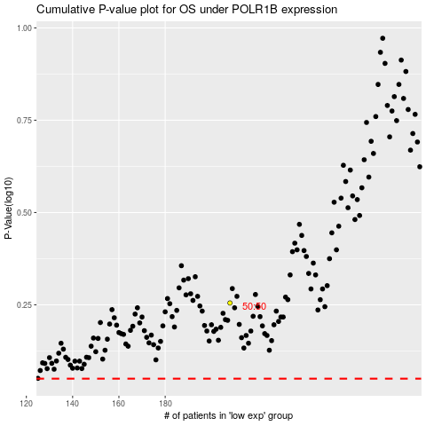

 |  |  |  |  |  | cases_OS | p_OS | rank | exp
 |  |  |  |  |  |  | cases_RFS | p_RFS | rank | exp

