POLR1C _multivariate
Reported by Tex Li-Hsing Chi. tex@gate.sinica.edu.tw 2019-08-16

Table 2. The clinicopathological features of HNSCC cohort and POLR1C expression. (Chi square test)
Cutoff at -0.239 (50.0%)
 |  | POLR1C expression |  | POLR1C expression |  | (Optimised)
 | Features | Low | (%) | High | (%) | Case no | P-value | Remark | Matthews
Gender | Female | 148 | 35.7 | 158 | 38.1 | 415 | 0.3567 | 0 | 0
2 | Male | 59 | 14.2 | 50 | 12
Age at diagnosis | <=65y | 134 | 32.3 | 140 | 33.7 | 415 | 0.6529 | 0 | 0
4 | >65y | 73 | 17.6 | 68 | 16.4
Clinical T Status | T1+T2 | 84 | 20.2 | 65 | 15.7 | 415 | 0.0603 | 0 | 0
6 | T3+T4 | 123 | 29.6 | 143 | 34.5
Clinical N Status | N0 | 109 | 26.3 | 107 | 25.8 | 415 | 0.8812 | 0 | 0
8 | N1-3 | 98 | 23.6 | 101 | 24.3
Clinical M Status | M0 | 207 | 49.9 | 205 | 49.4 | 415 | 0.2482 | 0 | 0
10 | M1 | 0 | 0 | 3 | 0.7
Clinical Stage | Stage I+II | 59 | 14.2 | 43 | 10.4 | 415 | 0.0822 | 0 | 0
12 | Stage III+IV | 148 | 35.7 | 165 | 39.8
Surgical Margin status | Negative | 164 | 39.5 | 154 | 37.1 | 415 | 0.2462 | 0 | 0
14 | Positive | 43 | 10.4 | 54 | 13
Tobacco Exposure | Low | 94 | 22.7 | 67 | 16.1 | 415 | 0.0065 | 1 | 0
16 | High | 113 | 27.2 | 141 | 34

Table 3. Univariate/Multivariate Cox's proportional hazards regression analyses on OS time of POLR1C gene expression in HNSCC

 |  | Univariate |  |  |  | Multivariate
 | Features | HR | CI95%(L) | CI95%(H) | P-value | HR | CI95%(L) | CI95%(H) | P-value
1 | Female | 1 |  |  |  | 1
Gender | Male | 1.157 | 0.843 | 1.587 | 0.367 | 1.219 | 0.873 | 1.701 | 0.245
11 | <=65y | 1 |  |  |  | 1
Age at diagnosis | >65y | 1.329 | 0.99 | 1.784 | 0.058 | 1.389 | 1.021 | 1.889 | 0.036
12 | T1+T2 | 1 |  |  |  | 1
Clinical T Status | T3+T4 | 1.409 | 1.028 | 1.931 | 0.033 | 2.25 | 1.189 | 4.26 | 0.013
13 | N0 | 1 |  |  |  | 1
Clinical N Status | N1-3 | 1.185 | 0.89 | 1.577 | 0.246 | 1.228 | 0.861 | 1.752 | 0.256
14 | M0 | 1 |  |  |  | 1
Clinical M Status | M1 | 4.097 | 1.009 | 16.644 | 0.049 | 10.941 | 2.359 | 50.74 | 0.002
15 | Stage I+II | 1 |  |  |  | 1
Clinical Stage | Stage III+IV | 1.245 | 0.882 | 1.759 | 0.213 | 0.512 | 0.239 | 1.101 | 0.087
16 | Negative | 1 |  |  |  | 1
Surgical Margin status | Positive | 1.591 | 1.155 | 2.191 | 0.004 | 1.717 | 1.24 | 2.377 | 0.001
17 | Low | 1 |  |  |  | 1
Tobacco Exposure | High | 1.364 | 1.008 | 1.844 | 0.044 | 1.495 | 1.083 | 2.065 | 0.015
18 | Low | 1 |  |  |  | 1
RNAseq(z-score) | High | 0.903 | 0.677 | 1.204 | 0.486 | 0.782 | 0.582 | 1.051 | 0.103

Table 4. Univariate/Multivariate Cox's proportional hazards regression analyses on RFS time of POLR1C gene expression in HNSCC

 |  | Univariate |  |  |  | Multivariate
 | Features | HR | CI95%(L) | CI95%(H) | P-value | HR | CI95%(L) | CI95%(H) | P-value
1 | Female | 1 |  |  |  | 1
Gender | Male | 1.157 | 0.843 | 1.587 | 0.367 | 1.219 | 0.873 | 1.701 | 0.245
11 | <=65y | 1 |  |  |  | 1
Age at diagnosis | >65y | 1.329 | 0.99 | 1.784 | 0.058 | 1.389 | 1.021 | 1.889 | 0.036
12 | T1+T2 | 1 |  |  |  | 1
Clinical T Status | T3+T4 | 1.409 | 1.028 | 1.931 | 0.033 | 2.25 | 1.189 | 4.26 | 0.013
13 | N0 | 1 |  |  |  | 1
Clinical N Status | N1-3 | 1.185 | 0.89 | 1.577 | 0.246 | 1.228 | 0.861 | 1.752 | 0.256
14 | M0 | 1 |  |  |  | 1
Clinical M Status | M1 | 4.097 | 1.009 | 16.644 | 0.049 | 10.941 | 2.359 | 50.74 | 0.002
15 | Stage I+II | 1 |  |  |  | 1
Clinical Stage | Stage III+IV | 1.245 | 0.882 | 1.759 | 0.213 | 0.512 | 0.239 | 1.101 | 0.087
16 | Negative | 1 |  |  |  | 1
Surgical Margin status | Positive | 1.591 | 1.155 | 2.191 | 0.004 | 1.717 | 1.24 | 2.377 | 0.001
17 | Low | 1 |  |  |  | 1
Tobacco Exposure | High | 1.364 | 1.008 | 1.844 | 0.044 | 1.495 | 1.083 | 2.065 | 0.015
18 | Low | 1 |  |  |  | 1
RNAseq(z-score) | High | 0.903 | 0.677 | 1.204 | 0.486 | 0.782 | 0.582 | 1.051 | 0.103

Kaplan-Meier survival estimate: Cutoff at -0.239 (50.0%)



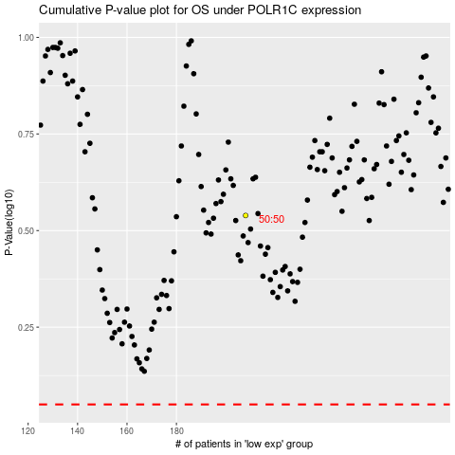

 |  |  |  |  |  | cases_OS | p_OS | rank | exp
 |  |  |  |  |  |  | cases_RFS | p_RFS | rank | exp

